Section A 抄
SECTION A — FOUNDATION
Selected pile: | Bored pile
Bored pile
Socket H-pile
Driven H-pile
Mini pile

(ii) Foundation - Bored Pile is selected, because
- Reasonably quiet and vibration-free construction, hence minimise disturbance to adjacent buildings.
- Heavy loads transfer to harder strata, hence minimise differential settlement.
(a) Stability & load transfer
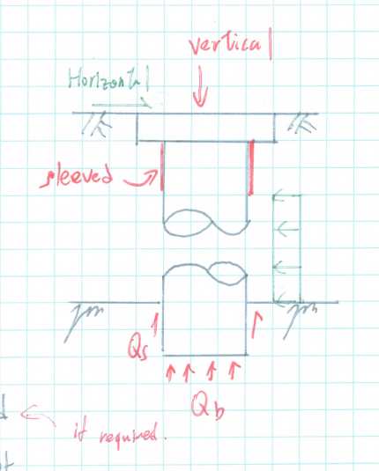
Vertical load is resisted by
- Bearing capacity of rock, Qb
- Minor shaft friction of rock, Qs
Horizontal load is resisted by
- Provide upper part of pile sleeve, if required.
- Sub-grade reaction of soil surrounding pile (no sleeved part)
- Passive resistance of pile rock socket
Negative skin friction, NSF
- NSF induced by marine deposits should be considered in further detailed design.
(b) Feasibility Check
Column load, Psls = [待输入] kN
Qb = 待输入 kPa for Grade [待输入]
Adopt 待输入 nos. of bored pile with 2500 mm bell-out
Qallow = n × π × Db² / 4 × Qb
= 待输入 × π × 2.5² / 4 × 待输入
= 待输入 kN
Qallow ≥ P = [待输入] kN ∴ 待输入
Provide 2500 / 1.5 = 1.667 m (say 1.8 m bored pile)
Number of piles = ROUNDUP(P / pile capacity, 0) = 待输入. 待输入
(c) Settlement
- Since bored pile is founded on rock, only small settlement would be expected.
- Precise checking of total and differential settlement shall be carried out in detailed design.
(d) Other consideration
i) Existing adjacent footing / pile / retaining wall
- Lateral stresses from existing adjacent footing / pile / retaining wall will be considered in detailed design.
Feasibility Check (Pile Cap)
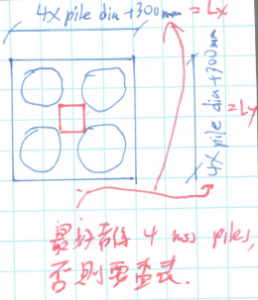
Puls = 1.6 × Psls
= 1.6 × [待输入]
= 待输入 kN
vu = Puls / (u d) < 0.8√fcu
where fcu = 45 N/mm²
d ≥ Puls × 10³ / (u × 0.8√fcu)
= 待输入 × 10³ / (待输入 × 0.8 × √45)
= 待输入 mm
Pile-cap thickness and effective depth
h = number of floors / 10 = [待输入] / 10 m = 待输入 mm
Cover = 75 mm
d = h - cover = 待输入 - 75 = 待输入 mm
vu = 待输入 × 10³ / (待输入 × 待输入) = 待输入 N/mm²
0.8√fcu = 5.367 N/mm² ∴ 待输入
Adopt 待输入 × 待输入 × 待输入 mm THK. pile cap.
Source sketch: Lx = Ly = 4 × pile diameter + 300 mm, for a four-pile arrangement. Other pile quantities require a revised arrangement.

Section B 抄
SECTION B — FOUNDATION DESIGN
Selected pile: | Bored pile
Bored pile
Socket H-pile

Bored Pile (1500 mm Ø with 2200 mm bell-out, fcu = 48 N/mm²)
Column load, Nsls = DL + LL = [待输入] + [待输入] = 待输入 kN
Nuls = 1.4 × DL + 1.6 × LL = 待输入 kN
Check allowable pressure
Provide 待输入 nos. of pile per column (rounded up from Nsls / pile capacity)
Qb = 3,000 kPa
Qallow = n × π × Db² / 4 × Qb
= 待输入 × π × 2.2² / 4 × 3,000 = 待输入 kN
Qallow ≥ Nsls = 待输入 kN ∴ 待输入
Check compression
Pile diameter = 1500 mm
Nconc = 0.35 fcu Ac
= 0.35 × 48 × π × 1500² / 4 / 1000 = 29,688 kN
Nconc ≥ Nuls / n = 待输入 kN ∴ 待输入
Use minimum steel ratio 0.4% reinforcement
As,req = 0.4% × Ac = 7,069 mm²
Provide 24T20, As,prov = 7,540 mm², 0.43% ∴ OK
Provide h = [待输入] / 10 × 1000 = 待输入 mm THK. pile cap; cover = 75 mm.
d = h - cover = 待输入 mm; v = Nuls × 1000 / (4c × d)
v = 待输入 × 1000 / (4 × [待输入] × 待输入) = 待输入 N/mm²
v < 0.8√fcu,cap = 0.8√45 = 5.367 N/mm² ∴ 待输入

