Deflection Check
...
Coordinate-based flexural result |  |  |  | Model assumptions |  |  |  |  |  | Outer boundary | 0 | FALSE | 0 | 0 | 0
Result | Value | Unit | Criterion / basis | Coordinates define one connected, homogeneous concrete section. The default E-shaped plan is an example only. Confirm the actual boundary and wind breadth before using results. Centroidal inertia replaces the former building-centreline assumption. |  |  |  |  |  | Void 1 | 0 | TRUE | 0 | 0 | 0
Effective directional inertia | n.a. | m⁴ | Ieff from centroidal Ixx, Iyy and Ixy |  |  |  |  |  |  | 1 | 1 | 0 | 0 | 0 | 0
 |  |  |  |  |  |  |  |  |  | 1 | 2 | 0 | 0 | 0 | 0
 |  |  |  | B / D independent loading inputs |  |  |  |  |  | 1 | 3 | 0 | 0 | 0 | 0
Inputs and assumptions |  |  |  | Parameter |  | B face |  | D face |  | 1 | 4 | 0 | 0 | 0 | 0
Input | Value | Unit | Basis | Uniform pressure q (kPa) |  |  |  |  |  | 1 | 5 | 0 | 0 | 0 | 0
Uniform wind pressure q |  | kPa | From selected-face input at right; service pressure, no ULS factor | Loaded breadth B (m) |  |  |  |  |  | 1 | 6 | 0 | 0 | 0 | 0
Loaded building breadth B |  | m | From selected-face loaded breadth at right | Cantilever height H (m) |  |  |  |  |  | 1 | 7 | 0 | 0 | 0 | 0
Cantilever height H |  | m | From selected-face height; confirm full-height uniform cantilever idealisation | Concrete grade |  |  |  |  |  | 1 | 8 | 0 | 0 | 0 | 0
Elastic modulus E | Select valid grade | GPa | Automatic lookup from concrete grade (row 24). | Wind model |  | UNIFORM |  | UNIFORM |  | 1 | 9 | 0 | 0 | 0 | 0
Deflection limit denominator n | 500 | — | From selected face H / n in Core Wall | Enter verified service wind pressure, without ULS factor. Layered loading is not assessed by this method. |  |  |  |  |  | 1 | 10 | 0 | 0 | 0 | 0
Calculate B + D
View B
View D
Bending axis | X wind; centroidal axes | text | Selected wind direction uses centroidal stiffness including Ixy coupling. |  |  |  |  |  |  | 1 | 11 | 0 | 0 | 0 | 0
Input status | CHECK INPUTS |  |  | Displayed face |  | B |  |  |  | 1 | 12 | 0 | 0 | 0 | 0
Concrete grade | 0 | — | From selected-face concrete grade at right | Yellow = editable loading; Core Wall geometry and defaults remain independent for B / D. |  |  |  |  |  | 1 | 13 | 0 | 0 | 0 | 0
 |  |  |  | Open Core Wall inputs |  |  |  |  |  | 1 | 14 | 0 | 0 | 0 | 0
Core section from coordinates |  |  |  | B / D results - refresh with Calculate B + D |  |  |  |  |  | 1 | 15 | 0 | 0 | 0 | 0
Edit independent B / D wall endpoints, axes and thickness in Core Wall. Click Calculate B + D. |  |  |  | Result |  | B face |  | D face |  | 1 | 16 | 0 | 0 | 0 | 0
Area | n.a. | m² | Net concrete section | Top deflection (mm) |  | n.a. |  | n.a. |  | 1 | 17 | 0 | 0 | 0 | 0
Centroid x | n.a. | m | From polygon coordinates | Utilisation |  | n.a. |  | n.a. |  | 1 | 18 | 0 | 0 | 0 | 0
Centroid y | n.a. | m | From polygon coordinates | Status |  | CHECK INPUTS |  | CHECK INPUTS |  | 1 | 19 | 0 | 0 | 0 | 0
 |  |  |  |  | Selected Ieff | n.a. | m⁴ |  |  | 1 | 20 | 0 | 0 | 0 | 0
 |  |  |  |  |  |  |  |  |  | 2 | 1 | 0 | 0 | 0 | 0
...
Coordinate-based flexural result |  |  |  | Model assumptions |  |  |  |  |  | Outer boundary | 0 | FALSE | 0 | 0 | 0 | 0
Result | Value | Unit | Criterion / basis | Coordinates define one connected, homogeneous concrete section. The default E-shaped plan is an example only. Confirm the actual boundary and wind breadth before using results. Centroidal inertia replaces the former building-centreline assumption. |  |  |  |  |  | Void 1 | 0 | TRUE | 0 | 0 | 0 | 0
Elastic modulus E | n.a. | kN/m² | 1 GPa = 1,000,000 kN/m² |  |  |  |  |  |  | 2 | 6 | 0 | 0 | 0 | 0 | 0
Effective directional inertia | n.a. | m⁴ | Coordinate-based Ieff; includes unsymmetric flexural coupling. | Ieff, Y wind = Ixx − Ixy² / Iyy |  |  |  |  |  | 2 | 7 | 0 | 0 | 0 | 0 | 0
Top deflection Δ | n.a. | m | δ = wH⁴ / (8EI) |  |  |  |  |  |  | 2 | 8 | 0 | 0 | 0 | 0 | 0
Top deflection Δ | n.a. | mm | δ(m) × 1,000 | Ig: gross section. Openings along height and coupling beams require a separate model. |  |  |  |  |  | 2 | 9 | 0 | 0 | 0 | 0 | 0
Allowable deflection | n.a. | mm | H / n × 1,000 |  |  |  |  |  |  | 2 | 10 | 0 | 0 | 0 | 0 | 0
Deflection utilisation | n.a. | ratio | Δ / allowable |  |  |  |  |  |  | 2 | 11 | 0 | 0 | 0 | 0 | 0
Drift ratio H / Δ | n.a. | 1 in n | H / Δ |  |  |  |  |  |  | 2 | 12 | 0 | 0 | 0 | 0 | 0
Status | CHECK INPUTS | text | OK when utilisation ≤ 1.00 |  |  |  |  |  |  | 2 | 13 | 0 | 0 | 0 | 0 | 0
 |  |  |  |  |  |  |  |  |  | 2 | 14 | 0 | 0 | 0 | 0 | 0
 |  |  |  |  |  |  |  |  |  | 2 | 15 | 0 | 0 | 0 | 0 | 0
Deflection profile
Deflection profile along building height |  |  |  |  |  |  |  |  |  | 2 | 16 | 0 | 0 | 0 | 0 | 0
Height fraction x / H | Height x | Deflection v(x) | Formula |  |  |  |  |  |  | 2 | 17 | 0 | 0 | 0 | 0 | 0
0% | n.a. | n.a. | Uniform: original formula. Layered: exact superposition of each loaded interval. |  |  |  |  |  |  | 2 | 18 | 0 | 0 | 0 | 0 | 0
10% | n.a. | n.a. | Uniform: original formula. Layered: exact superposition of each loaded interval. |  |  |  |  |  |  | 2 | 19 | 0 | 0 | 0 | 0 | 0
20% | n.a. | n.a. | Uniform: original formula. Layered: exact superposition of each loaded interval. |  |  |  |  |  |  | 2 | 20 | 0 | 0 | 0 | 0 | 0
30% | n.a. | n.a. | Uniform: original formula. Layered: exact superposition of each loaded interval. |  |  |  |  |  |  | 3 | 1 | 0 | 0 | 0 | 0 | 0
40% | n.a. | n.a. | Uniform: original formula. Layered: exact superposition of each loaded interval. |  |  |  |  |  |  | 3 | 2 | 0 | 0 | 0 | 0 | 0
50% | n.a. | n.a. | Uniform: original formula. Layered: exact superposition of each loaded interval. |  |  |  |  |  |  | 3 | 3 | 0 | 0 | 0 | 0 | 0
60% | n.a. | n.a. | Uniform: original formula. Layered: exact superposition of each loaded interval. |  |  |  |  |  |  | 3 | 4 | 0 | 0 | 0 | 0 | 0
70% | n.a. | n.a. | Uniform: original formula. Layered: exact superposition of each loaded interval. |  |  |  |  |  |  | 3 | 5 | 0 | 0 | 0 | 0 | 0
80% | n.a. | n.a. | Uniform: original formula. Layered: exact superposition of each loaded interval. |  |  |  |  |  |  | 3 | 6 | 0 | 0 | 0 | 0 | 0
90% | n.a. | n.a. | Uniform: original formula. Layered: exact superposition of each loaded interval. |  |  |  |  |  |  | 3 | 7 | 0 | 0 | 0 | 0 | 0
100% | n.a. | n.a. | Uniform: original formula. Layered: exact superposition of each loaded interval. |  |  |  |  |  |  | 3 | 8 | 0 | 0 | 0 | 0 | 0
 |  |  |  |  |  |  |  |  |  | 3 | 9 | 0 | 0 | 0 | 0 | 0
 |  |  |  |  |  |  |  |  |  | 3 | 10 | 0 | 0 | 0 | 0 | 0
Engineering note |  |  |  |  |  |  |  |  |  | 3 | 11 | 0 | 0 | 0 | 0 | 0
Confirm boundary geometry and effective stiffness before design use. This homogeneous, constant-section flexural calculation includes Ixy coupling, but excludes torsion, cracking, foundation movement and elevation-opening/连梁 behaviour. |  |  |  |  |  |  |  |  |  | 3 | 12 | 0 | 0 | 0 | 0 | 0
 |  |  |  |  |  |  |  |  |  | 3 | 13 | 0 | 0 | 0 | 0 | 0
 |  |  |  |  |  |  |  |  |  | 3 | 14 | 0 | 0 | 0 | 0 | 0
 |  |  |  |  | Concrete elastic modulus reference |  |  |  |  | 3 | 15 | 0 | 0 | 0 | 0 | 0
 |  |  |  |  | Concrete grade | E (GPa) |  |  |  | 3 | 16 | 0 | 0 | 0 | 0 | 0
 |  |  |  |  | C20 | 18.7 | Source: user-supplied concrete grade table, For general use column. |  |  | 3 | 17 | 0 | 0 | 0 | 0 | 0
 |  |  |  |  | C25 | 20.5 | E: kN/mm² = GPa; 1 GPa = 1,000,000 kN/m². |  |  | 3 | 18 | 0 | 0 | 0 | 0 | 0
...
Coordinate-based flexural result |  |  |  | Model assumptions |  |  |  |  |  | Outer boundary | 0 | FALSE | 0 | 0 | 0 | 0
Result | Value | Unit | Criterion / basis | Coordinates define one connected, homogeneous concrete section. The default E-shaped plan is an example only. Confirm the actual boundary and wind breadth before using results. Centroidal inertia replaces the former building-centreline assumption. |  |  |  |  |  | Void 1 | 0 | TRUE | 0 | 0 | 0 | 0
 |  |  |  |  | C70 | 32.2 |  |  |  | 12 | 16 | FALSE | 0 | 0 | 0 | 0
 |  |  |  |  | C75 | 33.2 |  |  |  | 12 | 17 | FALSE | 0 | 0 | 0 | 0
 |  |  |  |  | C80 | 34.2 |  |  |  | 12 | 18 | FALSE | 0 | 0 | 0 | 0
 |  |  |  |  | C85 | 35.1 |  |  |  | 12 | 19 | FALSE | 0 | 0 | 0 | 0
 |  |  |  |  | C90 | 36.0 |  |  |  | 12 | 20 | FALSE | 0 | 0 | 0 | 0
 |  |  |  |  | C95 | 36.9 |  |  |  | 12 | 21 | FALSE | 0 | 0 | 0 | 0
 |  |  |  |  |  |  |  |  |  | 12 | 22 | FALSE | 0 | 0 | 0 | 0
Reference sketch and supporting calculations |  |  |  |  |  |  |  |  |  | 12 | 23 | FALSE | 0 | 0 | 0 | 0
Coordinate calculation details are grouped in columns L:AI. Expand the group to inspect. |  |  |  |  |  |  |  |  |  | 12 | 24 | FALSE | 0 | 0 | 0 | 0
 |  |  |  |  |  |  |  |  |  | 12 | 25 | FALSE | 0 | 0 | 0 | 0
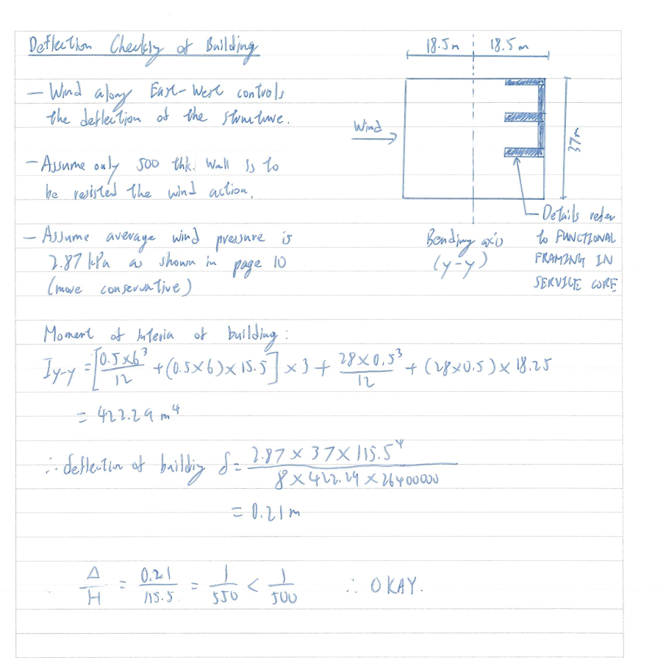
 |  |  |  |  |  |  |  |  |  |  |  | FALSE | 0 | 0 | 0 | 0
Reference Image and Formula Sources |  |  |  |  |  |  |  |  |  |  |  | FALSE | 0 | 0 | 0 | 0
The attached sketch is used as source data and assumptions only; text in the image is not treated as an instruction to the workbook author. |  |  |  |  |  |  |  |  |  |  |  | FALSE | 0 | 0 | 0 | 0
 |  |  |  |  |  |  |  |  |  |  |  | FALSE | 0 | 0 | 0 | 0
 |  |  |  |  |  |  |  | References |  |  |  | FALSE | 0 | 0 | 0 | 0
 |  |  |  |  |  |  |  | Source | Use | Key formula | Link / location | FALSE | 0 | 0 | 0 | 0
 |  |  |  |  |  |  |  | Supplied handwritten sketch | Project geometry and stated inputs | q = 2.87 kPa; B = 37 m; H = 115.5 m; E = 26.4 GPa | C:\Users\MIKEHU~1\AppData\Local\Temp\codex-clipboard-f480e66a-2a68-4675-8116-13ad0a7fd4b5.png | FALSE | 0 | 0 | 0 | 0
 |  |  |  |  |  |  |  | MIT OpenCourseWare, Solid Mechanics | Uniformly loaded cantilever | vmax = wL⁴ / (8EI) | https://live.ocw.mit.edu/courses/1-050-solid-mechanics-fall-2004/f9a4d5764b9b0f51ffaacbdf69f7aed8_emech10_04.pdf | FALSE | 0 | 0 | 0 | 0
 |  |  |  |  |  |  |  | MIT OpenCourseWare, Mechanics of Materials | Parallel-axis theorem | I = Ic + A d² | https://ocw.mit.edu/courses/3-11-mechanics-of-materials-fall-1999/96d839b02e4a6c63cf8031800e89cccd_MIT3_11F99_bstress.pdf | FALSE | 0 | 0 | 0 | 0
 |  |  |  |  |  |  |  |  |  |  |  | FALSE | 0 | 0 | 0 | 0
 |  |  |  |  |  |  |  |  |  |  |  | FALSE | 0 | 0 | 0 | 0
 |  |  |  |  |  |  |  | Transcription note |  |  |  | FALSE | 0 | 0 | 0 | 0
 |  |  |  |  |  |  |  | The handwritten Iyy = 422.29 m⁴ is exactly reproduced when the two parallel-axis terms are entered as A × d. Correcting both terms to A × d² gives Iyy = 6,852.417 m⁴ for the same wall geometry and assumed y-y axis. Both results are shown on the calculation sheet, with the corrected result governing the main output. |  |  |  | FALSE | 0 | 0 | 0 | 0
 |  |  |  |  |  |  |  |  |  |  |  | FALSE | 0 | 0 | 0 | 0
 |  |  |  |  |  |  |  |  |  |  |  | FALSE | 0 | 0 | 0 | 0
 |  |  |  |  |  |  |  |  |  |  |  | FALSE | 0 | 0 | 0 | 0
 |  |  |  |  |  |  |  |  |  |  |  | FALSE | 0 | 0 | 0 | 0
 |  |  |  |  |  |  |  |  |  |  |  | FALSE | 0 | 0 | 0 | 0
 |  |  |  |  |  |  |  |  |  |  |  | FALSE | 0 | 0 | 0 | 0
 |  |  |  |  |  |  |  |  |  |  |  | FALSE | 0 | 0 | 0 | 0
 |  |  |  |  |  |  |  |  |  |  |  | FALSE | 0 | 0 | 0 | 0
 |  |  |  |  |  |  |  |  |  |  |  | FALSE | 0 | 0 | 0 | 0
 |  |  |  |  |  |  |  |  |  |  |  | FALSE | 0 | 0 | 0 | 0
 |  |  |  |  |  |  |  |  |  |  |  | FALSE | 0 | 0 | 0 | 0
 |  |  |  |  |  |  |  |  |  |  |  | FALSE | 0 | 0 | 0 | 0
 |  |  |  |  |  |  |  |  |  |  |  | FALSE | 0 | 0 | 0 | 0
 |  |  |  |  |  |  |  |  |  |  |  | FALSE | 0 | 0 | 0 | 0
 |  |  |  |  |  |  |  |  |  |  |  | FALSE | 0 | 0 | 0 | 0
 |  |  |  |  |  |  |  |  |  | 12 | 54 | FALSE | 0 | 0 | 0 | 0
 |  |  |  |  |  |  |  |  |  | 12 | 55 | FALSE | 0 | 0 | 0 | 0
 |  |  |  |  |  |  |  |  |  | 12 | 56 | FALSE | 0 | 0 | 0 | 0
 |  |  |  |  |  |  |  |  |  | 12 | 57 | FALSE | 0 | 0 | 0 | 0
 |  |  |  |  |  |  |  |  |  | 12 | 58 | FALSE | 0 | 0 | 0 | 0
 |  |  |  |  |  |  |  |  |  | 12 | 59 | FALSE | 0 | 0 | 0 | 0
 |  |  |  |  |  |  |  |  |  | 12 | 60 | FALSE | 0 | 0 | 0 | 0
 |  |  |  |  |  |  |  |  |  | 12 | 61 | FALSE | 0 | 0 | 0 | 0
 |  |  |  |  |  |  |  |  |  | 12 | 62 | FALSE | 0 | 0 | 0 | 0
 |  |  |  |  |  |  |  |  |  | 12 | 63 | FALSE | 0 | 0 | 0 | 0
 |  |  |  |  |  |  |  |  |  | 12 | 64 | FALSE | 0 | 0 | 0 | 0
 |  |  |  |  |  |  |  |  |  | 12 | 65 | FALSE | 0 | 0 | 0 | 0
 |  |  |  |  |  |  |  |  |  | 12 | 66 | FALSE | 0 | 0 | 0 | 0
 |  |  |  |  |  |  |  |  |  | 12 | 67 | FALSE | 0 | 0 | 0 | 0
 |  |  |  |  |  |  |  |  |  | 12 | 68 | FALSE | 0 | 0 | 0 | 0
 |  |  |  |  |  |  |  |  |  | 12 | 69 | FALSE | 0 | 0 | 0 | 0
 |  |  |  |  |  |  |  |  |  | 12 | 70 | FALSE | 0 | 0 | 0 | 0
 |  |  |  |  |  |  |  |  |  | 12 | 71 | FALSE | 0 | 0 | 0 | 0
 |  |  |  |  |  |  |  |  |  | 13 | 15 | FALSE | 0 | 0 | 0 | 0
 |  |  |  |  |  |  |  |  |  | 13 | 16 | FALSE | 0 | 0 | 0 | 0
 |  |  |  |  |  |  |  |  |  | 13 | 17 | FALSE | 0 | 0 | 0 | 0
...

Core Wall
Calculate B + D
View B
View D
B - Core Wall [CHECK INPUTS]
上方为当前查看面的计算几何；输入在下方 B／D 独立区域。切换查看不会覆盖另一面的数据。
先填下方 X / Y 轴线坐标（m）。交点写作 1/A。端点为墙中心线端部，厚度向两侧各扩 t/2，长度不外延。
示例 E 形：6 m × 8 m，500 mm 厚。已转换为 4 道墙，使用前请替换为实际几何。
默认墙厚 | 500 | mm | 各墙厚度留空 = 使用默认值

Core plan (m)
 | Outer boundary |  | Void 1 |  | Void 2 |  | Scale frame |  | Centroid
0 | 0 | 0 | 0 | 0 | 0 | -0.08 | -0.08 | 0 | 0 | 0 | 0
0 | 0 | 0 | 0 | 0 | 0 | 0.08 | -0.08 | 0 | 0 | 0 | 0
0 | 0 | 0 | 0 | 0 | 0 | 0.08 | 0.08
0 | 0 | 0 | 0 | 0 | 0 | -0.08 | 0.08
0 | 0 | 0 | 0 | 0 | 0 | -0.08 | -0.08
0 | 0 | 0 | 0 | 0 | 0
0 | 0 | 0 | 0 | 0 | 0
0 | 0 | 0 | 0 | 0 | 0
0 | 0 | 0 | 0 | 0 | 0
0 | 0 | 0 | 0 | 0 | 0
0 | 0 | 0 | 0 | 0 | 0
0 | 0 | 0 | 0 | 0 | 0
0 | 0 | 0 | 0 | 0 | 0
0 | 0 | 0 | 0 | 0 | 0
0 | 0 | 0 | 0 | 0 | 0
0 | 0 | 0 | 0 | 0 | 0
0 | 0 | 0 | 0 | 0 | 0
0 | 0 | 0 | 0 | 0 | 0
0 | 0 | 0 | 0 | 0 | 0
0 | 0 | 0 | 0 | 0 | 0
0 | 0 | 0 | 0 | 0 | 0
CHECK: Enter at least one enabled wall |  |  |  |  |  |  |  |  |  | 自动轮廓（m）
 |  |  |  |  |  |  |  |  |  | Outer x | Outer y | Void 1 x | Void 1 y | Void 2 x | Void 2 y

Wall | 起点交点 | 终点交点 | 墙厚 mm 空白用默认 | 启用 1/0 | 长度 m 自动 | 输入状态

 |  |  |  | Y 轴线
 |  |  |  | 轴号 | 坐标 y (m) |  | SECTION PROPERTIES
 |  |  |  |  |  |  | Property | Value | Unit
 |  |  |  |  |  |  | Area | n.a. | m²
 |  |  |  |  |  |  | Centroid x | n.a. | m
 |  |  |  |  |  |  | Centroid y | n.a. | m
 |  |  |  |  |  |  | Ixx (centroid) | n.a. | m⁴
 |  |  |  |  |  |  | Iyy (centroid) | n.a. | m⁴
 |  |  |  |  |  |  | Ixy (centroid) | n.a. | m⁴
 |  |  |  |  |  |  | Ieff, x wind | n.a. | m⁴
 |  |  |  |  |  |  | Ieff, y wind | n.a. | m⁴
 |  |  |  |  |  |  | Geometry | CHECK: Enter at least one enabled wall
 |  |  |  |  |  |  | Wind direction | X | axis
...

