SKU ID
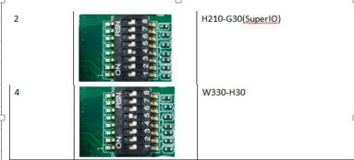
22D4-US SKU ID Definition 2019/02

BOM序列 | SKU ID | 16进制 | 10进制 | 使用机型 | 外观
0 | 00000 | 0x00 | 0 | Reserved
1 | 00001 | 0x01 | 1 | H210-G30
2 | 00010 | 0x02 | 2 | H210-G30(SuperIO)
3 | 00011 | 0x03 | 3 | H220-G30
4 | 00100 | 0x04 | 4 | W330-H30 | Tower大机箱
5 | 00101 | 0x05 | 5 | W330-H35 | Tower小机箱
6 | 00110 | 0x06 | 6 | Reserved
7 | 00111 | 0x07 | 7 | Reserved
8 | 01000 | 0x08 | 8 | W330-H30S(SM专用工作站)
9 | 01001 | 0x09 | 9 | Reserved
10 | 01010 | 0x0A | 10 | Reserved
11 | 01011 | 0x0B | 11 | Reserved
12 | 01100 | 0x0C | 12 | S240-H30
13 | 01101 | 0x0D | 13 | Reserved
14 | 01110 | 0x0E | 14 | Reserved
15 | 01111 | 0x0F | 15 | Reserved

序号 | 适用机型 | BMC芯片及周边 | SuperIO | PCIe x4 in x8 Slot | PCIe x4 in x8 Slot | BM卡插槽上件PCIe x8 Slot(黑色) | BM卡插槽上件PCIe x8 Slot(红色) | MiniSAS HD | SATA 7Pin | SATA加密芯片 | TCM芯片 | USB声卡芯片 | USB 3.0 Hub | USB 2.0 Hub | 音频接口 | SM专用三合一Header
1 | H210-G30 | Y | N | N | N | N | N | Y | N | N | N | N | Y | N | N | N
2 | H210-G30 | N | Y | N | N | N | N | Y | N | N | N | N | Y | N | N | N
3 | H220-G30 | Y | N | Y | Y | Y | N | Y | N | N | N | N | Y | N | N | N
4 | W330-H30 | N | Y | Y | Y | Y | N | N | Y | N | N | Y | Y | N | Y | N
8 | SM专用工作站 | N | Y | Y | Y | N | Y | N | Y | Y | Y | Y | Y | Y | Y | Y
此表来自：svn://10.0.20.234:3691/V330_G30/A-Trunk/04-M2设计阶段-概设/22D4-US_HW-Spec/Sugon 22D4-US_HW-Spec_20181120_V0.5

备注一：SKU ID对应主板拨码开关的3/4/5/6/7/8，当拨ON为逻辑1，但是GPIO为低，需要bios处理

SuperIO
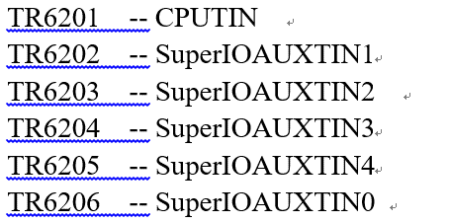
SIO 风扇对应的寄存器

主板丝印 | 标号 | NCT引脚 | Fan Control Mode Select | PWM output value | FAN RPM READING
FAN1 | J17 | AUXFANOUT0 | Bank3,index02, bit[7:4] | Bank3,index09 bit[7:0] | Hi:Bank4,indexC4 Lo:Bank4,indexC5
FAN2 | J36 | AUXFANOUT1 | Bank8,index02, bit[7:4] | Bank8,index09 bit[7:0] | Hi:Bank4,indexC6 Lo:Bank4,indexC7
FAN3 | J16 | AUXFANOUT2 | Bank9,index02, bit[7:4] | Bank9,index09 bit[7:0] | Hi:Bank4,indexC8 Lo:Bank4,indexC9
FAN4 | J34 | AUXFANOUT3 | BankA,index02, bit[7:4] | BankA,index09 bit[7:0] | Hi:Bank4,indexCA Lo:Bank4,indexCB
FAN5 | J14 | AUXFANOUT4 | BankB,index02, bit[7:4] | BankB,index09 bit[7:0] | Hi:Bank4,indexCE Lo:Bank4,indexCF
CPU_FAN1 | J15 | CPUFANOUT | Bank2,index02, bit[7:4] | Bank2,index09 bit[7:0] | Hi:Bank4,indexC2 Lo:Bank4,indexC3

W330-H30(SKU4)使用的风扇主板丝印：FAN1/FAN5/CPU_FAN1
W330-H35(SKU5)使用的风扇主板丝印：CPU_FAN1

SIO 温度对应的寄存器

主板丝印 | NCT引脚 | Temperature Reading
TR6201（outlet） | CPUTIN | Bank1 0x50
TR6202（inlet） | AUXTIN1 | BANK6 0X72
TR6203（pcie_temp1） | AUXTIN2 | BANK6 0X74
TR6204 (pcie temp2) | AUXTIN3 | BANK6 0X76
TR6205 (pcie_temp3) | AUXTIN4 | BANK6 0X78
TR6206 (VR Temp) | AUXTIN0 | BANK6 0X70

SIO 电压对应的寄存器

丝印 | NCT引脚 | Voltage reading
+5V_ATX | VIN1 | Bank4,Index81
+12V_ATX | VIN0 | Bank4,Index84
+3.3V_VDD | 3VCC | Bank4,Index83
+3V_DUAL | AVSB | Bank4,Index82
+VBAT | VBAT | Bank4,Index88
+VSOC1 | VIN2 | Bank4,Index8C
+VCORE1 | CPUVCORE | Bank4,Index80
+1.8V_VDD | VIN9/SYSTIN | Bank4,Index8F
+VDDIO_VB | VIN3 | Bank4,Index8D

主板上的sensor位置
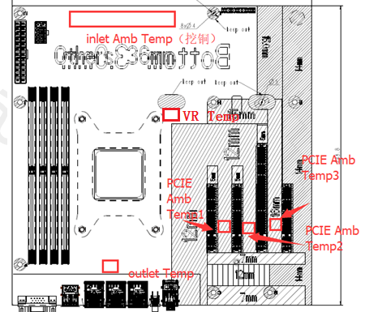
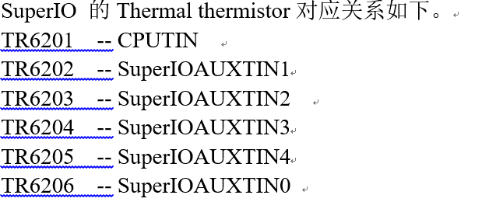

风扇与主板sensor位置对应关系
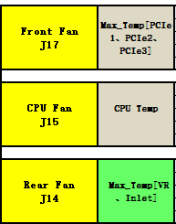

SuperIO 的Thermal thermistor对应关系如下

PWRBNT and RESET
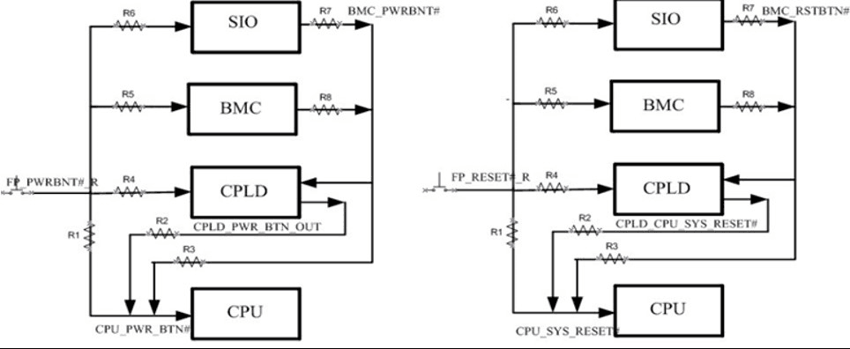
BMC SKU 与 SIO SKU PWRBNT按键与RESET按键的连接方式如下：

