Pin Types
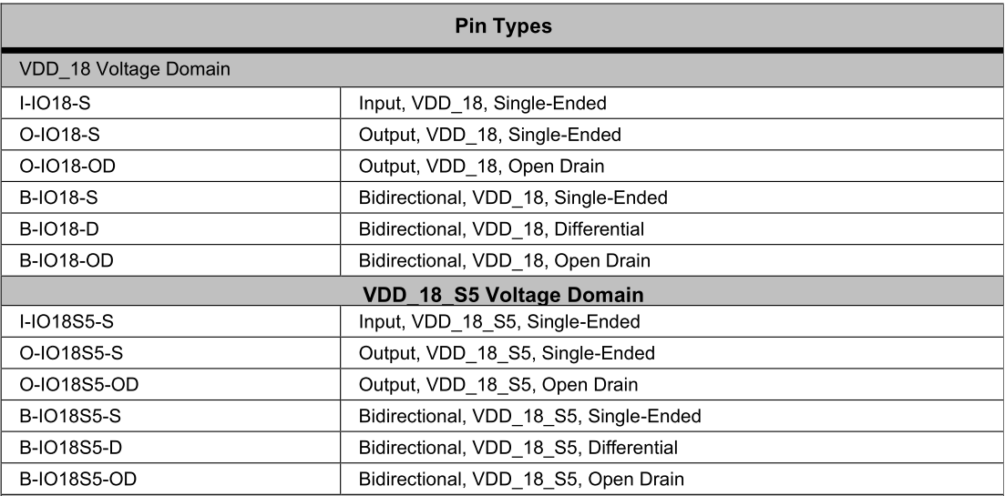
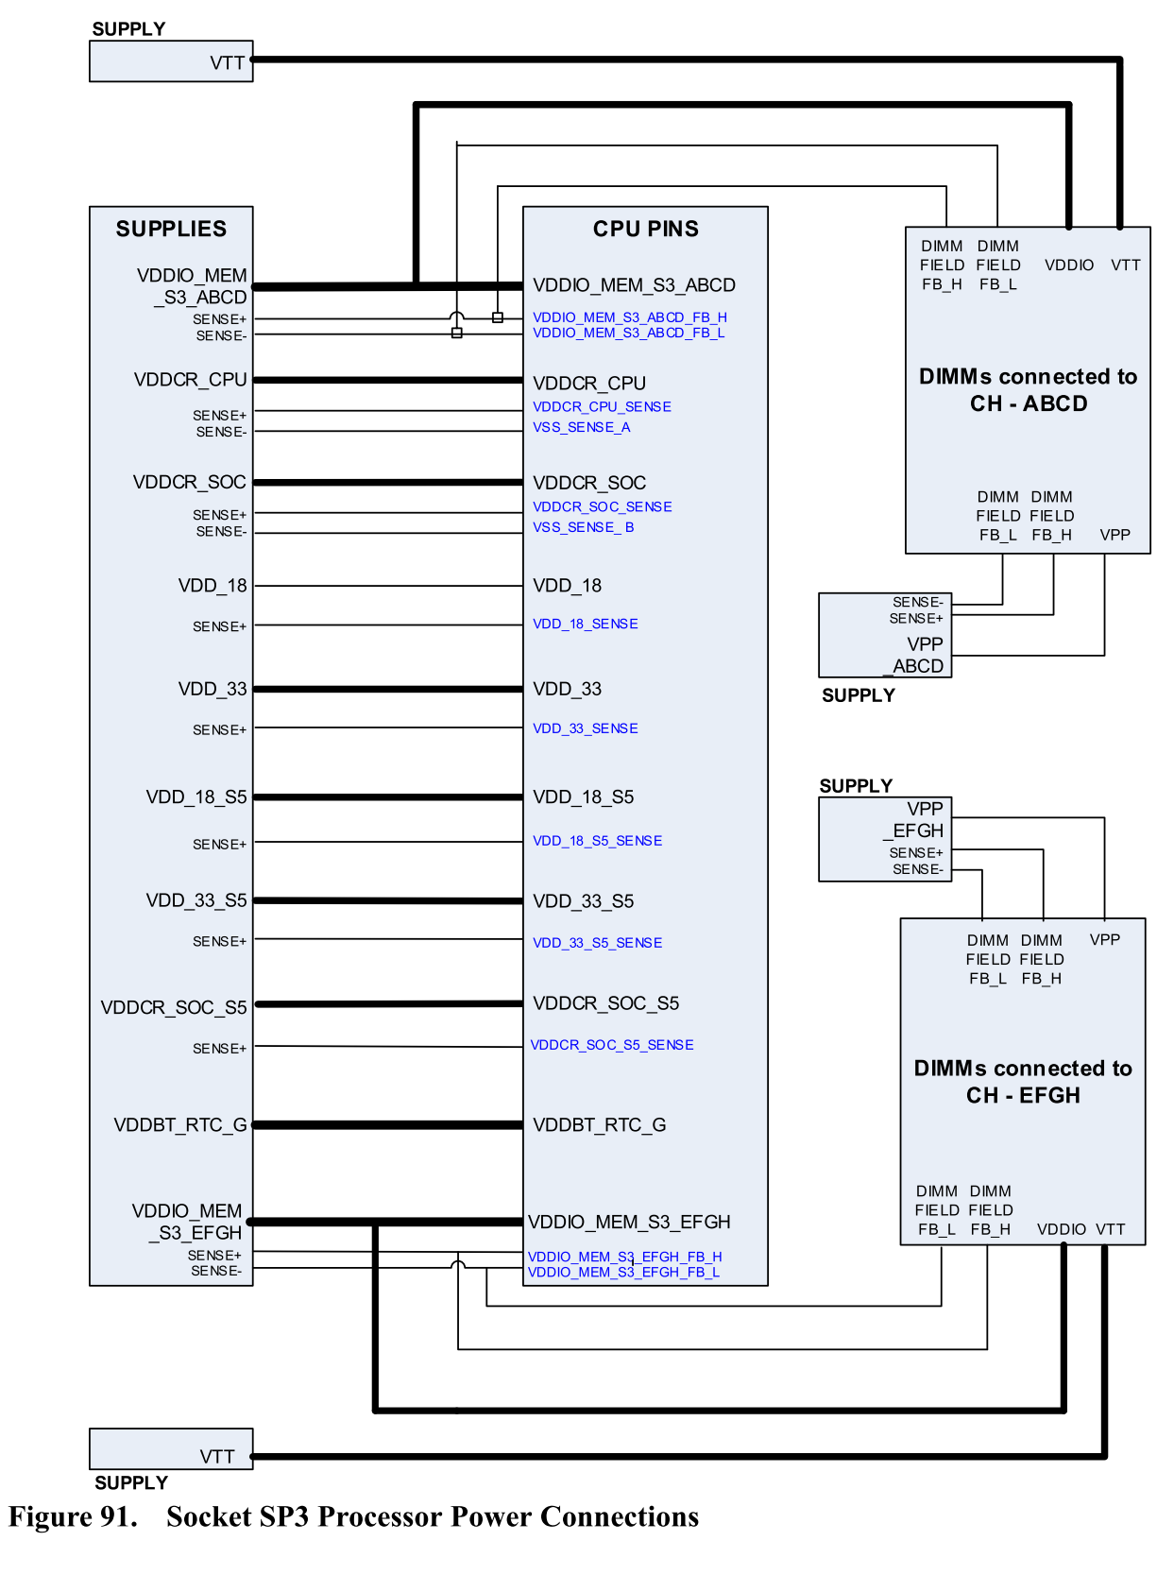

VDD_33_S5 | +3V_AUX
VDD_33 | +3V

