US12 Sprint 3
 | Test Scenarios for SimpCity
 | Test Cases Creation |  |  | System Testing (TDA) |  |  | User Acceptance Testing |  | Team
 | User Stories: | US12 - As a user, I would like to input letter-number pairs in either upper or lowercase so that I do not have to switch to a specific type of lettering casing when I am playing the game. |  | Version Control: | V1 |  | Version Control: | V1 | Scrum Master: | Megan Png
 | Created By: | Hui Ying |  | Tester: | Hui Ying |  | User: | Mr Low | Tech Lead: | Claris
 | Status: | Done |  | Status: | Done |  | Status: | Done | QA: | Hui Ying
 | Dated as of: | 6-Jan-22 |  | Test Date: | 3-Feb-22 |  | UAT Date: | 10-Feb-22 | Developer: | Amanda Chan
 | Reviwed By: |  |  | Reviwed By: |  |  | Reviwed By:
 | Tech Lead | Claris |  | Scrum Master | Megan |  | Scrum Master: | <Signature>
 |  |  |  | Tech Lead | Claris |  | Tech Lead: | Claris
 |  |  |  |  |  |  | QA: | Hui Ying
 |  |  |  |  |  |  | Developer: | Amanda
 | condition to test place a building a the grid | steps
S/NO | Test Scenario | Test Scenario Description | Test Values | Expected Outcome | Boundary? Equivalence? | Functional? Non-Functional? | Pass/ Fail | Actual Outcome | Test Result (Pass / Fail) | Remarks
1 | The user selects the build a building option and selects enter and confirm the decesion on the building type. The message "Build Where?" is prompted, the user enters a desired location using upper case letter for its alphabert and number combination for indication of location. | 1. The users selects a the Start a new game or Load saved game option in the main menu. 2. The user selects option 1 or option 2 in the confiugration menu, e.g. [1. Build a HSE] [2. Build a BCH] 3. The user confirm his or her decsion on the building type. 4. The message "Build Where?" is prompted 5. The user enters a location e.g [B4] 6. The system should accepts the input and a message should bbe prompted to the users to verfiy the location that the user have entered. | Before: The users is in a game and build a building option is selected from the configuration menu, e.g. [Build a HSE] --> Build Where? 1. The user enters the location with a combination of upper letter case alphabet ranging between "A" to "D" with a number ranging between "1" to "4". E.g. [B4] After: A confirmation message will be prompted to the users. | The system accepts the input and a confirmation message willl be prompted to the user to verfiy the location of the building the user has entered to be placed in the 4x4 grid. | Equivalence | Functional | Pass | 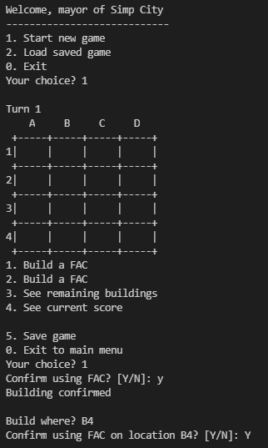 | Pass
2 | The user selects the build a building option and selects enter and confirm the decesion on the building type. The message "Build Where?" is prompted, the user enters a desired location using lower case letter for its alphabert and number combination for indication of location. | 7. The user verifies the location entered. 8. The congifuration menu is being prompted, the user selects option 1 or option 2 in the confiugration menu, e.g. [1. Build a HSE] [2. Build a BCH]. 9. The user confirm his or her decsion on the building type. 10. The message "Build Where?" is prompted 11. The user enters a location e.g [b4] 12. The system should accept the input and a message should be prompted to the users to verfiy the location that the user have entered. | Before: The users is in a game and build a building option is selected from the configuration menu, e.g. [Build a HSE] --> Build Where? 1. The user enters the location with a combination of lower letter case alphabet ranging between "a" to "d" with a number ranging between "1" to "4". E.g. [b4] After: A confirmation message will be prompted to the users. | The system accepts the input and a confirmation message willl be prompted to the user to verfiy the location of the building the user has entered to be placed in the 4x4 grid. | Equivalence | Functional | Pass | 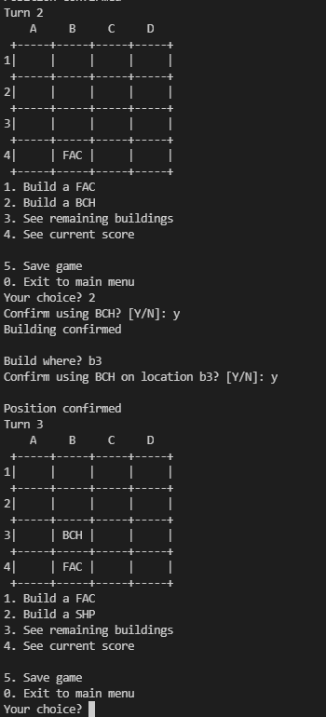 | Pass
 | 2

