US7 Sprint 3
 | Test Scenarios for SimpCity
 | Test Cases Creation |  |  | System Testing (TDA) |  |  | User Acceptance Testing |  | Team
 | User Stories: | US7 - As a user, I want to be given a prompt to verify my decision in choosing a type of building so I do not accidentally choose the type that I do not want. |  | Version Control: | v1 |  | Version Control: | V1 | Scrum Master: | Megan Png
 | Created By: | Hui Ying |  | Tester: | Hui Ying |  | User: | Mr Low | Tech Lead: | Claris
 | Status: | Done |  | Status: | Done |  | Status: | Done | QA: | Hui Ying
 | Dated as of: | 5-Jan-22 |  | Test Date: | 3-Feb-21 |  | UAT Date: |  | Developer: | Amanda Chan
 | Reviwed By: |  |  | Reviwed By: |  |  | Reviwed By:
 | Tech Lead | Claris |  | Scrum Master | Megan |  | Scrum Master: | <Signature>
 |  |  |  | Tech Lead | Claris |  | Tech Lead: | <Signature>
 |  |  |  |  |  |  | QA: | <Signature>

S/NO | Test Scenario | Test Scenario Description | Test Values | Expected Outcome | Boundary? Equivalence? | Functional? Non-Functional? | Pass/ Fail | Actual Outcome | Test Result (Pass / Fail) | Remarks

1 | The user selects the build a building option and selects enter. A message will be prompted to the users to verify the type of building choosen so that the user would not accidentally choose the building he or she do not want. | 1. The user selects option 1 or option 2 in the confiugration menu, e.g. [1. Build a HSE] [2. Build a BCH] 2. A confitmation will appear to prompt the user to verify his or her decision. | Before: The users is in a game and build a building option is selected from the configuration menu, e.g. [1. Build a HSE] --> Your Choice? 1 After: A confirmation message will be prompted to the users. | A confirmation message is be prompted to the users to prompt the user to verfiy their decesion made in choose the type of building to be placed in the 4x4 grid. | Equivalence | Functional | Pass | 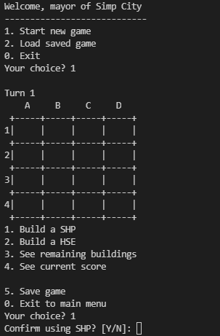 | Pass
2 | The user enter a option that is not within the confiugration menu. A message will be prompted to the users to verify the type of building choosen so that the user would not accidentally choose the building he or she do not want. | 1. The user selects options that are neither option "1" to "5". 2. A error message will appear and "Your Choice?" will be prompted again. | Before: The users is in a game e.g. [6] --> Your Choice? 6 After: A error message will appear and "Your Choice?" will be prompted again. | A error message will appear and "Your Choice?" will be prompted again. | Equivalence | Functional | Fail |  | Fail | Reason: The message "Your Choice" is prompted again, however, error message is not displayed, furthermore, it brings the users to turn 2, the configuration menu is printed again with the 4x4 game grid Developers Respnse: Validation not implemented yet as of sprint 3
3 | The user enter a option that is within the configuration menu not option "1" or "2", e.g [3], [4], [5], [0]. The options will be processed as accordance. | 1. The user selects options that are neither option "1" or"2". 2. The user selects either option "3", "4", "5" or "0". 3. The options will be processed as accordance. | Before: The users is in a game, e.g. [3]] --> Your Choice? 3 After: The options will be processed as accordance. | The options will be processed as accordance. | Equivalence | Functional | Pass | 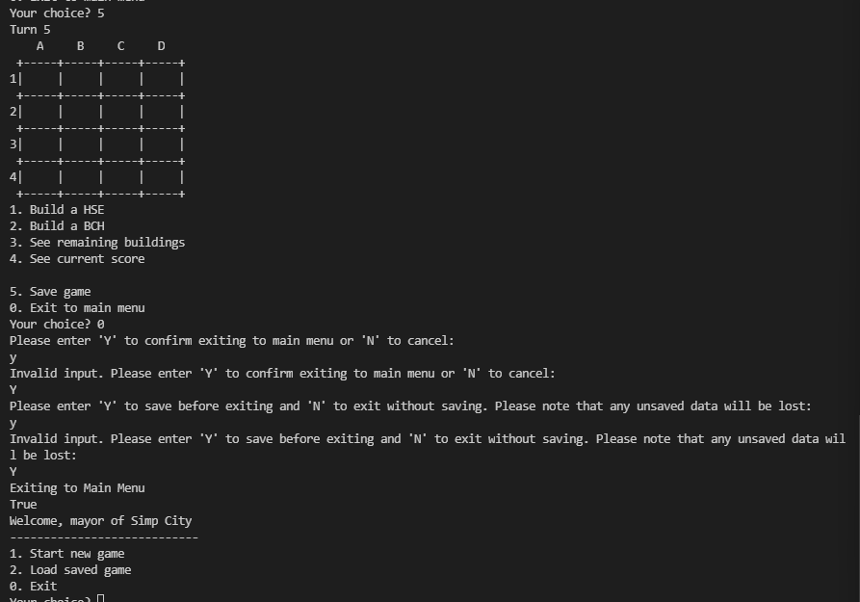 Image | Fail | Reason: When options like 3, 4 and 5 is entered, the program did not trigger the correspoidng feautre that relates to the option, instead, the game grid, configuration menu and the message "Your Choice?" is prompted again. When option "0" is entered, it does being the users back the the main menu which exits the game, however, confirmation message repoinse does not accpet the lower case letter "y Developers Respnse: Validation not implemented yet as of sprint 3

 | Test Scenarios for SimpCity
 | Test Cases Creation |  |  | System Testing (TDA) |  |  | User Acceptance Testing |  | Team
 | Created By: | Hui Ying |  | Tester: | Hui Ying |  | User: | Mr Low | Tech Lead: | Claris
 | Dated as of: | 5-Jan-22 |  | Test Date: | 14-Feb-22 |  | UAT Date: | 14-Feb-22 | Developer: | Amanda Chan
 |  |  |  | Status: | Done |  | Status: | Done
 | Reviwed By: |  |  | Reviwed By: |  |  | Reviwed By:
 | Tech Lead | Claris |  | Scrum Master | <Signature> |  | Scrum Master: | Megan
 |  |  |  | Tech Lead | Claris |  | Tech Lead: | Claris
 |  |  |  |  |  |  | QA: | Hui Ying
 |  |  |  |  |  |  | Developer: | Amanda
Version 2
S/NO | Test Scenario | Test Scenario Description | Test Values | Expected Outcome | Boundary? Equivalence? | Functional? Non-Functional? | Pass/ Fail | Actual Outcome | Test Result (Pass / Fail) | Remarks

1 | The user selects the build a building option and selects enter. A message will be prompted to the users to verify the type of building choosen so that the user would not accidentally choose the building he or she do not want. | 1. The user selects option 1 or option 2 in the confiugration menu, e.g. [1. Build a HSE] [2. Build a BCH] 2. A confitmation will appear to prompt the user to verify his or her decision. | Before: The users is in a game and build a building option is selected from the configuration menu, e.g. [1. Build a HSE] --> Your Choice? 1 After: A confirmation message will be prompted to the users. | A confirmation message is be prompted to the users to prompt the user to verfiy their decesion made in choose the type of building to be placed in the 4x4 grid. | Equivalence | Functional | Pass |  | Pass
2 | The user enter a option that is not within the confiugration menu. A message will be prompted to the users to verify the type of building choosen so that the user would not accidentally choose the building he or she do not want. | 1. The user selects options that are neither option "1" to "5". 2. A error message will appear and "Your Choice?" will be prompted again. | Before: The users is in a game e.g. [6] --> Your Choice? 6 After: A error message will appear and "Your Choice?" will be prompted again. | A error message will appear and "Your Choice?" will be prompted again. | Equivalence | Functional | Fail |  | Pass
3 | The user enter a option that is within the configuration menu not option "1" or "2", e.g [3], [4], [5], [0]. The options will be processed as accordance. | 1. The user selects options that are neither option "1" or"2". 2. The user selects either option "3", "4", "5" or "0". 3. The options will be processed as accordance. | Before: The users is in a game, e.g. [3]] --> Your Choice? 3 After: The options will be processed as accordance. | The options will be processed as accordance. | Equivalence | Functional | Pass | 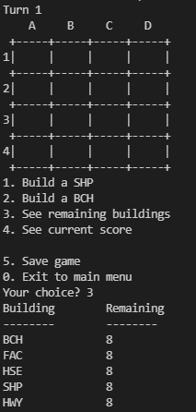 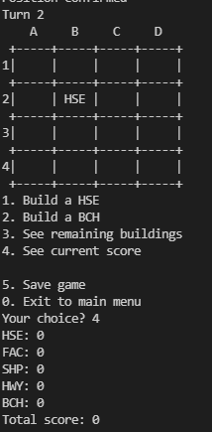 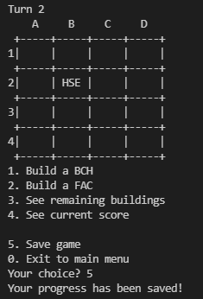 Image | Pass

