US18 Sprint 3
 | Test Scenarios for SimpCity
 | Test Cases Creation |  |  | System Testing (TDA) |  |  | User Acceptance Testing |  | Team
 | User Stories: | US18 - As a user, I want to confirm exiting the game so that I don’t accidentally lose the save file. |  | Version Control: | V1 |  | Version Control: | V1 | Scrum Master: | Megan Png
 | Created By: | Hui Ying |  | Tester: | Hui Ying |  | User: | Hui Ying | Tech Lead: | Claris
 | Status: | Done |  | Status: | Done |  | Status: | Pending | QA: | Hui Ying
 | Dated as of: | 11-Jan-22 |  | Test Date: | 3-Feb-22 |  | UAT Date: |  | Developer: | Amanda Chan
 | Reviwed By: |  |  | Reviwed By: |  |  | Reviwed By:
 | Tech Lead | Claris |  | Scrum Master | Megan |  | Scrum Master: | <Signature>
 |  |  |  | Tech Lead | Claris |  | Tech Lead: | <Signature>
 |  |  |  |  |  |  | QA: | <Signature>

S/NO | Test Scenario | Test Scenario Description | Test Values | Expected Outcome | Boundary? Equivalence? | Functional? Non-Functional? | Pass/ Fail | Actual Outcome | Test Result (Pass / Fail) | Remarks
1 | The user has started or load a save game, and is currently in a game. The user did not save the game progress, the users selects "0" and exits the game. | 1. The users selects a the Start a new game or Load saved game option in the main menu. 2. The users starts to play the game by building a new building or check remaining buildings or check current score. 3. The user selects "0" from the configuration menu to exit to the main menu and cofirms exting the configuration menu | Before: The user is currently in a game
 |  |  | Before: The gamep rogress is not saved before exiting the game 1. The message "Your Choice?" is prompted and the users enters "0" from the selection in the configuration menu After: --> Your Choice? 0 1.1 “Please enter 'Y' to confirm exiting to main menu or 'N' to cancel: Y” 1.2 "Please enter 'Y' to save before exiting and 'N' to exit without saving. Please note that any unsaved data will be lost: " | A message should be prompted to remind the users to save the game and confirm the user's the decesion in exiting the game | Boundary | Functional | Pass | 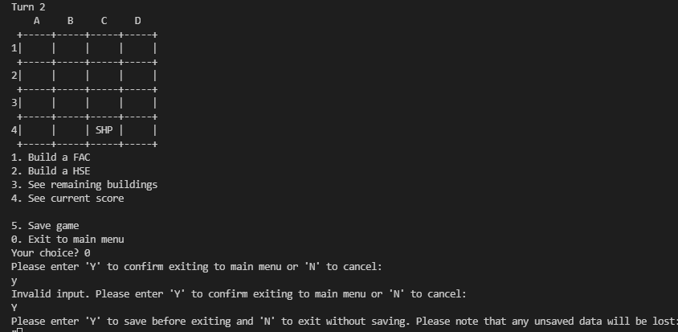 | Pass
2 | The user has started or load a save game, and is currently in a game. The user saves the game progress and selects "0" and exits the game | 1. The users selects a the Start a new game or Load saved game option in the main menu. 2. The users starts to play the game by building a new building or check remaining buildings or check current score. 3. The users selects option "5" from the configuration menu to save the game. 4. The user selects "0" from the configuration menu to exit the game | Before: Game progress is saved before exiting the game 1. The message "Your Choice?" is prompted and the users enters "0" from the selection in the configuration menunetsp After: --> Your Choice? 0 1.1 “Please enter 'Y' to confirm exiting to main menu or 'N' to cancel: Y” 1.2 The user exits the game | A message is prompted to cionfirm the user decsion on exiting the game. Once confirm, the user will exit the game and return back to the main menu. |  |  | Pass | 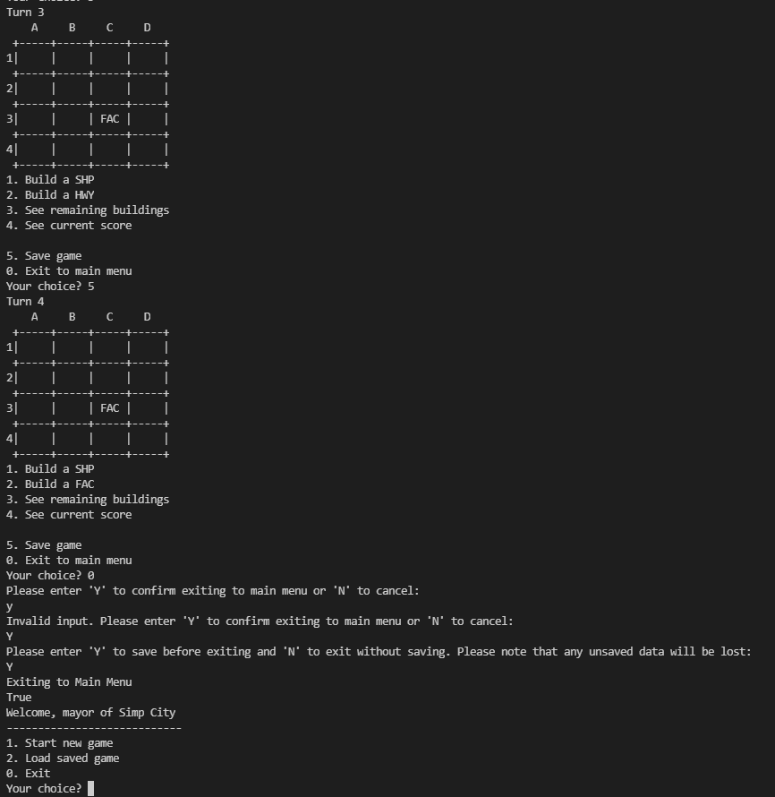 | Fail | Reason: Save the game feature in option 5 is not implemented in Sprint 3 yet, hence, unable to perform the test. Developers Response: Option 5, save game feature will be implemented in Sprint 5
3 | The user has started or load a save game, and is currently in a game. The user saves the game progress and selects "0" and exits the game | 1. The users selects a the Start a new game or Load saved game option in the main menu. 2. The users starts to play the game by building a new building or check remaining buildings or check current score. 4. The user selects "0" from the configuration menu to exit the game | 1. The message "Your Choice?" is prompted and the users enters "0" from the selection in the configuration menune After: The user returns back to the main menu | A message did not appear to reconfirm the users decesion and returns back to the main menu |  |  | Fail | 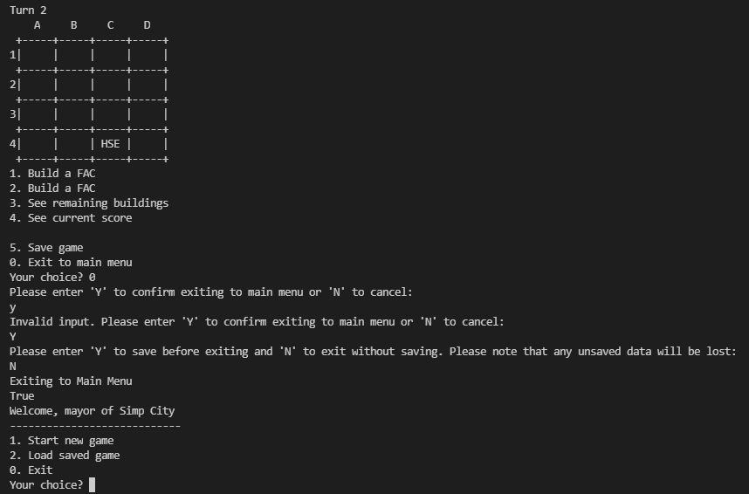 | Fail | Reason: Save the game feature in option 5 is not implemented in Sprint 3 yet, hence, unable to perofrmo test. Developers Response: Option 5, save game feature will be implemented in Sprint 6

 | Test Cases Creation |  |  | System Testing (TDA) |  |  | User Acceptance Testing |  | Team
 | User Stories: | US18 - As a user, I want to confirm exiting the game so that I don’t accidentally lose the save file. |  | Version Control: | V2 |  | Version Control: | V1 | Scrum Master: | Megan Png
 | Created By: | Hui Ying |  | Tester: | Hui Ying |  | User: | Hui Ying | Tech Lead: | Claris
 | Status: | Done |  | Status: | Done |  | Status: | 14-Feb-22 | QA: | Hui Ying
 | Dated as of: | 11-Jan-22 |  | Test Date: | 14-Feb-22 |  | UAT Date: | 14-Feb-22 | Developer: | Amanda Chan
 | Reviwed By: |  |  | Reviwed By: |  |  | Reviwed By:
 | Tech Lead | Claris |  | Scrum Master | Megan |  | Scrum Master: | Megan Png
 |  |  |  | Tech Lead | Claris |  | Tech Lead: | Claris
 |  |  |  |  |  |  | QA: | Hui Ying
 |  |  |  |  |  |  | Developer: | Amanda Chan

S/NO | Test Scenario | Test Scenario Description | Test Values | Expected Outcome | Boundary? Equivalence? | Functional? Non-Functional? | Pass/ Fail | Actual Outcome | Test Result (Pass / Fail) | Remarks
1 | The user has started or load a save game, and is currently in a game. The user did not save the game progress, the users selects "0" and exits the game. | 1. The users selects a the Start a new game or Load saved game option in the main menu. 2. The users starts to play the game by building a new building or check remaining buildings or check current score. 3. The user selects "0" from the configuration menu to exit to the main menu and cofirms exting the configuration menu | Before: The user is currently in a game
 |  |  | Before: The gamep rogress is not saved before exiting the game 1. The message "Your Choice?" is prompted and the users enters "0" from the selection in the configuration menu After: --> Your Choice? 0 1.1 “Please enter 'Y' to confirm exiting to main menu or 'N' to cancel: Y” 1.2 "Please enter 'Y' to save before exiting and 'N' to exit without saving. Please note that any unsaved data will be lost: " | A message should be prompted to remind the users to save the game and confirm the user's the decesion in exiting the game | Boundary | Functional | Pass |  | Pass
2 | The user has started or load a save game, and is currently in a game. The user saves the game progress and selects "0" and exits the game | 1. The users selects a the Start a new game or Load saved game option in the main menu. 2. The users starts to play the game by building a new building or check remaining buildings or check current score. 3. The users selects option "5" from the configuration menu to save the game. 4. The user selects "0" from the configuration menu to exit the game | Before: Game progress is saved before exiting the game 1. The message "Your Choice?" is prompted and the users enters "0" from the selection in the configuration menunetsp After: --> Your Choice? 0 1.1 “Please enter 'Y' to confirm exiting to main menu or 'N' to cancel: Y” 1.2 The user exits the game | A message is prompted to cionfirm the user decsion on exiting the game. Once confirm, the user will exit the game and return back to the main menu. |  |  | Pass | 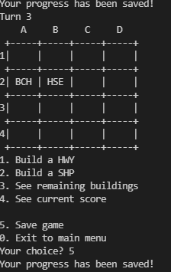 | Pass
3 | The user has started or load a save game, and is currently in a game. The user saves the game progress and selects "0" and exits the game | 1. The users selects a the Start a new game or Load saved game option in the main menu. 2. The users starts to play the game by building a new building or check remaining buildings or check current score. 4. The user selects "0" from the configuration menu to exit the game | 1. The message "Your Choice?" is prompted and the users enters "0" from the selection in the configuration menune After: The user returns back to the main menu | A message did not appear to reconfirm the users decesion and returns back to the main menu |  |  | Fail |  | Pass

