US4 Sprint 4
 | Test Scenarios for SimpCity
 | Test Cases Creation |  |  | System Testing (TDA) |  |  | User Acceptance Testing |  | Team
 | User Stories: | US4 - As a user, I want to be able to select the "Exit" option from the main menu so that I can end the program. |  | Version Control: | V1 |  | Version Control: | V1 | Scrum Master: | Megan Png
 | Created By: | Hui Ying |  | Tester: | Hui Ying |  | User: | Mr Low | Tech Lead: | Claris
 | Status: | Done |  | Status: | In Progress |  | Status: | Done | QA: | Hui Ying
 | Dated as of: | 26-Jan-22 |  | Test Date: | 13-Feb-22 |  | UAT Date: | 14-Feb-22 | Developer: | Amanda Chan
 | Reviwed By: |  |  | Reviwed By: |  |  | Reviwed By:
 | Tech Lead | Claris |  | Scrum Master | Megan |  | Scrum Master: | Megan Png
 |  |  |  | Tech Lead | claris |  | Tech Lead: | Claris
 |  |  |  |  |  |  | QA: | Hui Ying
 |  |  |  |  |  |  |  | Amanda Chan

S/NO | Test Scenario | Test Scenario Description | Test Values | Expected Outcome | Boundary? Equivalence? | Functional? Non-Functional? | Pass/ Fail | Actual Outcome | Test Result (Pass / Fail) | Remarks
1 | The user has run the program and the main menu is displayed to the users. The users would like to exit the program by selecting the option "0. Exit:" to exit the program. | 1. The user selects the option "0, Exit" 2. The user exits the program and nothing will be displayed in the terminal | Before: The users has starts the program and the main menu is display
 |  |  | 1. The user selects the option "0, Exit" 2. The user exits the program and nothing will be displayed in the terminal | The user exits the program, the main menu will stop printing. The users will not see anything printed in the terminal | Equivalence |  | Pass | 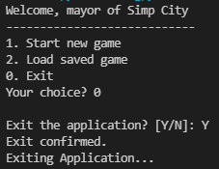 There is an confirmation message that reconfirm the users decesion to exit the program, once the users confirm exiting the main menu, the message "Exiting Application will be printed. | Pass
2 | The user has run the program The users wants to exit the program but selects an option that is not in the main menu to exit the program | 1. When the message "Your Choice? " is prompted the users enter a value that is not in the main menu. "Your Choice? aa" 2. An error message will be displayed to the users to the notify the users of an invalid input and the message "Your Choice? will be prompted again. | 1. The user enters an option that is not in the main menu. "Your Choice? aaa" 2. An error message will be displayed to the users to the notify the users of an invalid input and the message "Your Choice? will be prompted again. | An error message will be displayed to the users to the notify the users of an invalid input and the message "Your Choice? will be prompted again. | Boundary | Functional | Fail | 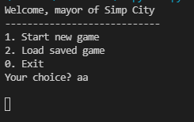 | Fail | Reason: When enter an input that is not within the main menu, the program run into error Developer's response: Validation did not coverage the test cases fully
3 | The users enters a option that is in within the main menu but did not select the "option 0, Exit". | 1. When the message "Your Choice? " is prompted the users enter a value that in the main menu. "Your Choice? 1" 2. The program will process the options as accordance | 1. When the message "Your Choice? " is prompted the users enter a value that in the main menu. "Your Choice? 1" 2. The program will process the options as accordance E.g. "Your Choice? 1" 3. The users will start a new game, the configure menu will be printed and the message "Your Choice? will be prompted again. | The options entered will be processed accordingly E.g "Your Choice? 1" The configure menu will be printed and the mesage "Your Choice? will be prompted again. |  | Functional | Pass | 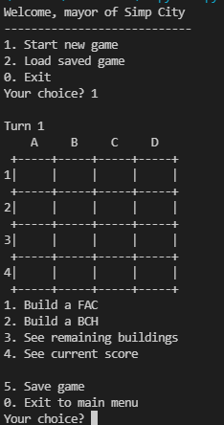 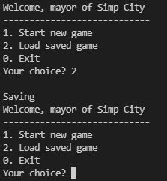 | Fail | Reason: When option "2" is entered in the main menu, the game is not loaded Developer's response: Option "2" is not implemented in Sprint 4

 | Test Cases Creation |  |  | System Testing (TDA) |  |  | User Acceptance Testing |  | Team
 | User Stories: | US4 - As a user, I want to be able to select the "Exit" option from the main menu so that I can end the program. |  | Version Control: | V1 |  | Version Control: | V1 | Scrum Master: | Megan Png
 | Created By: | Hui Ying |  | Tester: | Hui Ying |  | User: |  | Tech Lead: | Claris
 | Status: | Done |  | Status: | Done |  | Status: |  | QA: | Hui Ying
 | Dated as of: | 26-Jan-21 |  | Test Date: | 14-Feb-21 |  | UAT Date: |  | Developer: | Amanda Chan
 | Reviwed By: |  |  | Reviwed By: |  |  | Reviwed By:
 | Tech Lead | Claris |  | Scrum Master | <Signature> |  | Scrum Master: | <Signature>
 |  |  |  | Tech Lead | <Signature> |  | Tech Lead: | <Signature>
 |  |  |  |  |  |  | QA: | <Signature>

S/NO | Test Scenario | Test Scenario Description | Test Values | Expected Outcome | Boundary? Equivalence? | Functional? Non-Functional? | Pass/ Fail | Actual Outcome | Test Result (Pass / Fail) | Remarks
1 | The user has run the program and the main menu is displayed to the users. The users would like to exit the program by selecting the option "0. Exit:" to exit the program. | 1. The user selects the option "0, Exit" 2. The user exits the program and nothing will be displayed in the terminal | Before: The users has starts the program and the main menu is display
 |  |  | 1. The user selects the option "0, Exit" 2. The user exits the program and nothing will be displayed in the terminal | The user exits the program, the main menu will stop printing. The users will not see anything printed in the terminal | Equivalence | Functional | Pass | There is an confirmation message that reconfirm the users decesion to exit the program, once the users confirm exiting the main menu, the message "Exiting Application will be printed. | Pass
2 | The user has run the program The users wants to exit the program but selects an option that is not in the main menu to exit the program | 1. When the message "Your Choice? " is prompted the users enter a value that is not in the main menu. "Your Choice? aa" 2. An error message will be displayed to the users to the notify the users of an invalid input and the message "Your Choice? will be prompted again. | 1. The user enters an option that is not in the main menu. "Your Choice? aaa" 2. An error message will be displayed to the users to the notify the users of an invalid input and the message "Your Choice? will be prompted again. | An error message will be displayed to the users to the notify the users of an invalid input and the message "Your Choice? will be prompted again. | Boundary | Functional | Fail | 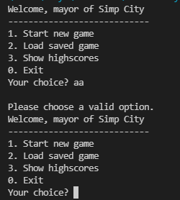 | Pass
3 | The users enters a option that is in within the main menu but did not select the "option 0, Exit". | 1. When the message "Your Choice? " is prompted the users enter a value that in the main menu. "Your Choice? 1" 2. The program will process the options as accordance | 1. When the message "Your Choice? " is prompted the users enter a value that in the main menu. "Your Choice? 1" 2. The program will process the options as accordance E.g. "Your Choice? 1" 3. The users will start a new game, the configure menu will be printed and the message "Your Choice? will be prompted again. | The options entered will be processed accordingly E.g "Your Choice? 1" The configure menu will be printed and the mesage "Your Choice? will be prompted again. |  | Functional | Pass | 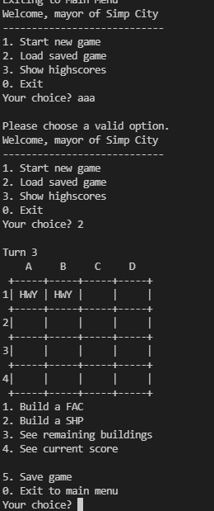 | Pass

