US17 Sprint 3 (2)
 | Test Scenarios for SimpCity
 | Test Cases Creation |  |  | System Testing (TDA) |  |  | User Acceptance Testing |  | Team
 | User Stories: | US17 - As a user, I want to be able to leave the main menu at any point during the 16 rounds. |  | Version Control: | V1 |  | Version Control: | V1 | Scrum Master: | Megan Png
 | Created By: | Hui Ying |  | Tester: | Hui Ying |  | User: | Mr Low | Tech Lead: | Claris
 | Status: | Done |  | Status: | In Progress |  | Status: | Pending | QA: | Hui Ying
 | Dated as of: | 6-Jan-22 |  | Test Date: | 3-Feb-22 |  | UAT Date: |  | Developer: | Amanda Chan
 | Reviwed By: |  |  | Reviwed By: |  |  | Reviwed By:
 | Tech Lead | Claris |  | Scrum Master | <Signature> |  | Scrum Master: | <Signature>
 |  |  |  | Tech Lead | <Signature> |  | Tech Lead: | <Signature>
 |  |  |  |  |  |  | QA: | <Signature>

S/NO | Test Scenario | Test Scenario Description | Test Values | Expected Outcome | Boundary? Equivalence? | Functional? Non-Functional? | Pass/ Fail | Actual Outcome | Test Result (Pass / Fail) | Remarks
1 | The user is currently in a game and wants to exit the game, hence the option "0" is selected from the configurayion to exit to the main meu | 1. The user selects the number "0" from the configuration menu when the message "Your Choice" is prompted. 2. The user enters the option number "0" to exit to the main menuu | Before: The users is in a game
 |  |  | --> Your Choice? 1. The user enters the integer "0" when the message "Your Choice is prompted. 1.1 Please enter 'Y' to confirm exiting to main menu or 'N' to cancel: Y The users enters Y or N 1.2 Please enter 'Y' to save before exiting and 'N' to exit without saving. Please note that any unsaved data will be lost: Y or N After: Your Choice? 0 | The user return back to the main menu | Boundary | Functional | Pass | 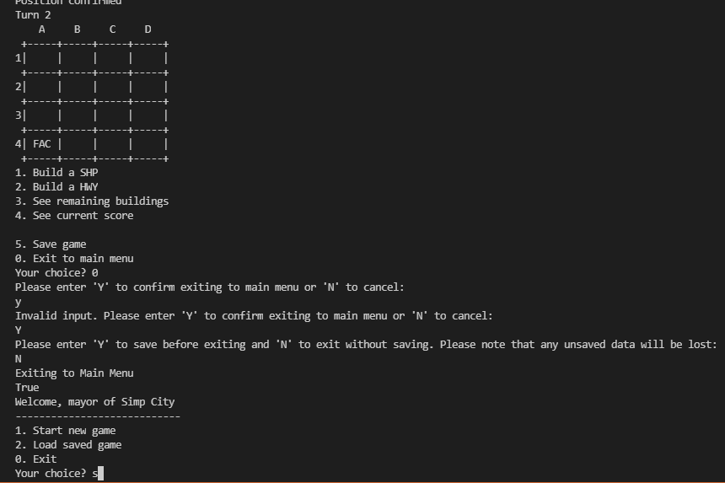 | Pass
2 | The user is currently in a game and wants to exit the game, the user enters the option that is not a numeric integer. | 1. The user enters a value that is not a numeric integer when the message "Your Choice" is prompted. | --> Your Choice? 1. The user a value that is not a numeric interger when the message "Your Choice is prompted. After: Your Choice? Dd | The user did not return back to the main menu and an error message will appear to remind the user an invalid input is entered | Boundary | Functional | Fail | 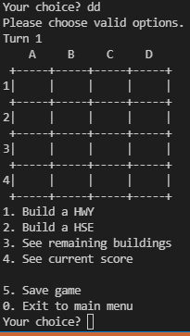 | Pass
3 | The user is currently in a game and wants to exit the game, the user enters the option that is not the numeric integer "0", bur ranges between "1" to "5" | 1. The user enters a value that is not a numeric integer but ranges between "1" to "5" when the message "Your Choice" is prompted. | --> Your Choice? 1. The user a value that ragnes between the number integer "1" to "5" when the message "Your Choice is prompted. After: Your Choice? 3 | The user will not return back to the main menu, instead the user will be viewing the remaining buildings left in the game. | Boundary | Functional | Pass | 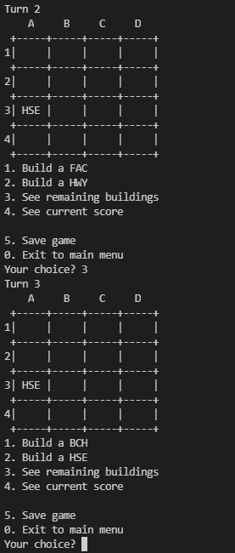 | Fail | Reason: Since the feature is not being implemented, the user is unable to trigger the correspoidng feautre that relates to the option, instead, the game grid, configuration menu and the message "Your Choice?" is prompted again. Developers Response:

US17 Sprint 3
 | Test Scenarios for SimpCity
 | Test Cases Creation |  |  | System Testing (TDA) |  |  | User Acceptance Testing |  | Team
 | User Stories: | US17 - As a user, I want to be able to leave the main menu at any point during the 16 rounds. |  | Version Control: | V1 |  | Version Control: | V1 | Scrum Master: | Megan Png
 | Created By: | Hui Ying |  | Tester: | Hui Ying |  | User: | Mr Low | Tech Lead: | Claris
 | Status: | Done |  | Status: | In Progress |  | Status: | Done | QA: | Hui Ying
 | Dated as of: | 6-Jan-22 |  | Test Date: | 3-Feb-22 |  | UAT Date: | 14-Feb-22 | Developer: | Amanda Chan
 | Reviwed By: |  |  | Reviwed By: |  |  | Reviwed By:
 | Tech Lead | Claris |  | Scrum Master | Megan |  | Scrum Master: | Megan Png
 |  |  |  | Tech Lead | Claris |  | Tech Lead: | Claris
 |  |  |  |  |  |  | QA: | Hui Ying
 |  |  |  |  |  |  | Developer: | Amanda Chan

S/NO | Test Scenario | Test Scenario Description | Test Values | Expected Outcome | Boundary? Equivalence? | Functional? Non-Functional? | Pass/ Fail | Actual Outcome | Test Result (Pass / Fail) | Remarks
1 | The user is currently in a game and wants to exit the game, hence the option "0" is selected from the configurayion to exit to the main meu | 1. The user selects the number "0" from the configuration menu when the message "Your Choice" is prompted. 2. The user enters the option number "0" to exit to the main menuu | Before: The users is in a game
 |  |  | --> Your Choice? 1. The user enters the integer "0" when the message "Your Choice is prompted. 1.1 Please enter 'Y' to confirm exiting to main menu or 'N' to cancel: Y The users enters Y or N 1.2 Please enter 'Y' to save before exiting and 'N' to exit without saving. Please note that any unsaved data will be lost: Y or N After: Your Choice? 0 | The user return back to the main menu | Boundary | Functional | Pass |  | Pass
2 | The user is currently in a game and wants to exit the game, the user enters the option that is not a numeric integer. | 1. The user enters a value that is not a numeric integer when the message "Your Choice" is prompted. | --> Your Choice? 1. The user a value that is not a numeric interger when the message "Your Choice is prompted. After: Your Choice? Dd | The user did not return back to the main menu and an error message will appear to remind the user an invalid input is entered | Boundary | Functional | Fail |  | Pass
3 | The user is currently in a game and wants to exit the game, the user enters the option that is not the numeric integer "0", bur ranges between "1" to "5" | 1. The user enters a value that is not a numeric integer but ranges between "1" to "5" when the message "Your Choice" is prompted. | --> Your Choice? 1. The user a value that ragnes between the number integer "1" to "5" when the message "Your Choice is prompted. After: Your Choice? 3 | The user will not return back to the main menu, instead the user will be viewing the remaining buildings left in the game. | Boundary | Functional | Pass |  | Fail | Since, option "3. See remaining building" option "4. See current score" and "5. Save game" is not implemented as of Sprint 4, another another round of testing will be done once US15 check current score and US2 & 16 is implemented, US14, Check remaining building left.

 | Test Cases Creation |  |  | System Testing (TDA) |  |  | User Acceptance Testing |  | Team
 | User Stories: | US17 - As a user, I want to be able to leave the main menu at any point during the 16 rounds. |  | Version Control: | V1 |  | Version Control: | V1 | Scrum Master: | Megan Png
 | Created By: | Hui Ying |  | Tester: | Hui Ying |  | User: | Mr Low | Tech Lead: | Claris
 | Status: | Done |  | Status: | Done |  | Status: | Pending | QA: | Hui Ying
 | Dated as of: | 6-Jan-22 |  | Test Date: | 14-Feb-22 |  | UAT Date: |  | Developer: | Amanda Chan
 | Reviwed By: |  |  | Reviwed By: |  |  | Reviwed By:
 | Tech Lead | Claris |  | Scrum Master | <Signature> |  | Scrum Master: | <Signature>
 |  |  |  | Tech Lead | <Signature> |  | Tech Lead: | <Signature>
 |  |  |  |  |  |  | QA: | <Signature>

S/NO | Test Scenario | Test Scenario Description | Test Values | Expected Outcome | Boundary? Equivalence? | Functional? Non-Functional? | Pass/ Fail | Actual Outcome | Test Result (Pass / Fail) | Remarks
1 | The user is currently in a game and wants to exit the game, hence the option "0" is selected from the configurayion to exit to the main meu | 1. The user selects the number "0" from the configuration menu when the message "Your Choice" is prompted. 2. The user enters the option number "0" to exit to the main menuu | Before: The users is in a game
 |  |  | --> Your Choice? 1. The user enters the integer "0" when the message "Your Choice is prompted. 1.1 Please enter 'Y' to confirm exiting to main menu or 'N' to cancel: Y The users enters Y or N 1.2 Please enter 'Y' to save before exiting and 'N' to exit without saving. Please note that any unsaved data will be lost: Y or N After: Your Choice? 0 | The user return back to the main menu | Boundary | Functional | Pass |  | Pass
2 | The user is currently in a game and wants to exit the game, the user enters the option that is not a numeric integer. | 1. The user enters a value that is not a numeric integer when the message "Your Choice" is prompted. | --> Your Choice? 1. The user a value that is not a numeric interger when the message "Your Choice is prompted. After: Your Choice? Dd | The user did not return back to the main menu and an error message will appear to remind the user an invalid input is entered | Boundary | Functional | Fail |  | Pass
3 | The user is currently in a game and wants to exit the game, the user enters the option that is not the numeric integer "0", bur ranges between "1" to "5" | 1. The user enters a value that is not a numeric integer but ranges between "1" to "5" when the message "Your Choice" is prompted. | --> Your Choice? 1. The user a value that ragnes between the number integer "1" to "5" when the message "Your Choice is prompted. After: Your Choice? 3 | The user will not return back to the main menu, instead the user will be viewing the remaining buildings left in the game. | Boundary | Functional | Pass | 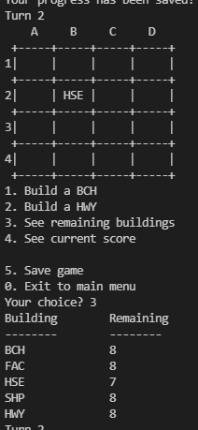 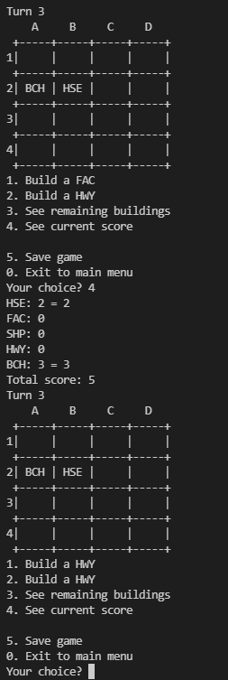 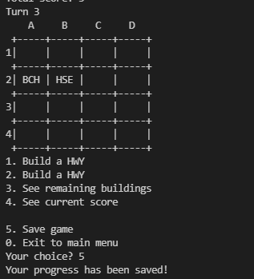 | Pass

