US15 Sprint 4
 | Test Scenarios for SimpCity
 | Test Cases Creation |  |  | System Testing (TDA) |  |  | User Acceptance Testing |  | Team
 | User Stories: | US15 - As a user, I want to be able to see my current score during the 16 rounds to see how much score I have accumulated to plan my next moves. |  | Version Control: | V1 |  | Version Control: | V1 | Scrum Master: | Megan Png
 | Created By: | Hui Ying |  | Tester: | Hui Ying |  | User: | Mr Low | Tech Lead: | Claris
 | Status: | Done |  | Status: | Done |  | Status: | Done | QA: | Hui Ying
 | Dated as of: | 30-Jan-22 |  | Test Date: | 14-Feb-22 |  | UAT Date: | 14-Feb-22 | Developer: | Amanda Chan
 | Reviwed By: |  |  | Reviwed By: |  |  | Reviwed By:
 | Tech Lead | Claris |  | Scrum Master | Megan |  | Scrum Master: | Megan
 |  |  |  | Tech Lead | Claris |  | Tech Lead: | Claris
 |  |  |  |  |  |  | QA: | Hui Ying
 |  |  |  |  |  |  | Developer; | Amanda

S/NO | Test Scenario | Test Scenario Description | Test Values | Expected Outcome | Boundary? Equivalence? | Functional? Non-Functional? | Pass/ Fail | Actual Outcome | Test Result (Pass / Fail) | Remarks
1 | The users selects the option "4". See current score" in the configuration menu to check how much score the users have accmulated so that the users can plan the next move. | 1.The user selects the option "4. See current score" in the configuration menu to check the current score accumulated and the current score will be displayed to them. | Before: The users is in the game
 |  |  | "1. The user selects the option""4. See current score"" in the configuration menu to check the current score accumulated. 2. The current score accumulated by the users is displayed to the users. | The current score accumulated by the users is displayed. The 4x4 game grid along with the configuration menu and the message "Your Choice?" is prompted to the users. | Boundary | Functional | Pass | 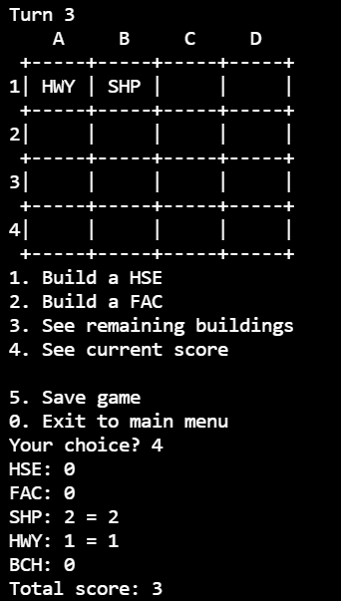 | Pass
2 | The users enters an option that is within the configuration menu instead of the the option "4. See current score" when the message "Your Choice?" is prompted. | 1. The user selects either option "0" to "3" or "5" that is within the configuration menu, instead of the option 4. | 1. The user selects either option 0" to "3" or "5" that is within the configuration menu, instead of the option 4. --> Your Choice? 4 | The program will be processed accordingly E,g, Your Chioice? 1 Confirm using HWY? [Y/N]: |  |  | Pass | 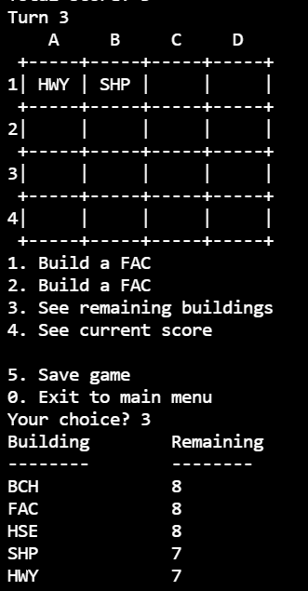 | Pass
3 | The users enters an input that is not within the configuration that is in the range of "0" and "3" and "5" when the message "Your Choice?" is prompted. | 1. The users enters an input that is not in the configuration menu that is within the range of "0" and "3" and "5" " when the message "Your Choice?" is prompted. | 1. TThe users enters an input that is not in the configuration menu that is within the range of "0" and "3" and "5" " when the message "Your Choice?" is prompted. --> Your Choice? aad | An error message "Please choose valid options" will be printed and displayed to the users to remind the users to enter a value that is within the cofiguration menu. The 4x4 game grid along with the configuration menu will be printed again and the message "Your Choice?" is prompted again. |  |  | Fail | 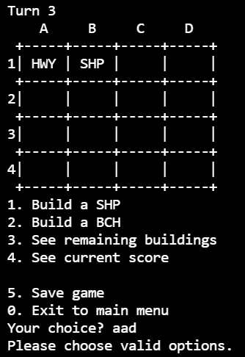 | Pass
4 | Do not have a score

