US6 Sprint 3
 | Test Scenarios for SimpCity
 | Test Cases Creation |  |  | System Testing (TDA) |  |  | User Acceptance Testing |  | Team
 | User Stories: | US6 - As a user, I want to be able to see my building that I have placed being displayed so that I have a visual representation of where my buildings are. |  | Version Control: | V1 |  | Version Control: | V1 | Scrum Master: | Megan Png
 | Created By: | Hui Ying |  | Tester: | Hui Ying |  | User: | Mr Low | Tech Lead: | Claris
 | Status: | Done |  | Status: | Done |  | Status: | In Progress | QA: | Hui Ying
 | Dated as of: | 18-Jan-22 |  | Test Date: | 3-Feb-21 |  | UAT Date: | 10-Feb-21 | Developer: | Amanda Chan
 | Reviwed By: |  |  | Reviwed By: |  |  | Reviwed By:
 | Tech Lead | Claris |  | Scrum Master | Megan |  | Scrum Master: | <Signature>
 |  |  |  | Tech Lead | Claris |  | Tech Lead: | Claris
 |  |  |  |  |  |  | QA: | Hui Ying
 |  |  |  |  |  |  | Developer: | Amanda
 | condition to test place a building a the grid | steps |  |  |  |  |  | Amanda
S/NO | Test Scenario | Test Scenario Description | Test Values | Expected Outcome | Boundary? Equivalence? | Functional? Non-Functional? | Pass/ Fail | Actual Outcome | Test Result (Pass / Fail) | Remarks
1 | A combination of lower letter case alphabet and a number is inputted by the users. The alphbert entered by the user is not between "a" to "d" or the number entered is not ranging between "1" to "4". | Before: The users is in a game and build a building option is selected from the configuration menu, e.g. [Build a HSE] --> Build Where? |  |  | Boundary | Functional | Fail
 |  | 1. The user selects the option of either "1" or "2" in the configuration menu to build a building 2.The user enters the location with a combination of lower letter case alphabet and a number. The letter is not between "a" to "d" or the number is not ranging between "1" to "4" . E.g. [a9] or [z1] | 1. The user enters the location with a combination of lower letter case alphabet and a number. The letter is not between "a" to "d" or the number is not ranging between "1" to "4" . E.g. [a9] or [z1] After: Building name did not appear in the position inputted | An error message is displayed to remind the user to input the correction positioning location |  |  |  | 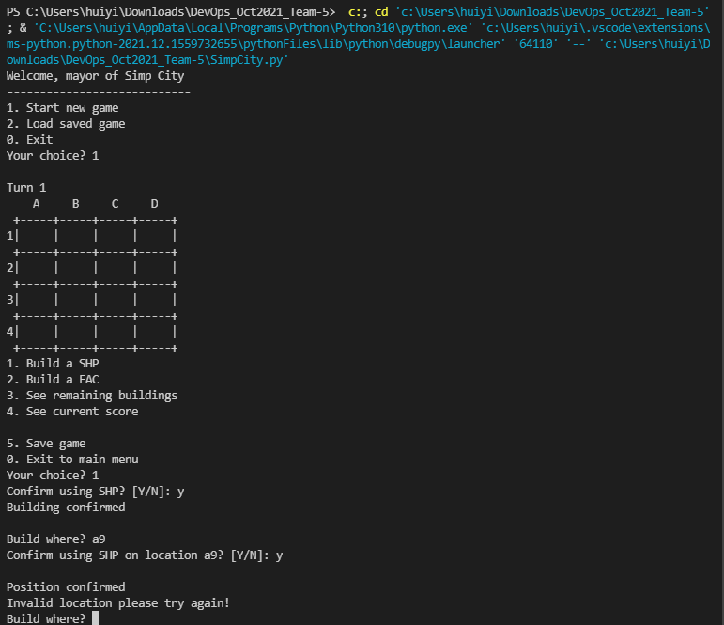 | Pass
2 | A combination of lower letter case alphabet and a number ranging between "a" to "d" and a number ranging between "1" to "4" is inputted by the user | 3. The user enters the location with a combination of lower letter case alphabet ranging between "a" to "d" with a number ranging between "1" to "4". E.g. [a4] | 1. The user enters the location with a combination of lower letter case alphabet ranging between "a" to "d" and a number ranging between "1" to "4". E.g. [a4] After: Building name appear in the position inputted of the 4x4 board | The user sees the building name displayed in the grid of the position they indicated |  |  | Pass | 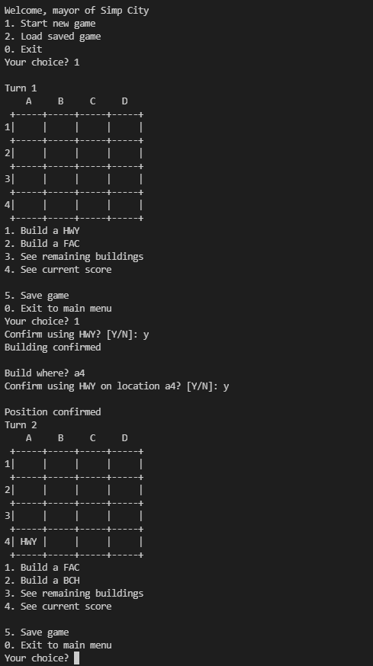 | Pass
3 | A combination of Upper letter case alphabet and a number is inputted by the users. The alphbert entered by the user is not between "A" to "D" or the number entered is not ranging between "1" to "4". | 1. The user selects the option of either "1" or "2" in the configuration menu to build a building 2.The user enters the location with a combination of upper letter case alphabet and a number. The letter is not between "A" to "D" or the number is not ranging between "1" to "4" . E.g. [A9] or [Z1] | 1. The user enters the location with a combination of upper letter case alphabet and a number. The letter is not between "A" to "D" or the number is not ranging between "1" to "4" . E.g. [A9] or [Z1] After: Error Message is display to remind the users to input the correct positiioning location and the message "Build Where?" is prompted again. | An error message is displayed to remind the user to input the correct positioning location |  |  | Fail | 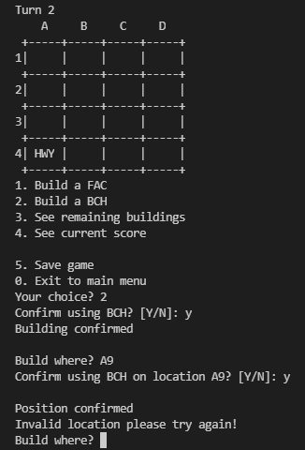 | Pass
4 | A combination of upper letter case alphabet amd a number is inputted by the user. The alperbert enterd ranges between "A" to "D" and a number rangwa between "1" to "4" | 3. The user enters the location with a combination of lower letter case alphabet ranging between"A" to "D" with a number ranging between "1" to "4". E.g. [A4] | 1. The user enters the location with a combination of lower letter case alphabet ranging between"A" to "D" with a number ranging between "1" to "4". E.g. [A4] After: Building name appear in the position inputted | The user sees the building name displayed in the grid of the position they indicated |  |  | Pass | 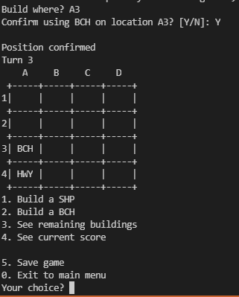 | Pass
5 | A combination of upper or lower letter case alphabet amd a number is inputted by the user. The alperbert enterd does not ranges between "A" to "D" or "a" to "d" and a number does not ranges between "1" to "4" is inputted | 3. The user enters the location with a combination of lower or upper letter case alphabet and a number. The alperbert enterd does not ranges between"A" to "D" or "a" to "d" with a number that does not ranges between "1" to "4". E.g. [z7] or [S7] | 1. The alperbert enterd does not ranges between"A" to "D" or "a" to "d" with a number that does not ranges between "1" to "4".E.g. [z7] or [S7] After: Error Message is display to remind the users to input the correct positiioning location and the message "Build Where?" is prompted again. | An error message is displayed to remind the user to input the correction positioning location | Equivalence | Functional | Fail | 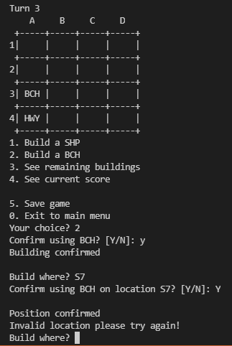 | Pass

