US3 & US16 Sprint 5
 | Test Scenarios for SimpCity
 | Test Cases Creation |  |  | System Testing (TDA) |  |  | User Acceptance Testing |  | Team
 | User Stories: | US3 - As a user, I want to be able to load my game data so I can continue the progress of my game. |  | Version Control: | V2 |  | Version Control: | V1 | Scrum Master: | Megan Png
 | Created By: | Hui Ying |  | Tester: | Hui Ying |  | User: | Mr Low | Tech Lead: | Claris
 | Status: | Done |  | Status: | Done |  | Status: | Done | QA: | Hui Ying
 | Dated as of: | 13-Feb-21 |  | Test Date: | 14-Feb-22 |  | UAT Date: | 14-Feb-22 | Developer: | Amanda Chan
 | Reviwed By: |  |  | Reviwed By: |  |  | Reviwed By:
 | Tech Lead | Claris |  | Scrum Master | Megan |  | Scrum Master: | Megan
 |  |  |  | Tech Lead | Claris |  | Tech Lead: | Claris
 |  |  |  |  |  |  | QA: | Hui Ying
 |  |  |  |  |  |  | Developer: | Amanda

S/NO | Test Scenario | Test Scenario Description | Test Values | Expected Outcome | Boundary? Equivalence? | Functional? Non-Functional? | Pass/ Fail | Actual Outcome | Test Result (Pass / Fail) | Remarks
1 | The user has run the program and the main menu is displayed to the users. The users would like to load thier game data so that they can contnue their game progress by selecting the option "2. Load saved game:" when the message "Your Choice?" is prompted. | 1. The user selects the option "2, Load saved game" when the message "Your Choice?" is prompted 2. The user will be able to load the saved game | Before: The users has starts the program and the main menu is displayed
 |  |  | 1. The user selects the option "2, Load saved game" --> Your Choice? 2 2. The user will be able to load the saved game After: The user successfully load the saved game | The user successfully load the saved game | Boundary | Functional | Pass | 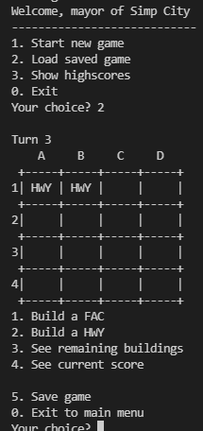 | Pass
2 | The user has run the program The users wants to load the save game but enters an option that is not in the main menu to exit the program | 1. When the message "Your Choice? " is prompted the users enter a value that is not in the main menu. "Your Choice? aa" 2. An error message will be displayed to the users to the notify the users of an invalid input and the message "Your Choice? will be prompted again. | 1. The user enters an option that is not in the main menu. "Your Choice? aaa" 2. An error message will be displayed to the users to the notify the users of an invalid input and the message "Your Choice? will be prompted again. | An error message will be displayed to the users to the notify the users of an invalid input and the message "Your Choice? will be prompted again. |  | Functional | Fail | 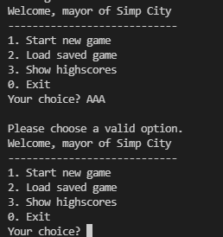 | Pass
3 | The users enters a option that is in within the main menu but did not select the "option 2, Load saved game". | 1. When the message "Your Choice? " is prompted the users enter a value that in the main menu. "Your Choice? 1" 2. The program will process the options as accordance | 1. When the message "Your Choice? " is prompted the users enter a value that in the main menu. "Your Choice? 1" 2. The program will process the options as accordance E.g. "Your Choice? 1" 3. The users will start a new game, the configure menu will be printed and the message "Your Choice? will be prompted again. | The ooptions entered will be processed as accordance. E.g "Your Choice? 1" The user will not be able to load a saved game, instead the user will start a new game instead |  | Functional | Pass | 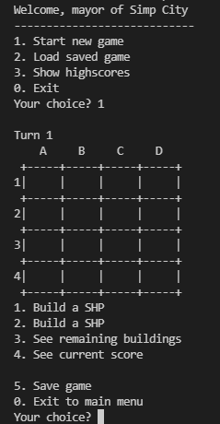 | Pass

