US8 Sprint 3
 | Test Scenarios for SimpCity
 | Test Cases Creation |  |  | System Testing (TDA) |  |  | User Acceptance Testing |  | Team
 | User Stories: | US8 - As a user, I want to be given a prompt to verify my decision in placing a building so I do not accidentally place the building in a position I do not want. |  | Version Control: | V1 |  | Version Control: | V1 | Scrum Master: | Megan Png
 | Created By: | Hui Ying |  | Tester: | Hui Ying |  | User: | Mr Low | Tech Lead: | Claris
 | Status: | Done |  | Status: | Done |  | Status: | Done | QA: | Hui Ying
 | Dated as of: | 6-Jan-22 |  | Test Date: | 3-Feb-22 |  | UAT Date: | 10-Feb-22 | Developer: | Amanda Chan
 | Reviwed By: |  |  | Reviwed By: |  |  | Reviwed By:
 | Tech Lead | Claris |  | Scrum Master | Megan |  | Scrum Master: | <Signature>
 |  |  |  | Tech Lead | Claris |  | Tech Lead: | Claris
 |  |  |  |  |  |  | QA: | Hui Ying
 |  |  |  |  |  |  | Developer: | Amanda

S/NO | Test Scenario | Test Scenario Description | Test Values | Expected Outcome | Boundary? Equivalence? | Functional? Non-Functional? | Pass/ Fail | Actual Outcome | Test Result (Pass / Fail) | Remarks
1 | The user selects the build a building option and selects enter and confirm the decesion on the building type. The message "Build Where?" is prompted, the user will enter his or her desired location and a confirmation message will be prompted to verfiy the position the user have entered. | 1. The message "Build Where?" is prompted 2. The user enters a location e.g [a4] 3. A message should bbe prompted to the users to verfiy the location that the user have entered. | Before: The users has entered the correct building option and have confirmed the building type, e.g. [Build a HSE]
 |  |  | --> Build Where? 1. The user enters the location with a combination of lower letter case alphabet ranging between "a" to "d" with a number ranging between "1" to "4". E.g. [a4] After: A confirmation message will be prompted to the users. | A confirmation messagel be prompted to the users to prompt the user to verfiy the location the user have entered to be placed in the 4x4 grid. | Boundary | Functional | Pass | 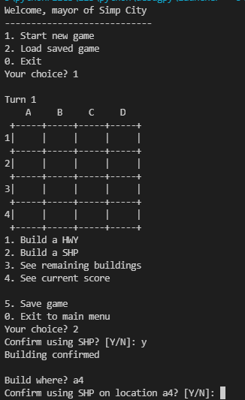 | Pass
2 | The user selects the build a building option and selects enter and confirm the decesion on the building type. The message "Build Where?" is prompted, the user will enters a location that is not within the grid. An error message should appear to inform the user an invalid location is entered. The message "Build Where?" is prompted again. | 4. The message "Build Where?" is prompted 5. The user enters a location e.g [z4] 6. An error message should appear to inform the user an invalid location is entered. 7. The message "Build Where?" is prompted again. | --> Build Where? 1. The user will enters a location that is not within the grid. E.g. [z4] After: A confirmation message will be prompted to the users. | An error message should appear to inform the user an invalid location is entered. The message "Build Where?" is prompted again |  |  | Pass | 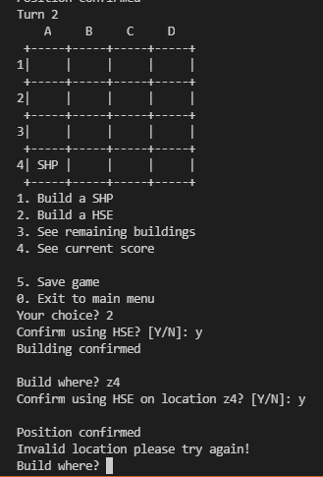 | Pass
3 | The user selects the build a building option and selects enter and confirm the decesion on the building type. The message "Build Where?" is prompted, the user will enter his or her desired location and a confirmation message will be prompted to verfiy the position the user have entered. | 8. The message "Build Where?" is prompted 9. The user enters a location e.g [B4] 10. A message should be prompted to the users to verfiy the location that the user have entered. | --> Build Where? 1. The user enters the location with a combination of upper letter case alphabet ranging between "A" to "D" with a number ranging between "1" to "4". E.g. [B4] After: A confirmation message will be prompted to the users. | A confirmation message willl be prompted to the users to prompt the user to verfiy the location the user have entered to be placed in the 4x4 grid. |  |  | Pass | 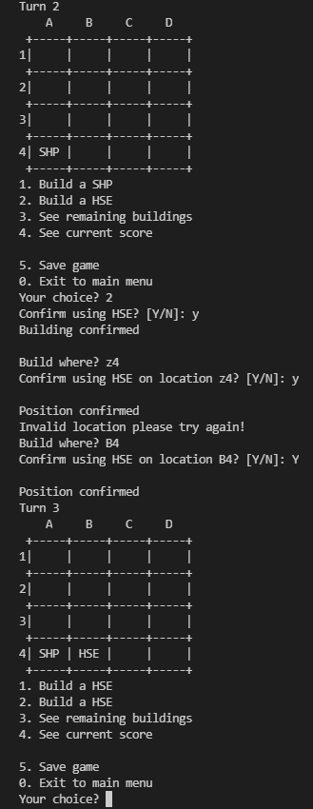 | Pass
4 | The user selects the build a building option and selects enter and confirm the decesion on the building type. The message "Build Where?" is prompted, the user will enters a wrong format input, e.g [aad]. An error message will appear to inform the user of the invalid input and the mesage "Build Where?" will be prompted again | 1. The message "Build Where?" is prompted 2. The user will enters a wrong format input e.g [aad] 3. An error message will appear to inform the user of the invalid input and the mesage "Build Where?" will be prompted again | Before: The users has entered the correct building option and have confirmed the building type, e.g. [Build a HSE] --> Build Where? 1.The user will enters a wrong format input e.g [aad]. After: An error message will appear to inform the user of the invalid input and the mesage "Build Where?" will be prompted again | An error message will appear to inform the user of the invalid input and the mesage "Build Where?" will be prompted again | Equivalence | Functional | Pass | 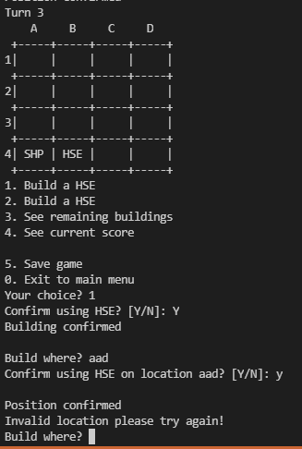 | Pass

