US14 Sprint 4
 | Test Scenarios for SimpCity
 | Test Cases Creation |  |  | System Testing (TDA) |  |  | User Acceptance Testing |  | Team
 | User Stories: | US14 - As a user, I want to be able to see how many buildings I am left with so that I can plan my next moves. |  | Version Control: | V1 |  | Version Control: | V1 | Scrum Master: | Megan Png
 | Created By: | Hui Ying |  | Tester: | Hui Ying |  | User: | Mr Low | Tech Lead: | Claris
 | Status: | Done |  | Status: | Done |  | Status: | Done | QA: | Hui Ying
 | Dated as of: | 25-Jan-22 |  | Test Date: | 13-Feb-22 |  | UAT Date: | 14-Feb-22 | Developer: | Amanda Chan
 | Reviwed By: |  |  | Reviwed By: |  |  | Reviwed By:
 | Tech Lead | Claris |  | Scrum Master | Megan |  | Scrum Master: | Megan Png
 |  |  |  | Tech Lead | Claris |  | Tech Lead: | Claris
 |  |  |  |  |  |  | QA: | Hui Ying
 |  |  |  |  |  |  | Developer: | Amanda Chan

S/NO | Test Scenario | Test Scenario Description | Test Values | Expected Outcome | Boundary? Equivalence? | Functional? Non-Functional? | Pass/ Fail | Actual Outcome | Test Result (Pass / Fail) | Remarks
1 | The users selects the option "3. See remaining buildings" in the configuration menu to check the remaning building left. | 1. The user selects the option "3. See remaining buildings" in the configuration menu to check the remaninig building left. 2. The number of rermaining buildings for each type of building will be displayed to the users. | Before: The users is in the game
 |  |  | 1. When the message "Your Choice?" is prompted, the users selects the options "3. See remaininig buildings". --> Your Choice? 3 | The number of remaining number of each building type will be printed and displayed to the users. The game grid and the configuration menu will be printed again, followed by the message "Your Choice?" prompted to the user. | Boundary | Functional | Pass |  | Pass
2 | The users enters an option that is within the configuration menu instead of the option "3. See remaining buildings" when the message "Your Choice?" is prompted. | 1. The user selects either option "0" to "2" or "4 to "5" that is within the configuration menu, instead of the option 3. 2. The number of rermaining buildings for each type of building will be displayed to the users. | 1. The user selects either option "0" to "2" or "4 to "5" that is within the configuration menu, instead of the option 3. --> Your Choice? 1 | The program will processed accordingly E,g, Your Chioice? 1 Confirm using HWY? [Y/N]: |  |  | Pass | 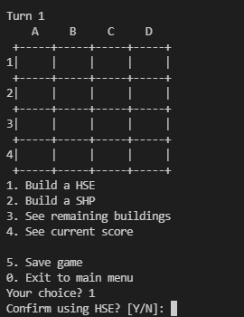 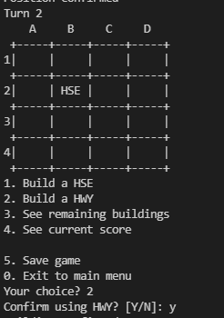 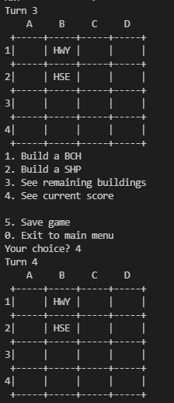 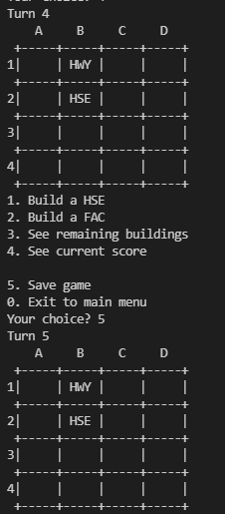 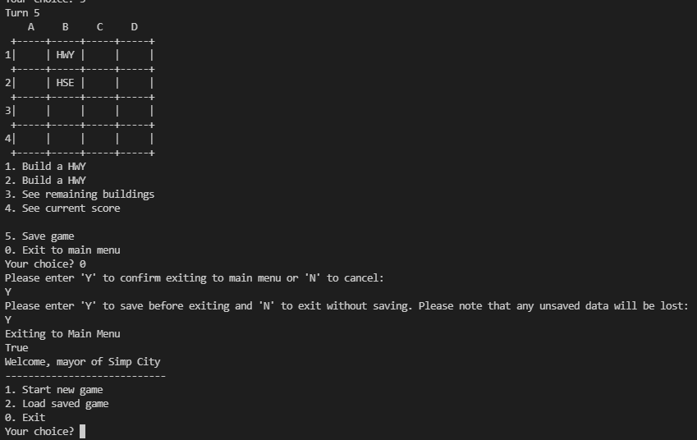 | Fail | Reason: When option "4" and "5" is entered in the configuration menu, the functions do not run Developer's response: Option "4" and "5" is not implemented in Sprint 4
3 | The users enters an input that is not within the range of "0" and "1" to "5" when the message "Your Choice?" is prompted. | 1. The users enters an input that is not within the range of "0" and "1" to "5" when the message "Your Choice?" is prompted. | 1. The users enters an input that is not within the range of "0" and "1" to "5" when the message "Your Choice?" is prompted. --> Your Choice? aad | An error message "Please choose valid options" will be printed and displayed to the users to remind the users to enter a value that is within the cofiguration menu. The 4x4 game grid along with the configuration menu will be printed again and the message "Your Choice?" is prompted again. |  |  | Fail | 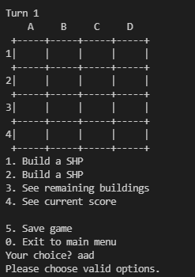 | Pass

 | Test Cases Creation |  |  | System Testing (TDA) |  |  | User Acceptance Testing |  | Team
 | User Stories: | US14 - As a user, I want to be able to see how many buildings I am left with so that I can plan my next moves. |  | Version Control: | V2 |  | Version Control: | V1 | Scrum Master: | Megan Png
 | Created By: | Hui Ying |  | Tester: | Hui Ying |  | User: |  | Tech Lead: | Claris
 | Status: | Done |  | Status: | Done |  | Status: |  | QA: | Hui Ying
 | Dated as of: | 25-Jan-22 |  | Test Date: | 14-Feb-22 |  | UAT Date: |  | Developer: | Amanda Chan
 | Reviwed By: |  |  | Reviwed By: |  |  | Reviwed By:
 | Tech Lead | Claris |  | Scrum Master |  |  | Scrum Master: | <Signature>
 |  |  |  | Tech Lead | claris |  | Tech Lead: | <Signature>
 |  |  |  |  |  |  | QA: | <Signature>
 |  |  |  |  |  |  | Developer:

S/NO | Test Scenario | Test Scenario Description | Test Values | Expected Outcome | Boundary? Equivalence? | Functional? Non-Functional? | Pass/ Fail | Actual Outcome | Test Result (Pass / Fail) | Remarks
1 | The users selects the option "3. See remaining buildings" in the configuration menu to check the remaning building left. | 1. The user selects the option "3. See remaining buildings" in the configuration menu to check the remaninig building left. 2. The number of rermaining buildings for each type of building will be displayed to the users. | Before: The users is in the game
 |  |  | 1. When the message "Your Choice?" is prompted, the users selects the options "3. See remaininig buildings". --> Your Choice? 3 | The number of remaining number of each building type will be printed and displayed to the users. The game grid and the configuration menu will be printed again, followed by the message "Your Choice?" prompted to the user. | Boundary | Functional | Pass |  | Pass
2 | The users enters an option that is within the configuration menu instead of the option "3. See remaining buildings" when the message "Your Choice?" is prompted. | 1. The user selects either option "0" to "2" or "4 to "5" that is within the configuration menu, instead of the option 3. 2. The number of rermaining buildings for each type of building will be displayed to the users. | 1. The user selects either option "0" to "2" or "4 to "5" that is within the configuration menu, instead of the option 3. --> Your Choice? 1 | The program will processed accordingly E,g, Your Chioice? 1 Confirm using HWY? [Y/N]: |  |  | Pass | 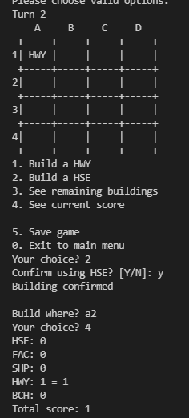 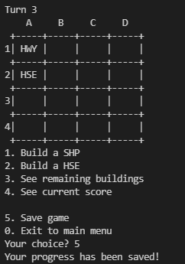 | Pass
3 | The users enters an input that is not within the range of "0" and "1" to "5" when the message "Your Choice?" is prompted. | 1. The users enters an input that is not within the range of "0" and "1" to "5" when the message "Your Choice?" is prompted. | 1. The users enters an input that is not within the range of "0" and "1" to "5" when the message "Your Choice?" is prompted. --> Your Choice? aad | An error message "Please choose valid options" will be printed and displayed to the users to remind the users to enter a value that is within the cofiguration menu. The 4x4 game grid along with the configuration menu will be printed again and the message "Your Choice?" is prompted again. |  |  | Fail |  | Pass

