US1
 | Test Scenarios for SimpCity
 | Test Cases Creation |  |  | System Testing (TDA) |  |  | User Acceptance Testing |  | Team
 | User Stories: | US1 - As a user, I want to be able to start a new game so I may play the game. |  | Version Control: | V2 |  | Version Control: | V1 | Scrum Master: | Megan Png
 | Created By: | Hui Ying |  | Tester: | Hui Ying |  | User: |  | Tech Lead: | Claris
 | Status: | Done |  | Status: | Done |  | Status: | Pending | QA: | Hui Ying
 | Dated as of: | 8-Dec-21 |  | Test Date: | 10-Dec-21 |  | UAT Date: |  | Developer: | Amanda Chan
 | Reviwed By: |  |  | Reviwed By: |  |  | Reviwed By:
 | Tech Lead | Claris (Approved in GitHub Pull Request) |  | Scrum Master | Megan Png |  | Scrum Master: | <Signature>
 |  |  |  | Tech Lead | Claris (Approved in GitHub Pull Request) |  | Tech Lead: | <Signature>
 |  |  |  |  |  |  | QA: | <Signature>

 | condition to test Start New Game Feautre | steps
S/NO | Test Scenario | Test Scenario Description | Test Values | Expected Outcome | Boundary? Equivalence? | Functional? Non-Functional? | Pass/ Fail | Actual Outcome | Test Result (Pass / Fail) | Remarks
1 | The number "1" is inputted by the user. | 1. The user enters an option value of the numeric interger "1" when the message "Your Choice?" is prompted to the users | Before: Main Menu is displayed After: Your Choice? 1 | A empty 4x4 board with the message "Turn 1" shall be displayed to the users. The confiugration menu with an option rangning from "0" to "5" should be displayed to the users. | Equivalence | Functional | Pass | 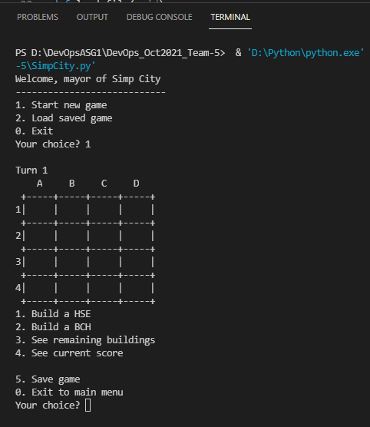 | Pass
2 | The number "1" is inputted by the user, then option value "1" is entered again | 1. The user enters an option value of the numeric interger "1" when the message "Your Choice?" is prompted to the users, then the user enter the numeric integer "1" again to build a building | Before: Main Menu is displayed After: Your Choice? 1 Your Choice? 1 | A empty 4x4 board with the message "Turn 1" shall be displayed to the users. The confiugration menu with an option rangning from "0" to "5" should be displayed to the users. A message "Build where?" is printed to prompt the user to enter a position | Equivalence | Functional | Pass | 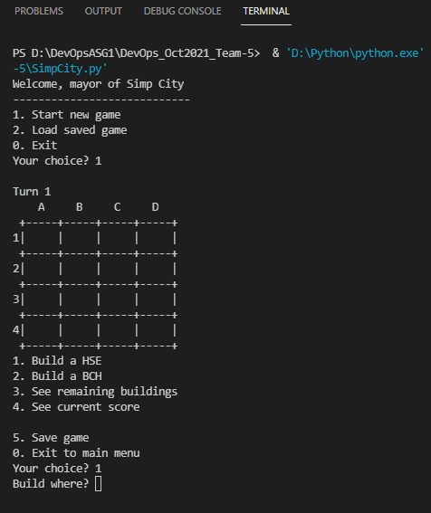 | Pass
3 | The number "1" is inputted by the user. | 1. The users enters any value except "0" to "2" | Before: | Main Menu displayed |  | Functional
 |  | 2. The user re-enters an option value of the numeric interger "1" when the message "Your Choice?" is prompted to the users. | After: 1. [Any value except "0" to "2"] | 1. An error message shall be displayed to remind the users only number "0" to "2" will be accepted | Boundary |  | Fail | 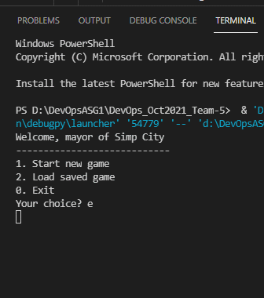 | Pass | Since, it was metion that the input validation is not done yet, hence this test case passed even it never meet the expected output
 |  | 3. The user selects the option value of "0" to exit to the main menu and enter the option value 1 again. | After (Nominal Value): 2. Your Choice? 1 | 2. The users shall see a empty 4x4 board with the message "Turn 1" shall be displayed to the users. The confiugration menu with an option rangning from "0" to "5" should be displayed to the users. A message "Build where?" is printed to prompt the user to enter a position |  |  | Pass | 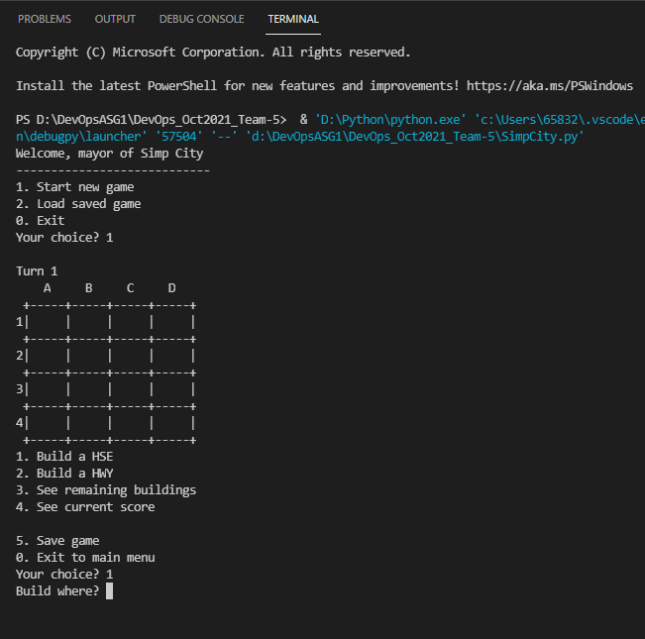 | Pass
 |  | 4. The user enters any value between "0" to "2", except for "1". | After: 3. Values from "0" to "2" | 3. The system shall process the option value inputted accordingly and a new game is not started |  |  | Pass | 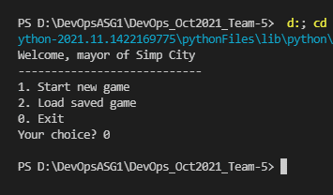 | Pass

