待收债权分布情况
1 | 0-1个月 | 18100000 | 582254.1 | 18682254.1
2 | 1-2个月 | 15050000 | 455399.91 | 15505399.91
3 | 2-3个月 | 14525000 | 338191.7 | 14863191.7
4 | 3-4个月 | 9125000 | 219064.28 | 9344064.28
5 | 4-5个月 | 7500000 | 139781.92 | 7639781.92
6 | 5-6个月 | 7925000 | 74156.53 | 7999156.53
7 | 6-7个月 | 550000 | 4812.54 | 554812.54

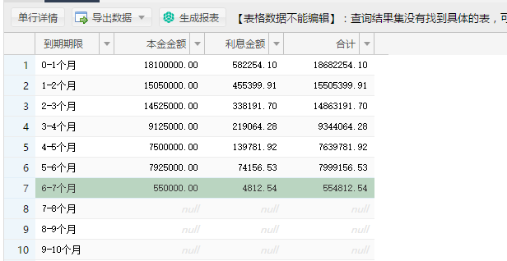

#NAME?
SELECT '0-1个月' as '到期期限',
SUM(`plannedTermPrincipal`) as '本金金额',
sum(`plannedTermInterest`) as '利息金额',
SUM(`plannedTermAmount`) as '合计'
FROM `loan_phase`
WHERE `dueDate`> '2017-04-18 00:00:00'
AND `dueDate`<= '2017-05-18 00:00:00'
UNION
SELECT '1-2个月',
SUM(`plannedTermPrincipal`),
sum(`plannedTermInterest`),
SUM(`plannedTermAmount`)
FROM `loan_phase`
WHERE `dueDate`> '2017-05-18 00:00:00'
AND `dueDate`<= '2017-06-18 00:00:00'
UNION
SELECT '2-3个月',
SUM(`plannedTermPrincipal`),
sum(`plannedTermInterest`),
SUM(`plannedTermAmount`)
FROM `loan_phase`
WHERE `dueDate`> '2017-06-18 00:00:00'
AND `dueDate`<= '2017-07-18 00:00:00'
UNION
SELECT '3-4个月',
SUM(`plannedTermPrincipal`),
sum(`plannedTermInterest`),
SUM(`plannedTermAmount`)
FROM `loan_phase`
WHERE `dueDate`> '2017-07-18 00:00:00'
AND `dueDate`<= '2017-08-18 00:00:00'
UNION
SELECT '4-5个月',
SUM(`plannedTermPrincipal`),
sum(`plannedTermInterest`),
SUM(`plannedTermAmount`)
FROM `loan_phase`
WHERE `dueDate`> '2017-08-18 00:00:00'
AND `dueDate`<= '2017-09-18 00:00:00'
UNION
SELECT '5-6个月',
SUM(`plannedTermPrincipal`),
sum(`plannedTermInterest`),
SUM(`plannedTermAmount`)
FROM `loan_phase`
WHERE `dueDate`> '2017-09-18 00:00:00'
AND `dueDate`<= '2017-10-18 00:00:00'
UNION
SELECT '6-7个月',
SUM(`plannedTermPrincipal`),
sum(`plannedTermInterest`),
SUM(`plannedTermAmount`)
FROM `loan_phase`
WHERE `dueDate`> '2017-10-18 00:00:00'
AND `dueDate`<= '2017-11-18 00:00:00'
UNION
SELECT '7-8个月',
SUM(`plannedTermPrincipal`),
sum(`plannedTermInterest`),
SUM(`plannedTermAmount`)
FROM `loan_phase`
WHERE `dueDate`> '2017-11-18 00:00:00'
AND `dueDate`<= '2017-12-18 00:00:00'
UNION
SELECT '8-9个月',
SUM(`plannedTermPrincipal`),
sum(`plannedTermInterest`),
SUM(`plannedTermAmount`)
FROM `loan_phase`
WHERE `dueDate`> '2017-12-18 00:00:00'
AND `dueDate`<= '2018-01-18 00:00:00'
UNION
SELECT '9-10个月',
SUM(`plannedTermPrincipal`),
sum(`plannedTermInterest`),
SUM(`plannedTermAmount`)
FROM `loan_phase`
WHERE `dueDate`> '2018-01-18 00:00:00'
AND `dueDate`<= '2018-02-18 00:00:00'
UNION
SELECT '10-11个月',
SUM(`plannedTermPrincipal`),
sum(`plannedTermInterest`),
SUM(`plannedTermAmount`)
FROM `loan_phase`
WHERE `dueDate`> '2018-02-18 00:00:00'
AND `dueDate`<= '2018-03-18 00:00:00'
UNION
SELECT '11-12个月',
SUM(`plannedTermPrincipal`),
sum(`plannedTermInterest`),
SUM(`plannedTermAmount`)
FROM `loan_phase`
WHERE `dueDate`> '2018-03-18 00:00:00'
AND `dueDate`<= '2018-04-18 00:00:00'
UNION
SELECT '12个月',
SUM(`plannedTermPrincipal`),
sum(`plannedTermInterest`),
SUM(`plannedTermAmount`)
FROM `loan_phase`
WHERE `dueDate`> '2018-04-18 00:00:00' ;

投资年龄段分布情况
1 | >60 | 37 | 4798346.84
2 | 50-60 | 90 | 10429609.13
3 | 20-50 | 597 | 57479799.33
4 | <20 | 10 | 41185.8

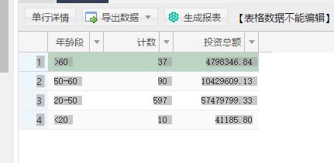

SELECT '>60' as '年龄段',
COUNT(1) as '计数',
SUM(tocollectprincipal) '投资总额'
FROM `user_main` u,
`user_statistic` us
WHERE u.userid= us.userid
and 2017-convert(substring(`idCardNo`, 7, 4), SIGNED)> 60
AND tocollectprincipal> 0
UNION
SELECT '50-60' as '年龄段', COUNT(1) as '计算', SUM(tocollectprincipal) '投资总额'
FROM `user_main` u, `user_statistic` us
WHERE u.userid= us.userid
and 2017-convert(substring(`idCardNo`, 7, 4), SIGNED) >50
AND 2017-convert(substring(`idCardNo`, 7, 4), SIGNED) <=60
AND tocollectprincipal> 0
UNION
SELECT '20-50' as '年龄段', COUNT(1) as '计算', SUM(tocollectprincipal) '投资总额'
FROM `user_main` u, `user_statistic` us
WHERE u.userid= us.userid
and 2017-convert(substring(`idCardNo`, 7, 4), SIGNED) > 20
AND 2017-convert(substring(`idCardNo`, 7, 4), SIGNED) <=50
AND tocollectprincipal> 0
UNION
SELECT '<20' as '年龄段', COUNT(1) as '计算', SUM(tocollectprincipal) '投资总额'
FROM `user_main` u, `user_statistic` us
WHERE u.userid= us.userid
and 2017-convert(substring(`idCardNo`, 7, 4), SIGNED)<= 20
AND tocollectprincipal> 0;

