Excel Commands
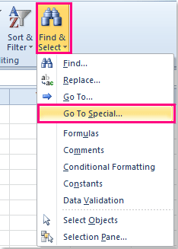
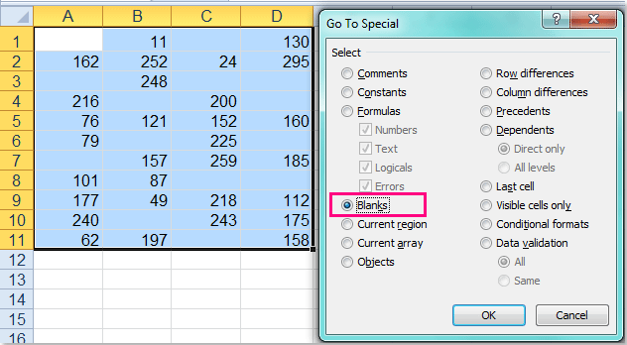
To fill empty with slash:
1. Select the range that you need to fill the blanks with dashes.
2. Then click Home > Find & Select > Go To Special, in the Go To Special dialog box, check Blanks option, see screenshots:

3. Then click OK, and all blank cells have been selected as following screenshot shown:

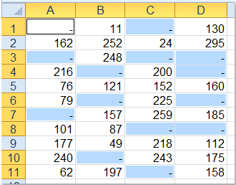
4. And then enter the dash – into the cell and press Ctrl + Enter keys together, all the blank cells have been filled with dashes at the meanwhile, see screenshot: | 