wssutil
$CPYCAT (COPY $OPR account)
ENTER SELECTION: $SM
10/27/17 SYSTEM SECURITY WSS/WSS/PTS_32

SELECTION FUNCTION
NUMBER ---------DESCRIPTION---------- NAME

1. FILE SECURITY DEFINITION $SECFL
2. FILE SECURITY DOCUMENTATION $DOCSFLS

3. FUNCTION SECURITY DEFINITION $SECFN
4. FUNCTION SECURITY DOCUMENTATION $DOCSFNS

5. OPERATOR SECURITY DEFINITION $OPR
6. OPERATOR SECURITY DOCUMENTATION $DOCOPRS
7. OPERATOR SECURITY COPY $CPYCAT

8. TERMINAL ASSIGNMENT DEFINITION $TERM
9. TERMINAL DEFAULT REPORT DEVICE DEF. $TERM2
10. TERMINAL ASSIGNMENT DOCUMENTATION $DOCTRMS

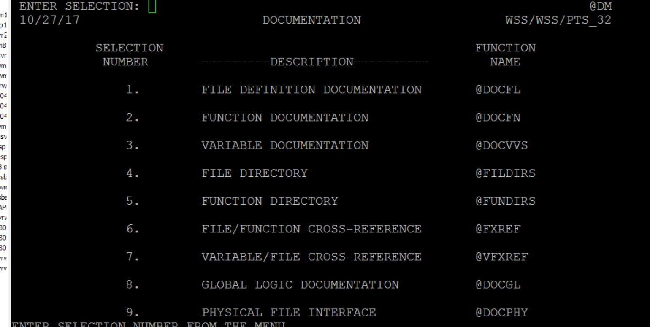
(backslash into)
ENTER SELECTION: @MAIN
10/27/17 PROIV MAIN MENU WSS/WSS/PTS_32

SELECTION FUNCTION
NUMBER ---------DESCRIPTION--------- NAME

1 DATA AND FILE DEFINITION @FM

2 CREATE/MODIFY FUNCTION @MOD

3 DEVELOPER STUDIO @STUDIO

4 DOCUMENTATION @DM

5 SYSTEM SECURITY $SM

6 UTILITIES @UM

7 SYSTEM LOGOFF LOGOFF

ACCOUNT REBUILD
 | ACCOUNT REBUILD 1
 | Control C FIXSACCT

 | (G)L/(P)ORTFOLIOà P
 | AREA NAME à ACMISC
 | START DATE à 041816
 | END DATE à 050216

 | REBUILD D/C SEGMENTS à N

 | REBUILD ACCT BALANCE à Y BY NATURAL/CHART OF ACCT à C
 | CURRENCY -> USD
 | MAIN LEDGER à
 | ACCOUNT à CASH
 | PROCESS QUEUE à 4
 | PROCESS à Y

 | ACCOUNT REBUILD 2
 | Control C FIXSACCT
 |  |  |  |  | IST1 | PRD | API instance | mbx | TYPE
 | (G)L/(P)ORTFOLIOà P |  | Trace deal |  |  | CI1 |  | cls_status | clsapistatus |  | {FXISTA_WSSCLSSTAR_API_NewGrossInput} Comp {WSSFX_FXISTA_CIO}
 | AREA NAME à ACMISC |  | CL4.log | 2018080709008 |  | CI2 |  | wss_clsmsg | GISTATUS |  | Writing to MQ INSTRNOT_TO_CLS
 | START DATE à 041816 |  | CLD.log | 2018080709016 |  | CI3 |  | wss_clsmsg | payinschedule |  | 16:10:02:402|0184-00163:JMIX: PublishableFunction {INFO} Action {Sending reply} Event {-->} Id {83} Name {FXISTA_WSSCLSSTAR_API_NewGrossInput} Results {{0:OK}{Value}{2018080709016}} RoundTrip {29420165}
 | END DATE à 050216 |  | CIO.log | 9008/9016 |  | CI4 |  | wss_clsmsg | payout
 |  |  | CWM.log (under CWM folder) | 9008/9016 |  | CI5 |  | wss_clsmsg | sysmessage
 | REBUILD D/C SEGMENTS à N |  | MQ3.log | 9008/9016 |  | CI6 |  | wss_clsmsg | allegedtrade
 |  |  | CLM | waiting |  | CI7 |  | wss_clsmsg | splitinput
 | REBUILD ACCT BALANCE à Y BY NATURAL/CHART OF ACCT à C |  |  |  |  | CIO |  |  | new,amend, rescend gross input
 | CURRENCY -> USD |  |  |  |  | CL4 | 02/OUT | wss_cls02out | sent by CLO, read by /bin/Linux64/wss_cls.ora12 OUT02 CLSISTA CLSDATABASE WSS WSSFXi1
 | MAIN LEDGER à |  |  |  |  | CLD | 12/OUT | wss_cls12out | sent by CLO, read by OUT12
 | ACCOUNT à |  |  |  |  | CLM? |  | wss_clmsg | Incoming | DB
 | PROCESS QUEUE à 4 |  |  |  |  | CLO? |  | wss_cloutr | outbound | DB
 | PROCESS à Y |  |  |  |  | CLI |  | cls_status | clsgateway status |  | read wss_ion_inbound
 |  |  |  |  | GUI configure
 |  |  |  |  |  | need outbound (API 02) entry
 |  |  |  |  |  | SDS - CLS - API12

Schema configuration
 | /sctrade_response.xsd ( (error code shold be 28)
 | sctrade_response_mailbox.xml
 | CMSFPM/ APIXMLSCTRDE

Test swift msg to interface to wss_swifto mailbox
/BO/interface/waitinglist/ (create a new file name mbxmsg*a, tick both option, then drop txt file into $APPDIR/interface)
"File processing"/ WSS_SWIFTO

mbx_drain -n WSS_SWIFTO > CF-87991-part2.txt
alternvative: mbx_dump msg_box > file1 (queue will be drained)

CLS license | /oper/ION/key.init

 | mgr -u wss
 | cntl_C
 | FXRNPV
 |  | When the "Wait" message comes up. Do a cntl_C to exit function
 | do RESET to exit Prov-IV

base
grep | -R (all folder), -l (matching), -e str1 str2 file, "str1 str2", -v (inverse)
sed | sed -n '/2016-02-04/, /2016-02-05/p' service.log
egrep | -w 'str1|str2' file (multiple pattern)
vi | ctl +u (undo), D (del line after cursor), dd (line), yy (copy), p (paste), nyy
ls | -lrt *{r4, r5}* (multiple pattern), -d */ (dir only)
scp | scp usr@local /file1 /wss-pr/ (copy local to remote)
ps | ps -u -f wss-pr, -p pid -o (fileds)
 | ps -C java -L -o pid, tid, pcpuc nlwp, arg (threads for this pid)
 | ps aux --sort pmem (find mem leakage)
pstack | pstack corefile, pargs corefiles, pargs NPID
netstat | -an |grep portnumber
lsof | -I portnumber, -u users (open files by usr), - iTCP: 1-1024 by port)
 | -p pid, -l (all network connection, listending and established)l
 | lsof /file
pargs | pargs pid, pargs 'pgrep xx'

 | &>/dev/null equal to > /dev/nul 2 >&1 |  |  |  | output or error redirectd to /dev/null for nodisplay
profile | personal profile, '~/.bash_profile, known_hosts
 | sysprofile /etc/profile
lsof | lsof -i:9051, lsof -p pid
cksum | cksum file1 file2 (compare size of two files)
strace | strace telnet:9151; strace -p PID
scp | scp file1.txt file2.sh username@ip.of.server.copyto:~/pathtoupload |  |  |  |  |  |  | local to remote
 | scp username@ip.of.server.copyfrom:"file1.log file2.log" "~/yourpathtocopy" |  |  |  |  |  |  |  | rmote to local
pipe | find . -type f -name 'what*' -exec tar -cvf /tmp/xx.tar {}+;
 | or tar -rvf {}\;
 | find. -newer file1 (file newer than file1)
 | ls (or find) > mylist tar -cvf /path/mytar.tar -T mylist
 | echo $(ls -lt| awk '{print $9}') >mylist (get the file name without new line)
 | ls -lrt |head -4 |cut -f12- -d ' ' >mylist |  |  |  | tar -cvf xx.tar -I mylist (solaris)
pipe2 | ls -lt | awk '{print $9}' > mylist
 | 1) for x in `cat mylist`;do cp "$x" /tmp/"$x".bak;done
 | 2) xargs -a mylist cp -t ~/destfolder |  |  |  | ( -a: read from file rather thatn STDIN, -t: verbose)
 | 3) ls |xargs -t -I {} cp {} ~/logs/{}.old
extract file | sed 's/$/string/' file1 > file2 (add to end of file)
replace string | sed -i 's/old-text/new-text/g' input.txt
(solaris) | grep -i 172.22.141.151 *.ini |cut -c1-7 >sample
 | for x in `cat sample`;do sed 's/172.22.141.151/172.22.204.6/g' "$x" >"$x".tmp && mv "$x".tmp "$x"; done;
rename filename | for x in `cat mylist`;do cp "$x" "${x/0206/0105}";done;
file name special | for x in $PATHNAME/*;do cmd;end |  |  |  |  |  | for x in *out;do mv $x ${x//\.pro/};done
 | find |xargs rm
find file size | find . -type f -name 'XMB*' -exec ls -l {} \; | awk '{ s+=$5 } END { print s }' |  |  |  |  |  |  |  |  | >>./logs/RateLynxSys.log 2>&1 &
profile | Interactive (non-login) shells, then the config is read from these files:
 | $HOME/.bashrc
 | For Login shells, the config is read from these files:
 | /etc/profile (Always sourced)
 | $HOME/.bash_profile (the rest of these files are checked in order until one is found, then no others are read)
 | $HOME/.bash_login
 | $HOME/.profile
kill | pkill -signal TERM -u user1 AppServer |  |  |  | pkill -9 -f 'wss'
kill PID *n | ps ax |grep "$PROCESS_NAME" |egrep -I 'pid|pid'|awk '{print $2}' |xargs -t -I {} kill {}
wss_service | netstat -an | grep 5196 | grep -i listen
cron | /var/spool/cron/crontabs
grep | grep '/<text/>' file |  | [Ee]rror
 | bash-3.2$ ls -lt|egrep -i 'loandep|custac|crrsk|cpty|wssmm_cf|wssmm_sec|rtext'|awk '{print $9}'>/tmp/jdump/mylist
 | for x in `cat /tmp/jdump/mylist`;do cp "$x" /tmp/jdump/"$x";done
stop/start | 1) create PID.txt
 | 2) xargs -a PIDlist kill
cut | cut -d ' ' -f1, 3 (d -deliminator, default \t, 1,3: field)
diff | textfiles: diff -y f1 f2 (side by side): |  |  |  |  | dff3 f1 f2 f3
 | binary: diff -s f1 f2
 | cksum /dir/f1; ssh remotehost -l wssdevop "cksum /dir/f2"
port process | netstat -nlp |grep port; fuser -v -n tcp 22; lsof -I port
 | strace -ffp pid, ptree PID,
private user group | Typically, pre-UPG, users were primary members in a staff group, and then secondary members in auxillary groups, like "web" for our example. Their umask was 022, so new files would be created 644 and directories 755 (users read,write; group read only; other read only). The administrator would have to create the directory for the users to work in and make that directory group owned by web and group writeable

 | The default umask 002 used for normal user. With this mask default directory permissions are 775 and default file permissions are 664. The default umask for the root user is 022 result into default directory permissions are 755 and default file permissions are 644. For directories, the base permissions are (rwxrwxrwx) 0777 and for files they are 0666 (rw-rw-rw).
 | default | umask | directory | file
 | normal | 002 | 775 | 664 |  | https://security.ias.edu/how-and-why-user-private-groups-unix
 | root | 022 | 755 | 644
 | base |  | 777 | 666
acocunt lock | /var/adm/messages
awk output | df -k|awk '{sum=sum+$2}{print $1,$2} END {print "sum is \n", sum}
disk space check | df -kh |awk '{print $5}' |grep % |grep -v Use |sort -n |tail -l |cut -d "%" -f1

 | ECHO "Stopping All External Interface Queues"
 | for rtcid in REU R23 R24 R22 R21 QEB EB4 EB3 EB2 EB1 RPC
 | do
 | ECHO Stopping $rtcid
 | mgr -d $rtcid
 | sleep 2
 | done

direcotry tree | find . -type d | sed -e "s/[^-][^\/]*\// |/g" -e "s/|\([^ ]\)/|-\1/" |  |  |  |  |  |  |  | find | sed 's|[^/]*/|- |g' (incl. files)
 | tree -d /proc/self/ |  | (remove d for listing files)

MMUAT | /opt/bns/wssmm/wssuat/apps/STAGING/GTLSP-1971r2208/UAT_WSSFUNDING_2018_02_14_CP2_R1914_JGTLSP-1971r2208/scripts/util

awk->scripts | cat run_server.list |awk '{print "kill",$3 "; sleep 3; echo $0"}' > restart_server_script.sh
base64/encrypt | echo 'eHh4eHgK' | base64 --decode
ncat | ncat -n -v 172.22.112.110 22
sql | sql -s id/pswd@servicename, @scriptname, (loc: env|grep sqlhome)

 |  | /var/spool/scron/crontab
performance testing | iostat |  |  | https://www.thegeekdiary.com/12-iostat-examples-for-solaris-performance-troubleshooting/
 | iostat -n (logical disk names)
 | uptme, mpstat, vmstat, sar, prstat

rh systemctl | systemctl list-units --type service --all
 | systemctl status xx.service
 | systemctl is-active sshd
 | systemctl is-enabled sshd

virutal ip | ip addr show
 | grep -l DEVICE.*bond0 /etc/sysconfig/network-scripts/*

 | curl -v telnet://160.43.166.57:22 |  |  |  |  |  | https://askubuntu.com/questions/257263/how-to-display-network-traffic-in-the-terminal
logrotate config | /etc/logrotate.d |  |  |  |  |  | sar -
Performance | iostats -En |  |  |  |  |  | b | I/O
 | vmstat -p (executable, anomynous, file sys page-in/out) |  |  |  |  |  | d | disk
 | ps -ef |grep def (zoobie) |  |  |  |  |  | B | paging
 | netstat -(i) |  |  |  |  |  | r | memory
 | traceroute |  | netstat -r |  |  |  | d DEV | network
 | sar -f /var/adm/sa/sa18 (solaris)
 | /var/log/sa (linux)
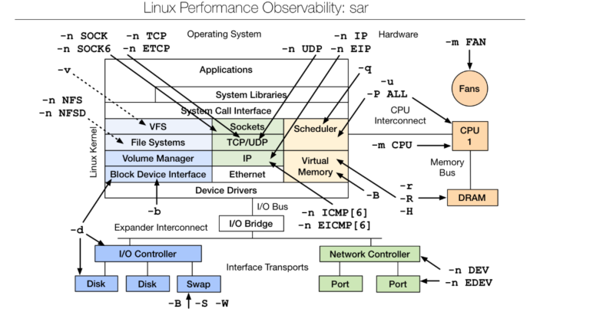
 | networking |  |  | linux | UNIX
 | ifstat |  |  | sar 10 -n DEV | netstat -I 1 (every one sec)
 | ethtool bond0 |  | 40mb/s
 | enp11s0 |  | 20mb/s |  | max tcp packet: 64kb
 | enp6s0 |  | 20mb/s

 |  |  |  |  | netstat -I 10>t1 &

 | kstat -p |grep -i link_speed |  |  | (solaris NIC speed) |  | 1000
 | ifconfig (Linux speed)

Mirror | /proc/mdstat
 | lvs | fgrep "mwi" |  | (mirrored)
sosreport | collect RH diag/ config info.

security
- digi signature | https://www.jscape.com/blog/what-is-a-digital-signature
1 | sign file (file->hash->private key to generate signature)
2 | recipient(use send's pub key to authenticate file recived (source)
3 | use pub key to extract msg digest from msg combo, then use its own hashing function to generate hash tehn compare, i.e. send/reciver must use same hashing function
 | 1. At the source (in this case, a server), the document is run through a hash function (e.g. SHA2 hashing algorithm) to produce a hash a.k.a. message digest. The message digest is combined with the source's private key to produce the document's digital signature.
 | 2. The digital signature is affixed to the document and both are sent to the recipient (in this case, a client application).
 | 3. At the client side, the message digest is extracted from the digital signature using a copy of the server's public key that's in the client's possession. Note that the client wouldn't be able to extract the message digest if the public key in its possession doesn't match the private key used to generate the digital signature.
 | 4. The client runs the document through the same hash function used by the sender to produce its own locally-generated hash.
 | 5. The two hashes are compared.
 | If the two hashes are equal, it would prove two things: 1. that the document was unaltered (thereby achieving integrity) and 2. that the source is who the recipient expected it to be (thereby achieving authentication).

 | Hybrid cryptosystems employed in an SFTP or FTPS server use asymmetric keys to initially encrypt symmetric keys known as session keys.
ulimit -a | killall -u user1,
file handle | /proc/sys/fs/file-max, lsof -p pid, lsof |wc -l

process monitor | /opt/bns/gfx/home/gfxurun/process_mon/extracts
 | process_mon.sh

