gender_pie_chart
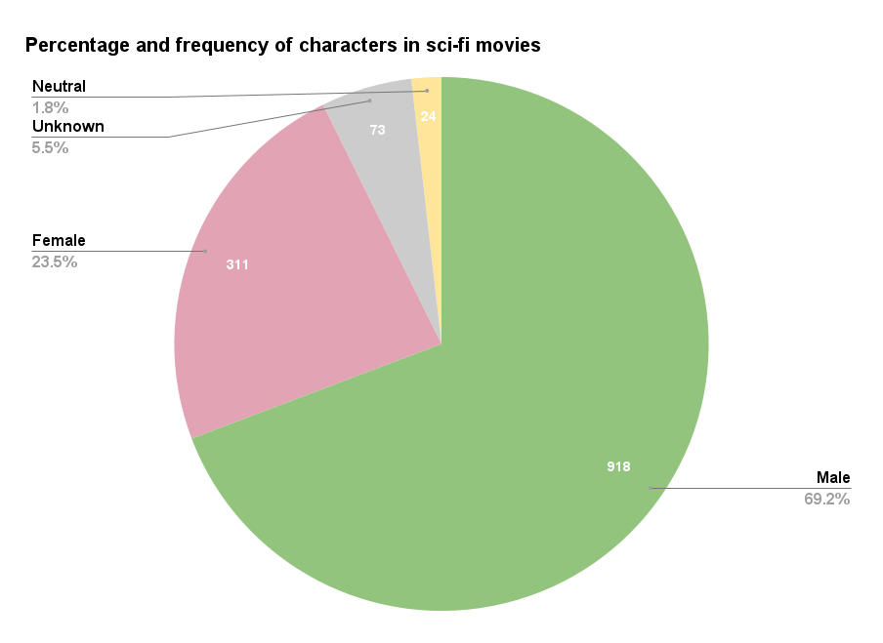

freq_gender_chronological
Percentage of female characters in sci-fi movies per year
movieID gender COUNTA of gender f % Year |  |  |  |  | percentage under 50
m301 Total |  | 19 | 21.052631579 | 1971 | 96.93877551
m571 Total |  | 7 | 14.285714286 | 1971
m47 Total |  | 7 | 0 | 1974 | percentage under 30
m615 Total |  | 11 | 27.272727273 | 1974 | 72.44897959
m176 Total |  | 12 | 33.333333333 | 1975
m122 Total |  | 12 | 41.666666667 | 1976 | average
m529 Total |  | 9 | 11.111111111 | 1977 | 24.5562437
m544 Total |  | 13 | 30.769230769 | 1978
m531 Total |  | 9 | 22.222222222 | 1979
m542 Total |  | 17 | 23.529411765 | 1980
m12 Total |  | 17 | 64.705882353 | 1982
m193 Total |  | 17 | 23.529411765 | 1982
m213 Total |  | 12 | 0 | 1982
m34 Total |  | 16 | 25 | 1982
m434 Total |  | 16 | 18.75 | 1982
m584 Total |  | 11 | 18.181818182 | 1982
m113 Total |  | 14 | 28.571428571 | 1983
m489 Total |  | 14 | 14.285714286 | 1983
m541 Total |  | 15 | 33.333333333 | 1983
m192 Total |  | 18 | 16.666666667 | 1984
m199 Total |  | 13 | 15.384615385 | 1984
m255 Total |  | 16 | 12.5 | 1984
m328 Total |  | 13 | 23.076923077 | 1984
m540 Total |  | 15 | 53.333333333 | 1984
m549 Total |  | 9 | 22.222222222 | 1984
m253 Total |  | 10 | 30 | 1985
m283 Total |  | 18 | 33.333333333 | 1985
m317 Total |  | 13 | 30.769230769 | 1985
m15 Total |  | 13 | 30.769230769 | 1986
m194 Total |  | 22 | 22.727272727 | 1986
m75 Total |  | 19 | 26.315789474 | 1986
m100 Total |  | 15 | 20 | 1987
m478 Total |  | 6 | 0 | 1987
m543 Total |  | 10 | 30 | 1987
m14 Total |  | 13 | 15.384615385 | 1988
m457 Total |  | 12 | 25 | 1988
m232 Total |  | 9 | 22.222222222 | 1989
m421 Total |  | 10 | 30 | 1989
m583 Total |  | 13 | 15.384615385 | 1989
m74 Total |  | 16 | 25 | 1989
m221 Total |  | 15 | 20 | 1990
m48 Total |  | 17 | 52.941176471 | 1990
m197 Total |  | 16 | 25 | 1991
m413 Total |  | 14 | 14.285714286 | 1991
m547 Total |  | 10 | 30 | 1991
m237 Total |  | 13 | 38.461538462 | 1993
m321 Total |  | 11 | 27.272727273 | 1993
m411 Total |  | 13 | 15.384615385 | 1993
m191 Total |  | 15 | 33.333333333 | 1994
m345 Total |  | 11 | 36.363636364 | 1994
m388 Total |  | 19 | 26.315789474 | 1994
m200 Total |  | 11 | 18.181818182 | 1995
m587 Total |  | 12 | 25 | 1995
m597 Total |  | 7 | 28.571428571 | 1995
m196 Total |  | 16 | 31.25 | 1996
m339 Total |  | 12 | 16.666666667 | 1996
m97 Total |  | 18 | 22.222222222 | 1996
m125 Total |  | 14 | 7.1428571429 | 1997
m304 Total |  | 14 | 14.285714286 | 1997
m343 Total |  | 13 | 38.461538462 | 1997
m365 Total |  | 16 | 18.75 | 1997
m410 Total |  | 10 | 20 | 1997
m440 Total |  | 8 | 25 | 1997
m5 Total |  | 21 | 23.80952381 | 1997
m526 Total |  | 12 | 25 | 1997
m530 Total |  | 14 | 28.571428571 | 1997
m57 Total |  | 10 | 20 | 1997
m195 Total |  | 18 | 22.222222222 | 1998
m315 Total |  | 10 | 20 | 1998
m319 Total |  | 7 | 14.285714286 | 1998
m521 Total |  | 2 | 0 | 1998
m528 Total |  | 10 | 20 | 1998
m556 Total |  | 13 | 23.076923077 | 1998
m67 Total |  | 11 | 27.272727273 | 1998
m433 Total |  | 12 | 16.666666667 | 1999
m607 Total |  | 5 | 20 | 1999
m68 Total |  | 14 | 7.1428571429 | 1999
m358 Total |  | 11 | 9.0909090909 | 2000
m472 Total |  | 9 | 33.333333333 | 2000
m557 Total |  | 8 | 25 | 2000
m614 Total |  | 9 | 22.222222222 | 2000
m107 Total |  | 14 | 28.571428571 | 2001
m409 Total |  | 6 | 33.333333333 | 2001
m473 Total |  | 12 | 8.3333333333 | 2001
m50 Total |  | 18 | 33.333333333 | 2001
m126 Total |  | 20 | 25 | 2002
m179 Total |  | 7 | 42.857142857 | 2002
m184 Total |  | 11 | 45.454545455 | 2002
m187 Total |  | 5 | 20 | 2002
m189 Total |  | 17 | 17.647058824 | 2002
m198 Total |  | 14 | 28.571428571 | 2002
m201 Total |  | 14 | 21.428571429 | 2004
m41 Total |  | 15 | 33.333333333 | 2004
m55 Total |  | 13 | 58.333333333 | 2004
m215 Total |  | 12 | 50 | 2005
m58 Total |  | 11 | 36.363636364 | 2005
m95 Total |  | 3 | 33.333333333 | 2007
m211 Total |  | 11 | 18.181818182 | 2008
m612 Total |  | 11 | 27.272727273 | 2009
m236 | n | 7 | 0

average_lines_gender
 |  |  | Amount of words
 | Average lines | Female | 9187
Female | 52.818181818 | Male | 24529
Male | 50.61487965

Total amount of words:
Average number of lines:

top 10s
movieID | movie_title | movie_year | IMDB_rating | number_of_IMDB_votes | genres |  | f percentage | average all movies
m526 | spacejacked | 1997 | 2.90 | 105 | ['action' 'sci-fi'] | lowest 10 | 25 | 24.55
m543 | superman iv: the quest for peace | 1987 | 3.40 | 15332 | ['action' 'adventure' 'family' 'fantasy' 'sci-fi'] |  | 30
m345 | the fantastic four | 1994 | 3.80 | 1472 | ['action' 'adventure' 'sci-fi' 'fantasy'] |  | 36.36 | lowest under average | percentage lowest under average
m434 | halloween iii: season of the witch | 1982 | 3.80 | 13037 | ['horror' 'mystery' 'sci-fi'] |  | 18.75 | 8 | 80
m388 | highlander iii: the sorcerer | 1994 | 3.90 | 7831 | ['fantasy' 'sci-fi' 'action'] |  | 26.32
m540 | supergirl | 1984 | 4.10 | 6576 | ['action' 'adventure' 'sci-fi'] |  | 53.33 | highest under average | percentage highest under average
m607 | wild wild west | 1999 | 4.30 | 54943 | ['action' 'western' 'comedy' 'sci-fi'] |  | 20 | 5 | 50
m107 | jason x | 2001 | 4.40 | 18199 | ['horror' 'sci-fi'] |  | 28.57
m541 | superman iii | 1983 | 4.70 | 18340 | ['action' 'adventure' 'comedy' 'fantasy' 'sci-fi'] |  | 33.33
Percentage of lowest IMDB scoring in relation to female representation
Percentage of highest IMDB scoring in relation to female representation
m67 | godzilla | 1998 | 4.90 | 60310 | ['action' 'horror' 'sci-fi' 'thriller'] |  | 27.27

m489 | star wars: episode vi - return of the jedi | 1983 | 8.30 | 215058 | ['action' 'adventure' 'fantasy' 'sci-fi'] | highest 10 | 14.29
m253 | back to the future | 1985 | 8.40 | 207376 | ['adventure' 'family' 'sci-fi'] |  | 30
m15 | aliens | 1986 | 8.50 | 173518 | ['action' 'sci-fi' 'thriller'] |  | 30.77
m55 | eternal sunshine of the spotless mind | 2004 | 8.50 | 224838 | ['drama' 'romance' 'sci-fi'] |  | 58.33
m236 | alien | 1979 | 8.50 | 184471 | ['adventure' 'horror' 'sci-fi' 'thriller'] |  | 0
m301 | a clockwork orange | 1971 | 8.50 | 197372 | ['crime' 'drama' 'sci-fi'] |  | 21.05
m547 | terminator 2: judgment day | 1991 | 8.50 | 243230 | ['action' 'sci-fi' 'thriller'] |  | 30
m433 | the matrix | 1999 | 8.70 | 389480 | ['action' 'adventure' 'adventure' 'adventure' 'sci-fi'] |  | 16.67
m529 | star wars | 1977 | 8.80 | 326619 | ['action' 'adventure' 'fantasy' 'sci-fi'] |  | 11.11
m457 | neuromancer | 1988 | 9.30 | 48 | ['action' 'adventure' 'animation' 'sci-fi'] |  | 25

 |  |  | 24.55
 |  |  | 24.55
 |  |  | 24.55
 |  |  | 24.55
 |  |  | 24.55
 |  |  | 24.55
 |  |  | 24.55
 |  |  | 24.55
 |  |  | 24.55
 |  |  | 24.55

Pivot Table 2
Number of sci-fi movies released per year

