stats
Descriptive Statistics
 | N | Minimum | Maximum | Mean | Std. Deviation | Skewness |  | Kurtosis
 | Statistic | Statistic | Statistic | Statistic | Statistic | Statistic | Std. Error | Statistic | Std. Error |  |  | Pred | Unpred
Same_Pred | 563 | -477.6 | 1848.62 | 448.2748 | 316.77068 | 1.17 | 0.103 | 2.814 | 0.206 |  | Same | 448.2748 | 490.9859
Same_Unpred | 559 | -724.54 | 1986.14 | 490.9859 | 329.92601 | 1.221 | 0.103 | 3.241 | 0.206 |  | Different | 490.4269 | 548.379
Dif_Pred | 563 | -274.4 | 1864.85 | 490.4269 | 307.02812 | 1.102 | 0.103 | 2.117 | 0.206
Dif_Unpred | 558 | -217.5 | 1937.96 | 548.379 | 335.43115 | 1.345 | 0.103 | 2.525 | 0.206
Valid N (listwise) | 540

Tests of Normality
 | Kolmogorov-Smirnova |  |  | Shapiro-Wilk
 | Statistic | df | Sig. | Statistic | df | Sig.
Same_Pred | 0.093 | 540 | 0 | 0.935 | 540 | 0
Same_Unpred | 0.099 | 540 | 0 | 0.936 | 540 | 0
Dif_Pred | 0.09 | 540 | 0 | 0.941 | 540 | 0
Dif_Unpred | 0.13 | 540 | 0 | 0.906 | 540 | 0
a Lilliefors Significance Correction

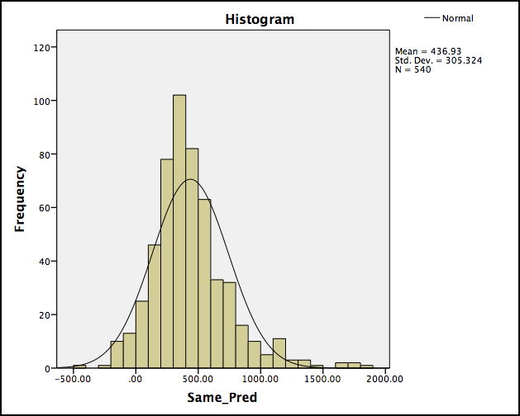
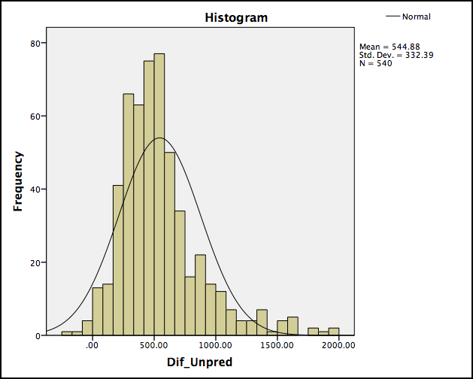

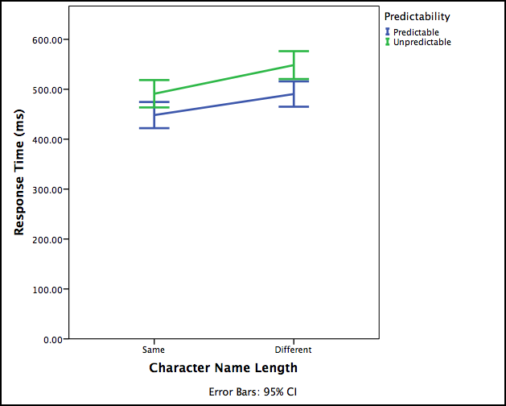
 |  |  |  |  |  |  |  | Tests of Within-Subjects Effects
 |  |  |  |  |  |  |  | Measure: RT
 |  |  |  |  |  |  |  | Source |  | Type III Sum of Squares | df | Mean Square | F | Sig.
 |  |  |  |  |  |  |  | Length | Sphericity Assumed | 1760408.293 | 1 | 1760408.293 | 30.38 | 0
 |  |  |  |  |  |  |  |  | Greenhouse-Geisser | 1760408.293 | 1 | 1760408.293 | 30.38 | 0
 |  |  |  |  |  |  |  |  | Huynh-Feldt | 1760408.293 | 1 | 1760408.293 | 30.38 | 0
 |  |  |  |  |  |  |  |  | Lower-bound | 1760408.293 | 1 | 1760408.293 | 30.38 | 0
 |  |  |  |  |  |  |  | Error(Length) | Sphericity Assumed | 31233066.302 | 539 | 57946.32
 |  |  |  |  |  |  |  |  | Greenhouse-Geisser | 31233066.302 | 539 | 57946.32
 |  |  |  |  |  |  |  |  | Huynh-Feldt | 31233066.302 | 539 | 57946.32
 |  |  |  |  |  |  |  |  | Lower-bound | 31233066.302 | 539 | 57946.32
 |  |  |  |  |  |  |  | Predictability | Sphericity Assumed | 1396701.049 | 1 | 1396701.049 | 26.506 | 0
 |  |  |  |  |  |  |  |  | Greenhouse-Geisser | 1396701.049 | 1 | 1396701.049 | 26.506 | 0
 |  |  |  |  |  |  |  |  | Huynh-Feldt | 1396701.049 | 1 | 1396701.049 | 26.506 | 0
 |  |  |  |  |  |  |  |  | Lower-bound | 1396701.049 | 1 | 1396701.049 | 26.506 | 0
 |  |  |  |  |  |  |  | Error(Predictability) | Sphericity Assumed | 28401481.347 | 539 | 52692.915
 |  |  |  |  |  |  |  |  | Greenhouse-Geisser | 28401481.347 | 539 | 52692.915
 |  |  |  |  |  |  |  |  | Huynh-Feldt | 28401481.347 | 539 | 52692.915
 |  |  |  |  |  |  |  |  | Lower-bound | 28401481.347 | 539 | 52692.915
 |  |  |  |  |  |  |  | Length * Predictability | Sphericity Assumed | 66432.19 | 1 | 66432.19 | 1.183 | 0.277
 |  |  |  |  |  |  |  |  | Greenhouse-Geisser | 66432.19 | 1 | 66432.19 | 1.183 | 0.277
 |  |  |  |  |  |  |  |  | Huynh-Feldt | 66432.19 | 1 | 66432.19 | 1.183 | 0.277
 |  |  |  |  |  |  |  |  | Lower-bound | 66432.19 | 1 | 66432.19 | 1.183 | 0.277
 |  |  |  |  |  |  |  | Error(Length*Predictability) | Sphericity Assumed | 30277958.276 | 539 | 56174.32
 |  |  |  |  |  |  |  |  | Greenhouse-Geisser | 30277958.276 | 539 | 56174.32
 |  |  |  |  |  |  |  |  | Huynh-Feldt | 30277958.276 | 539 | 56174.32
 |  |  |  |  |  |  |  |  | Lower-bound | 30277958.276 | 539 | 56174.32

Adults
 | RT
707
863
742 | 857.9
891 | 634.2
775 | 614.4
1269 | 590.5
399 | 561
927 | 399.4
681 | 380.3
555 | 372.9
824 | 326.6
1009 | 320.9
1153 | 311.5
810 | 288.3
399 | 238.6
1329 | 217.9
647 | 187.9
948 | 186.1
447 | 113.3
959 | 111.1
1768 | 41.4
788 | -120.1
715 | -121.2
539 | -243.6
824 | 1783.6
539 | 1370.8
399 | 1354.4
788 | 1205.2
681 | 1195.6
775 | 1187.2
1329 | 1153.2
399 | 781.9
863 | 751.2
707 | 749.1
1153 | 579.8
555 | 579
742 | 577.7
1768 | 569.1
1009 | 540.7
1269 | 495.4
959 | 427.1
927 | 399.9
891 | 391.7
810 | 381.3
647 | 246.5
948 | 211.4
715 | 49
555 | 602.3
742 | 569.3
681 | 511.7
...
 |  |  |  |  |  |  |  | Correlations
 |  |  |  |  |  |  |  |  |  | Name_Length | RT |  |  |  |  | Name_Length | RT
 |  |  |  |  |  |  |  | Name_Length | Pearson Correlation | 1 | -.191** |  | Spearman's rho | Name_Length | Correlation Coefficient | 1 | -.203**
 |  |  |  |  |  |  |  |  | Sig. (1-tailed) |  | 0 |  |  |  | Sig. (1-tailed) | . | 0
 |  |  |  |  |  |  |  |  | N | 2274 | 2243 |  |  |  | N | 2274 | 2243
 |  |  |  |  |  |  |  | RT | Pearson Correlation | -.191** | 1 |  |  | RT | Correlation Coefficient | -.203** | 1
 |  |  |  |  |  |  |  |  | Sig. (1-tailed) | 0 |  |  |  |  | Sig. (1-tailed) | 0 | .
 |  |  |  |  |  |  |  |  | N | 2243 | 2243 |  |  |  | N | 2243 | 2243
 |  |  |  |  |  |  |  | ** Correlation is significant at the 0.01 level (1-tailed). |  |  |  |  | ** Correlation is significant at the 0.01 level (1-tailed).

