EMA vs SMA
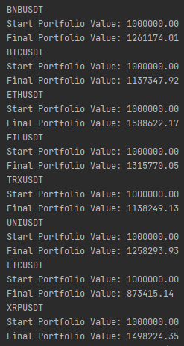
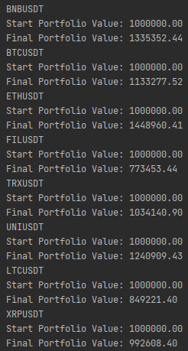
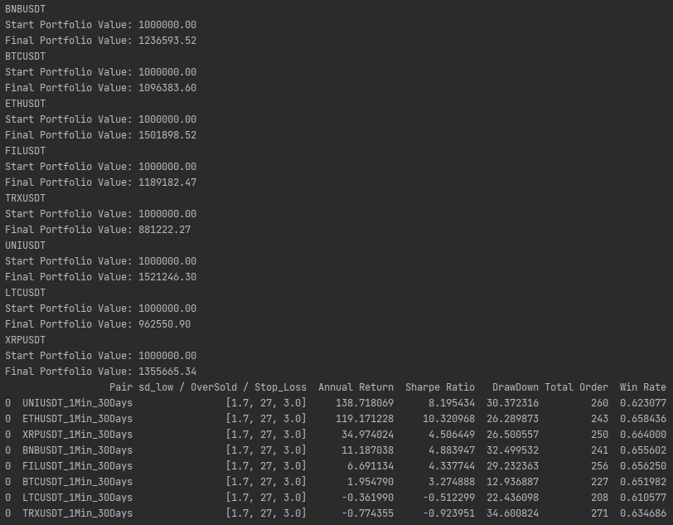
SMA | EMA | BB_Period: 20
 | Stop loss: 3.0 |  | Stop loss: 3.5 | Stop loss: 2.5 | Stop loss: 2.0

