numeric
column | price | Distribution
sample_value | 0 | 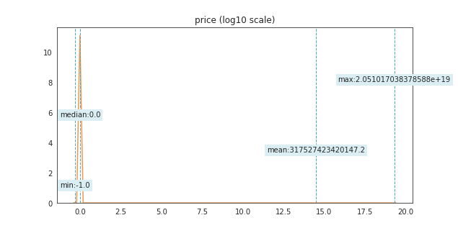
nan_rate | 0
num_uni | 1678/792975
value_min | -1
value_mean | 3.1752742342E+14
value_median | 0
value_max | 2.0510170384E+19

column | score | Distribution
sample_value | 0 | 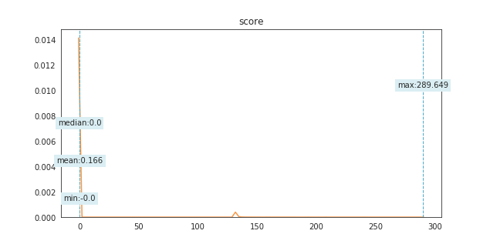
nan_rate | 0
num_uni | 1688/792975
value_min | -2E-12
value_mean | 0.16620682296
value_median | 0
value_max | 289.64857539

column | profit | Distribution
sample_value | 0 | 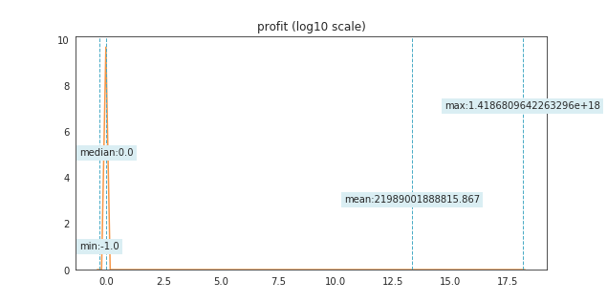
nan_rate | 7.5664428261E-06
num_uni | 1796/792969
value_min | -1
value_mean | 2.1989001889E+13
value_median | 0
value_max | 1.4186809642E+18

column | n_obs_used | Distribution
sample_value | 39 | 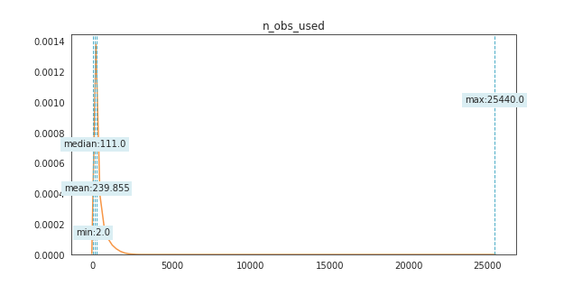
nan_rate | 9.0797313913E-05
num_uni | 2800/792903
value_min | 2
value_mean | 239.85479939
value_median | 111
value_max | 25440

column | diameter_sigma | Distribution
sample_value | 0.835 | 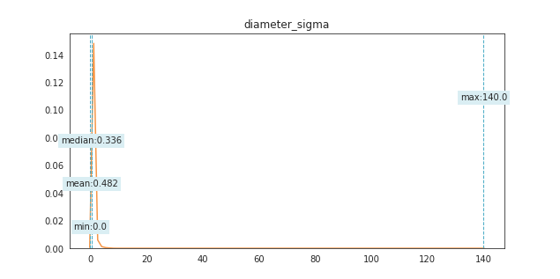
nan_rate | 0.82447618147
num_uni | 3058/139186
value_min | 0.0005
value_mean | 0.4817952991
value_median | 0.336
value_max | 140

column | t_jup | Distribution
sample_value | 3.366 | 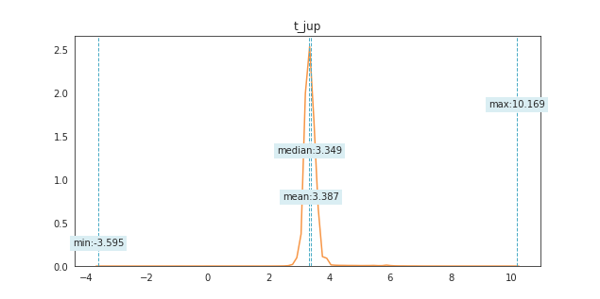
nan_rate | 0.002681042908
num_uni | 5468/790849
value_min | -3.595
value_mean | 3.3872755292
value_median | 3.349
value_max | 10.169

column | est_diameter | Distribution
sample_value | 1.4304719672 | 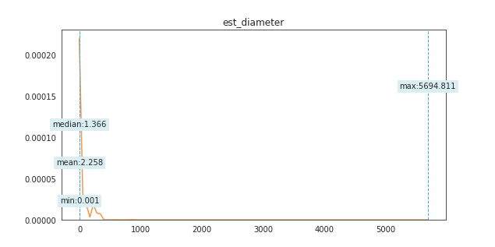
nan_rate | 0.18296541505
num_uni | 8005/647888
value_min | 0.0007861028149
value_mean | 2.2584141692
value_median | 1.3660901232
value_max | 5694.8114743

column | H | Distribution
sample_value | 15.7 | 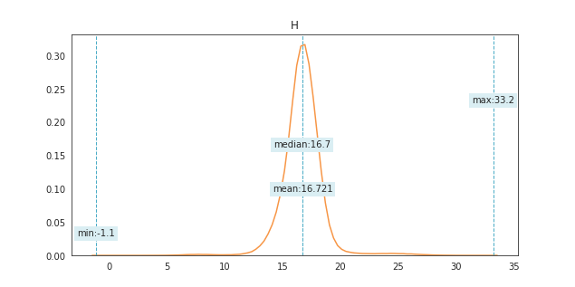
nan_rate | 0.0083684857656
num_uni | 8442/786339
value_min | -1.1
value_mean | 16.720631436
value_median | 16.7
value_max | 33.2

column | diameter | Distribution
sample_value | 2.474 | 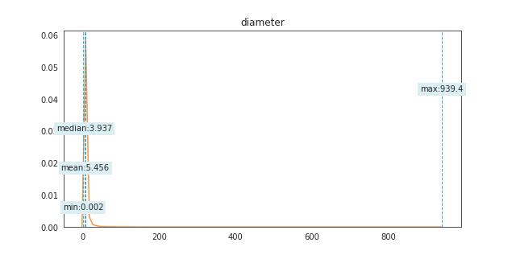
nan_rate | 0.82419748416
num_uni | 16616/139407
value_min | 0.0025
value_mean | 5.4560127146
value_median | 3.937
value_max | 939.4

column | data_arc | Distribution
sample_value | 5777 | 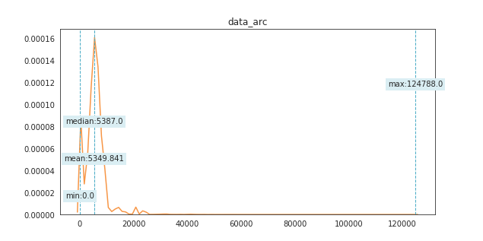
nan_rate | 0.00063684227119
num_uni | 22416/792470
value_min | 0
value_mean | 5349.8413643
value_median | 5387
value_max | 124788

column | H_sigma | Distribution
sample_value | 0.62577 | 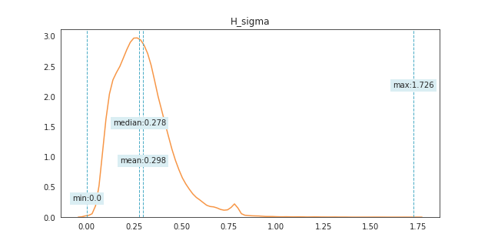
nan_rate | 0.87583467322
num_uni | 44948/98460
value_min | 0
value_mean | 0.29768407583
value_median | 0.27807
value_max | 1.726

column | rms | Distribution
sample_value | 0.55923 | 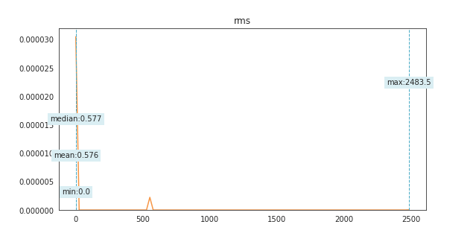
nan_rate | 0.0026936536461
num_uni | 68073/790839
value_min | 0
value_mean | 0.57586520706
value_median | 0.57654
value_max | 2483.5

column | moid_jup | Distribution
sample_value | 2.38962 | 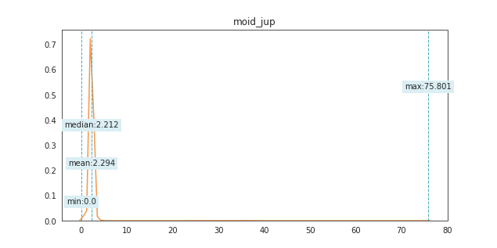
nan_rate | 0.0042510797944
num_uni | 197211/789604
value_min | 4.13252E-06
value_mean | 2.2944477224
value_median | 2.21246
value_max | 75.8014

column | sigma_i | Distribution
sample_value | 0.000012811 | 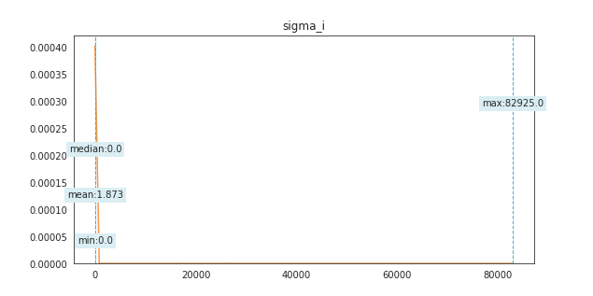
nan_rate | 0.0031552066585
num_uni | 219763/790473
value_min | 1.9267E-09
value_mean | 1.8726714072
value_median | 9.7546E-06
value_max | 82925

column | sigma_om | Distribution
sample_value | 0.00010001 | 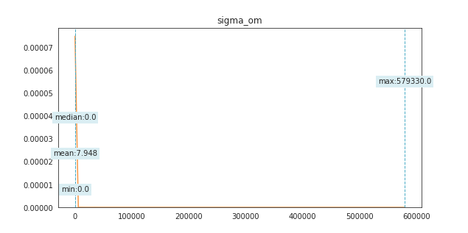
nan_rate | 0.0031552066585
num_uni | 237389/790473
value_min | 1.1722E-08
value_mean | 7.9484322692
value_median | 0.000079278
value_max | 579330

column | sigma_q | Distribution
sample_value | 0.00001451 | 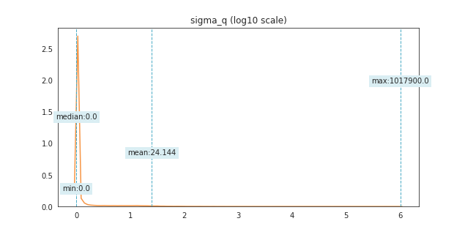
nan_rate | 0.0031552066585
num_uni | 243974/790473
value_min | 5.6278E-11
value_mean | 24.144489077
value_median | 2.5805E-07
value_max | 1017900

column | sigma_n | Distribution
sample_value | 3.1564E-06 | 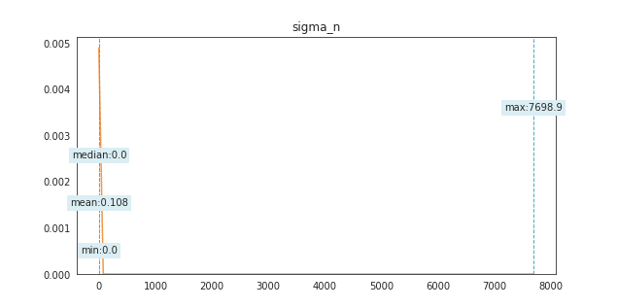
nan_rate | 0.0032043885368
num_uni | 251108/790434
value_min | 2.9918E-12
value_mean | 0.10829593185
value_median | 5.3086E-09
value_max | 7698.9

column | sigma_e | Distribution
sample_value | 4.6414E-08 | 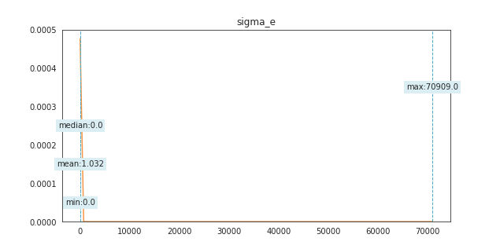
nan_rate | 0.0031552066585
num_uni | 255905/790473
value_min | 1.172E-11
value_mean | 1.0316100625
value_median | 9.3407E-08
value_max | 70909

column | sigma_ad | Distribution
sample_value | 0.0073318 | 
nan_rate | 0.0035032630285
num_uni | 261340/790197
value_min | 2.7786E-11
value_mean | 29.31260825
value_median | 4.9883E-08
value_max | 5509900

column | sigma_a | Distribution
sample_value | 9.1223E-09 | 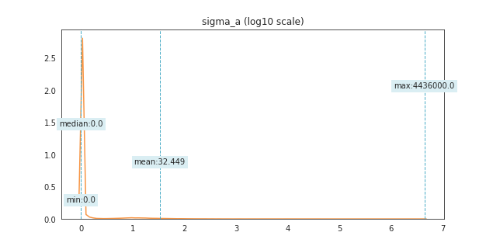
nan_rate | 0.0032043885368
num_uni | 263699/790434
value_min | 2.5823E-11
value_mean | 32.448712371
value_median | 4.3998E-08
value_max | 4436000

column | sigma_ma | Distribution
sample_value | 0.000012308 | 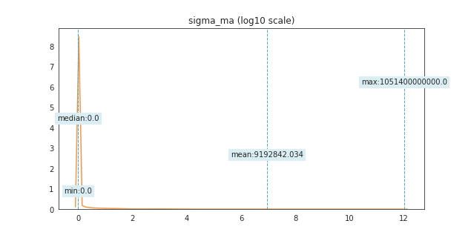
nan_rate | 0.0032043885368
num_uni | 265132/790434
value_min | 3.8526E-10
value_mean | 9192842.034
value_median | 5.54325E-05
value_max | 1051400000000

column | sigma_w | Distribution
sample_value | 0.00007979 | 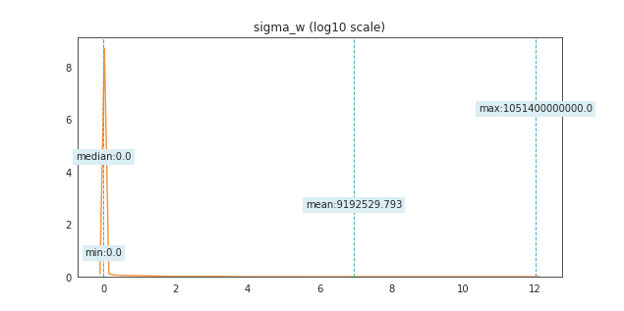
nan_rate | 0.0031552066585
num_uni | 266871/790473
value_min | 1.1463E-08
value_mean | 9192529.7932
value_median | 0.00012146
value_max | 1051400000000

column | sigma_per | Distribution
sample_value | 0.000040713 | 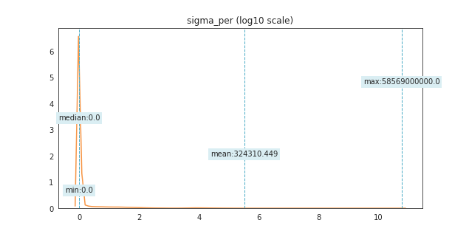
nan_rate | 0.0035032630285
num_uni | 272915/790197
value_min | 2.3411E-08
value_mean | 324310.4485
value_median | 0.000040055
value_max | 58569000000

column | sigma_tp | Distribution
sample_value | 0.000037408 | 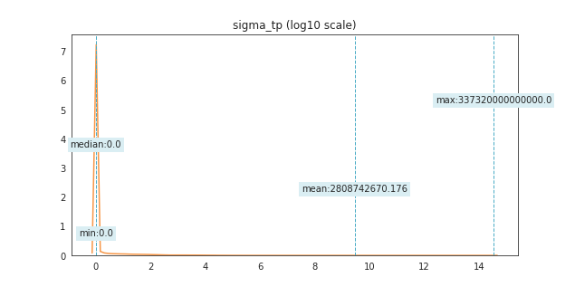
nan_rate | 0.0031552066585
num_uni | 287050/790473
value_min | 1.327E-08
value_mean | 2808742670.2
value_median | 0.00025055
value_max | 337320000000000

column | moid | Distribution
sample_value | 0.989469 | 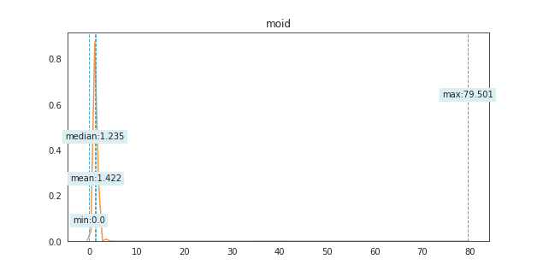
nan_rate | 0.0031514234371
num_uni | 289777/790476
value_min | 3.43764E-07
value_mean | 1.4215633123
value_median | 1.234755
value_max | 79.5013

column | moid_ld | Distribution
sample_value | 322.9760747 | 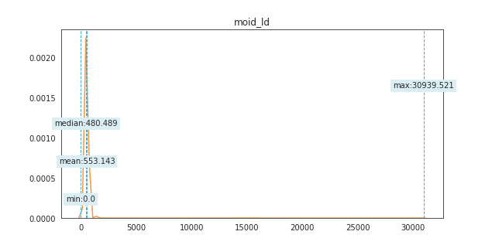
nan_rate | 0.0029950502853
num_uni | 289778/790600
value_min | 0
value_mean | 553.14302407
value_median | 480.4887405
value_max | 30939.520921

column | dv | Distribution
sample_value | 11.317814 | 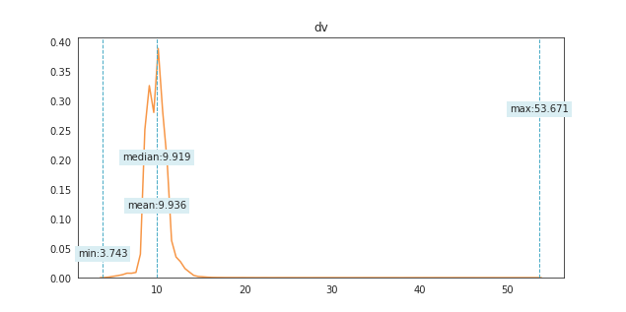
nan_rate | 0.0037504334941
num_uni | 711999/790001
value_min | 3.74314
value_mean | 9.935871928
value_median | 9.919217
value_max | 53.670576

column | closeness | Distribution
sample_value | 2655.6279982 | 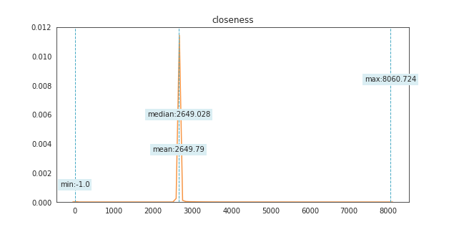
nan_rate | 7.5664428261E-06
num_uni | 788111/792969
value_min | -1
value_mean | 2649.7902018
value_median | 2649.0278478
value_max | 8060.7244033

column | per | Distribution
sample_value | 4277.9093076 | 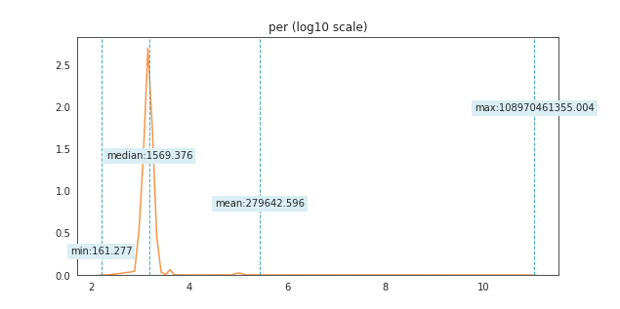
nan_rate | 0.0029307355213
num_uni | 790650/790651
value_min | 161.27667039
value_mean | 279642.59601
value_median | 1569.3761868
value_max | 1.0897046136E+11

column | per_y | Distribution
sample_value | 5.4929641391 | 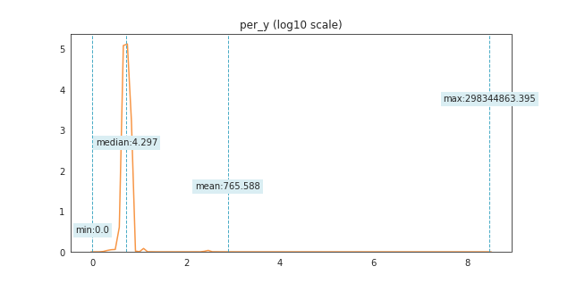
nan_rate | 0.0028891200858
num_uni | 790651/790684
value_min | 0
value_mean | 765.5877477
value_median | 4.2966862739
value_max | 298344863.39

column | ad | Distribution
sample_value | 3.0093984456 | 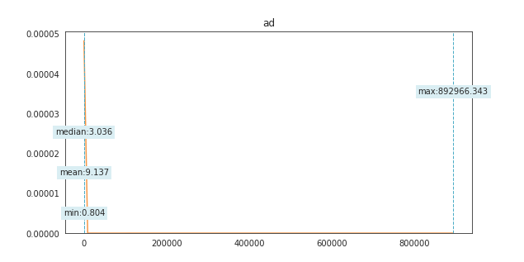
nan_rate | 0.0027504019673
num_uni | 790794/790794
value_min | 0.80378009788
value_mean | 9.1365973461
value_median | 3.0360126935
value_max | 892966.34324

column | n | Distribution
sample_value | 0.21455458242 | 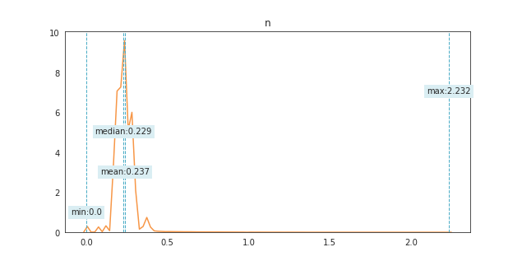
nan_rate | 0.0023165925786
num_uni | 791091/791138
value_min | 0
value_mean | 0.23689393035
value_median | 0.22936336322
value_max | 2.2321889404

column | ma | Distribution
sample_value | 186.91636489 | 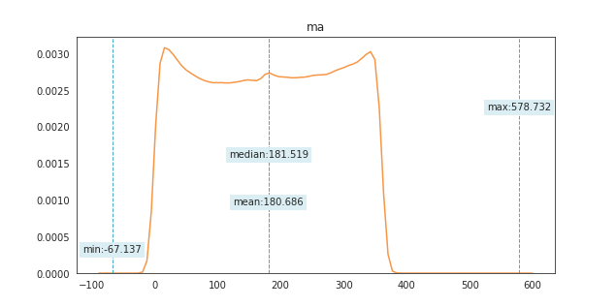
nan_rate | 0.0023241590214
num_uni | 791099/791132
value_min | -67.136825735
value_mean | 180.68592439
value_median | 181.5193532
value_max | 578.73160533

column | e | Distribution
sample_value | 0.17063533346 | 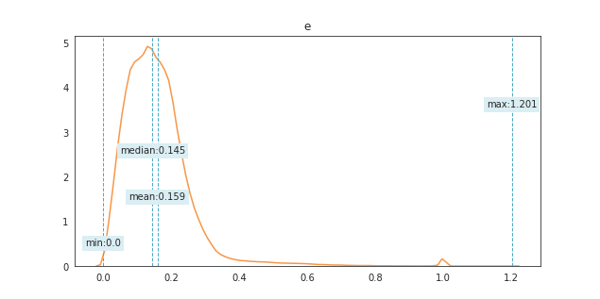
nan_rate | 0
num_uni | 791116/792975
value_min | 0
value_mean | 0.15898618992
value_median | 0.14452461397
value_max | 1.2011337961

column | a | Distribution
sample_value | 2.9059405787 | 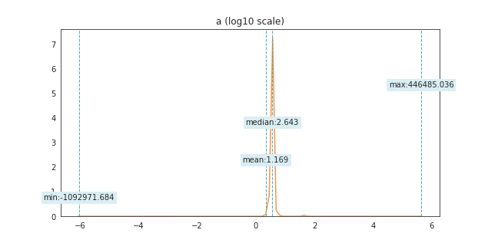
nan_rate | 0.0023165925786
num_uni | 791138/791138
value_min | -1092971.6838
value_mean | 1.1686853207
value_median | 2.6428471917
value_max | 446485.03646

column | q | Distribution
sample_value | 1.9300174847 | 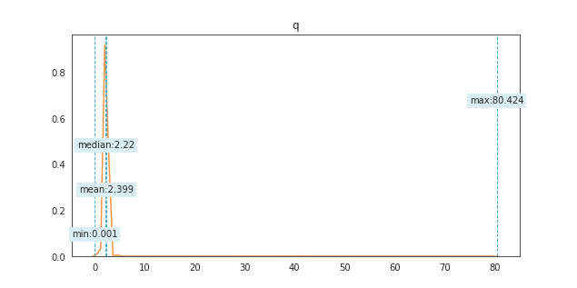
nan_rate | 0
num_uni | 791711/792975
value_min | 0.0011
value_mean | 2.3990850034
value_median | 2.2198203883
value_max | 80.424174795

column | i | Distribution
sample_value | 17.409283413 | 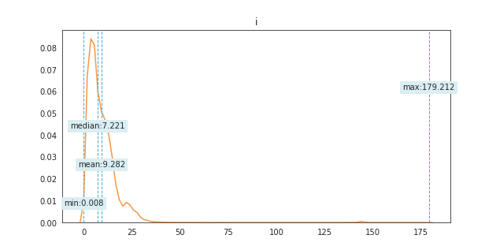
nan_rate | 0
num_uni | 792302/792975
value_min | 0.0075446554388
value_mean | 9.2822758149
value_median | 7.2206797091
value_max | 179.2123

column | w | Distribution
sample_value | 185.24124341 | 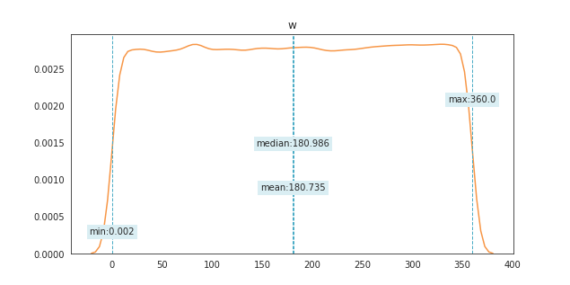
nan_rate | 0
num_uni | 792737/792975
value_min | 0.0016606117202
value_mean | 180.73544613
value_median | 180.98612888
value_max | 359.99983304

column | om | Distribution
sample_value | 90.332341565 | 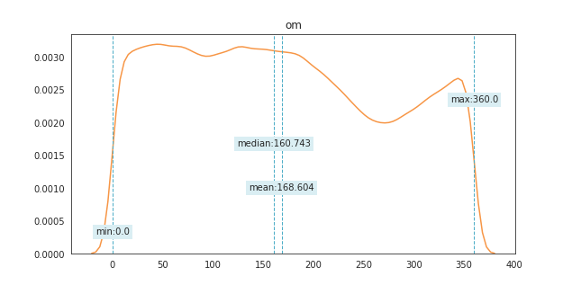
nan_rate | 0
num_uni | 792764/792975
value_min | 0
value_mean | 168.60437774
value_median | 160.74256781
value_max | 359.99978624

column | tp_cal | Distribution
sample_value | 20180729.139 | 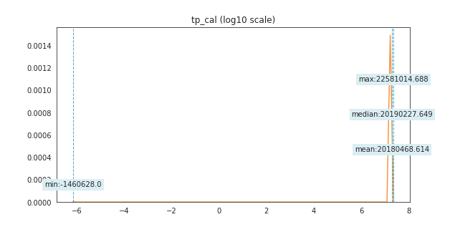
nan_rate | 0
num_uni | 792942/792975
value_min | -1460628
value_mean | 20180468.614
value_median | 20190227.649
value_max | 22581014.688

column | tp | Distribution
sample_value | 2458059.4129 | 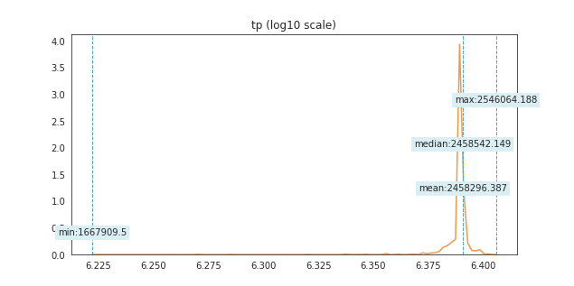
nan_rate | 0
num_uni | 792960/792975
value_min | 1667909.5
value_mean | 2458296.3872
value_median | 2458542.1491
value_max | 2546064.1876

