usados
laravel-frontend-presets/tall: A TALL (Tailwind CSS, Alpine.js, Laravel and Livewire) Preset for Laravel (github.com)

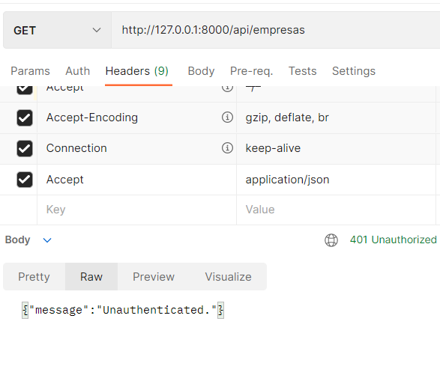
model Tenant -mf |  | postman routes com middleware
global scope

 | hugoresende27 / rel_ponto — Bitbucket

