notas
laravel-frontend-presets/tall: A TALL (Tailwind CSS, Alpine.js, Laravel and Livewire) Preset for Laravel (github.com)

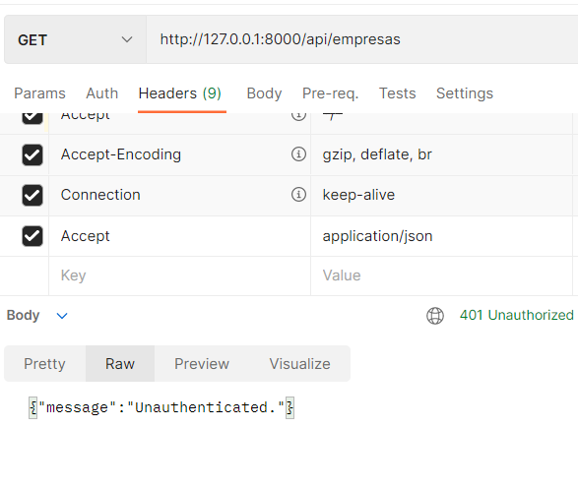
model Tenant -mf |  | postman routes com middleware
global scope |  |  |  |  |  | encryption search
 |  |  |  |  |  | Theta Labs / laravel-database-encryption · GitLab

 |  |  |  | passport
 |  |  |  | Laravel 7 Passport – Create REST API With Authentication 2021 - YouTube

 |  |  |  | FACTORY TINKER
 |  |  |  | \App\Models\User::factory()->count(2)->create();
 |  |  |  | \App\Models\User::factory()->create(['email'=>'h@h','password'=>bcrypt('1111')]);

 | hugoresende27 / rel_ponto — Bitbucket |  | para fazer imports, o 'name'=>$row[x]
 | HTTP response status codes - HTTP | MDN (mozilla.org) |  |  |  | x vai ser 1, se na tabela o campo name for o 2
 |  |  | para fazer imports, o 'location_id'=>$row[x]
 |  |  |  |  | x vai ser 8, se na tabela companies o campo location_id for o 9
 |  |  | O CAMPO IMPORTADO VAI TER O VALOR x-1 em relação ao numero do campo na tabela
 |  |  | tabela |  | import
 |  |  | id->1
 |  |  | name->2 |  | name->row[1]
 |  |  | email->3 |  | email->row[2]
 |  |  | nif->4 |  | nif->row[3]

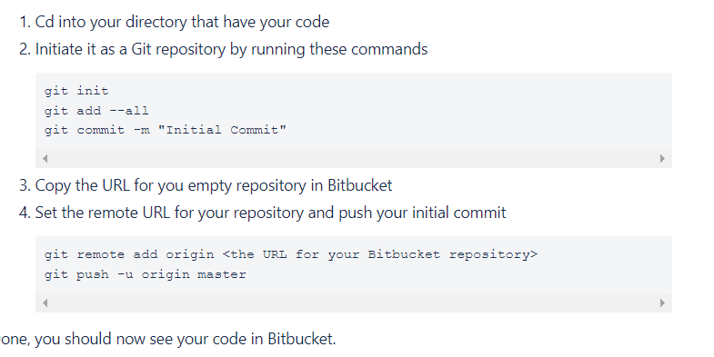
 |  |  |  |  |  |  | artisan serve domain
 |  |  |  |  |  |  | php artisan serve --host=some-domain.test --port=anyPort

 |  |  |  |  |  |  | php artisan serve --host=localhost --port=8000

tymon | PHP-Open-Source-Saver/jwt-auth: 🔐 JSON Web Token Authentication for Laravel & Lumen (github.com)

