npm install
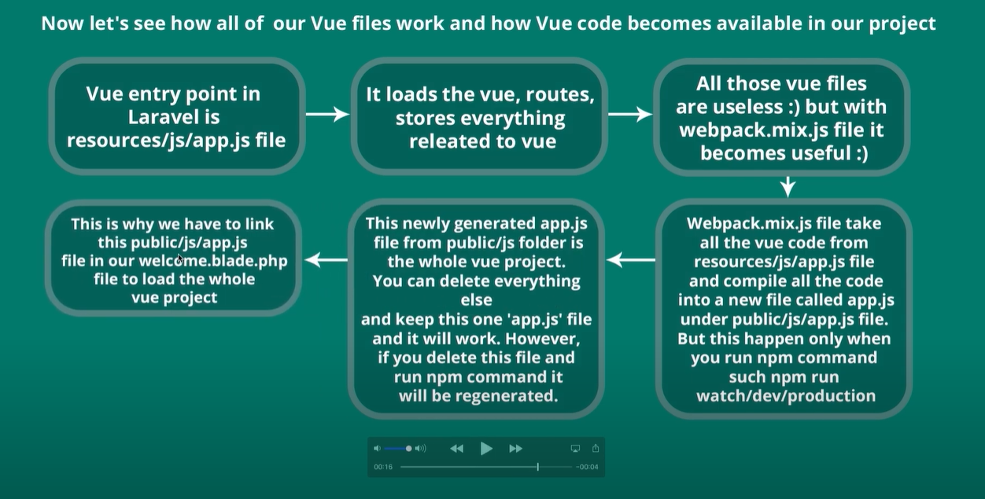
1.npm install
2.npm install vue
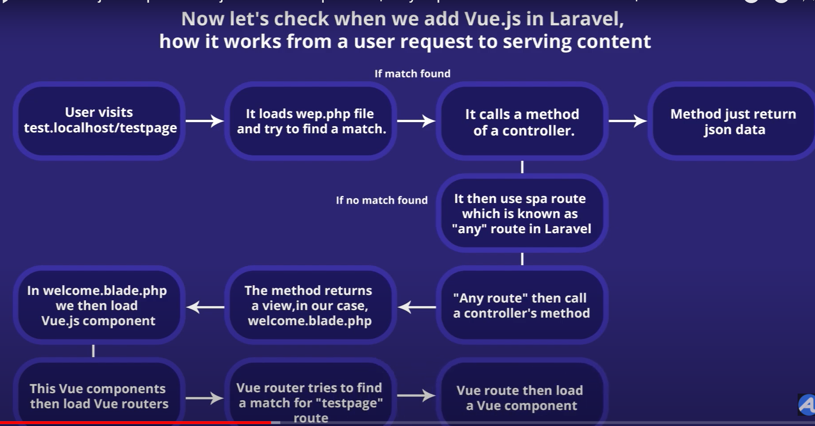

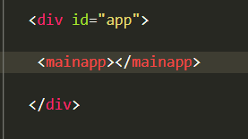
 | 1.npm run watch
 | vue.js - Install vue 3.0 in laravel - Stack Overflow

router
npm install vue-router
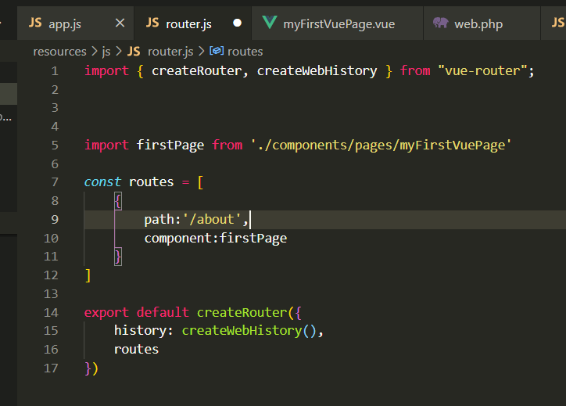
 | app.js
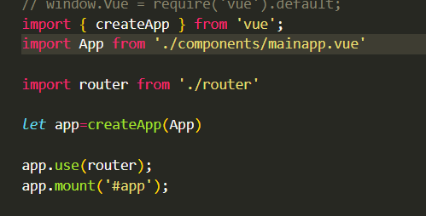

 | welcome tem <mainapp></mainapp> que por sua vez contém <router-view></router-view>

