Instructions & Tips
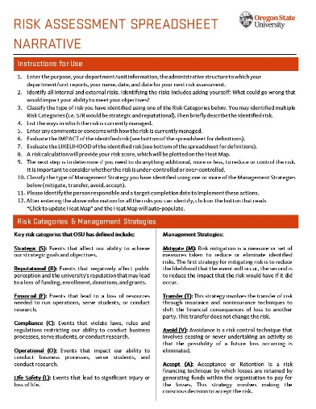

Risk Assessment
Click to update Heat Map

 |  |  |  |  |  | Risk Calculation
What is the risk?* | Identify the Risk Category and briefly describe the identified risk | How is risk currently managed? | Comments/Concerns | Impact | Likelihood | Impact | Likelihood | Risk Score | Who should be involved in the discussion and decision making? | Do you need to do anything else, more or less, to reduce or control the risk?

Risk 1 | Wing-sweep mechanism failure | Rechecking pivoting mechanism | If the mechanism fails, flight may continue in a fixed-wing configuration without catastrophic failure | Mild | Low-Medium | 2 | 2 | 4 | Hugo/Ismael
Risk 2 | Stalling upon full wing-sweep mechanism activation | A code is being developed to adjust the Angle of Attack during the wing-sweep mecanism (The oblique configuration reduces the wing’s projected area, lowering lift. Compensation via increased AoA is being implemented in software). | If the drone isn't capable of generating enough lift to sustain flight, it could stall during a flight, resulting in serious, maybe irreparable structural damage. | Catastrophic | Medium-High | 5 | 4 | 20
Risk 3 | Servo burnout | The team acquired the MG996R servo, wich is more than sufficient for the high torque task at hand, in this case, the pivoting contraption. | If servo burnout occurs, due to exceeding torque applied, the motor could overheat or stall, causing structural damage, due to the highly flammable nature of the material used for the fusilage. | Catastrophic | Low | 5 | 1 | 5
Risk 4 | CP shifts aft at high sweep, causing pitch instability (CG behind CP). | The team decided to use the BNO055 gyro to detect pitch and yaw instability from CG-CP shift, applying elevator trim in real time to stabilize the flight without the use of extra mass. |  | Mild | High | 2 | 5 | 10
 |  |  |  |  |  | #N/A | #N/A | #N/A
 |  |  |  |  |  | #N/A | #N/A | #N/A
 |  |  |  |  |  | #N/A | #N/A | #N/A
 |  |  |  |  |  | #N/A | #N/A | #N/A
 |  |  |  |  |  | #N/A | #N/A | #N/A
 |  |  |  |  |  | #N/A | #N/A | #N/A
 |  |  |  |  |  | #N/A | #N/A | #N/A
 |  |  |  |  |  | #N/A | #N/A | #N/A
 |  |  |  |  |  | #N/A | #N/A | #N/A
 |  |  |  |  |  | #N/A | #N/A | #N/A
 |  |  |  |  |  | #N/A | #N/A | #N/A
 |  |  |  |  |  | #N/A | #N/A | #N/A
 |  |  |  |  |  | #N/A | #N/A | #N/A
 |  |  |  |  |  | #N/A | #N/A | #N/A
 |  |  |  |  |  | #N/A | #N/A | #N/A
 |  |  |  |  |  | #N/A | #N/A | #N/A

Click for DFA Risk Appetite Statements
Risk Assessment Scoring Tool
IMPACT |  | LIKELIHOOD
(1) Insignificant-- Insignificant impact on operations, reputation, or financial condition; no safety or health hazards present. |  | (1) Low-- Nearly unlikely to happen in the near future and no immediate action is needed.
(2) Mild-- Minimal impact on operations, reputation, or financial condition; minimal safety or health hazards present. |  | (2) Low-Medium-- Moderately unlikely to happen in the near future and minimal action is needed.
(3) Moderate-- Could delay operations, effect short term programs, require moderate management effort, may draw publicity, minor to moderate safety or health hazards present. |  | (3) Medium-- Likely to occur and actions should be taken to reduce or control the risk.
(4) Significant-- Significant effect on long-term programs, could result in major property damage, significant financial loss, negative publicity, or cause severe injury. |  | (4) Medium-High-- More than likely to occur and management or organizers should begin to mitigate.
(5) Catastrophic-- Long-term and serious effect on ability to continue operations, recruit students, staff or faculty, financial support; material breach of confidence and reputation; may result in severe injury and/or death. |  | (5) High-- High probability the risk will occur; immediate action plans required.

Heat Map
Risk Assessment Heat Map
 | Likelihood
2 | 2
5 | 4
5 | 1
2 | 5
#N/A | #N/A
#N/A | #N/A
#N/A | #N/A
#N/A | #N/A
#N/A | #N/A
#N/A | #N/A
#N/A | #N/A
#N/A | #N/A
#N/A | #N/A
#N/A | #N/A
#N/A | #N/A
#N/A | #N/A
#N/A | #N/A
#N/A | #N/A
#N/A | #N/A
#N/A | #N/A

