Sheet2
Config 1
Config 1
Testing |  |  |  | T1 |  |  |  | T2 |  |  | Max top dispalcement |  |  |  | Max base shear |  |  |  | Max top dispalcement | Max base shear
 | Config
 |  | Model | MSE | RMSE | MAE | R2 | MSE | RMSE | MAE | R2 | MSE | RMSE | MAE | R3 | MSE | RMSE | MAE | R4
 | 1 | Random Forest | 0.001 | 0.026 | 0.016 | 0.991 | 0.0 | 0.007 | 0.004 | 0.990 | 0.926 | 0.962 | 0.624 | 0.917 | 4344 | 65.9 | 43.5 | 0.925
 |  | XGboost | 0.001 | 0.023 | 0.015 | 0.993 | 0.0 | 0.006 | 0.004 | 0.994 | 0.891 | 0.944 | 0.623 | 0.920 | 3437 | 58.6 | 39.0 | 0.94
 |  | AdaBoost | 0.001 | 0.027 | 0.017 | 0.99 | 0.0 | 0.008 | 0.005 | 0.988 | 0.923 | 0.961 | 0.599 | 0.917 | 4784 | 69.2 | 43.9 | 0.917
 | 2 | Random Forest | 0.001 | 0.023 | 0.014 | 0.994 | 0.0 | 0.006 | 0.004 | 0.993 | 1.40 | 1.186 | 0.684 | 0.920 | 5423 | 73.6 | 46.5 | 0.921
 |  | XGboost | 0.000 | 0.02 | 0.014 | 0.996 | 0.0 | 0.006 | 0.004 | 0.995 | 1.43 | 1.196 | 0.711 | 0.918 | 4022 | 63.4 | 41.4 | 0.941
 |  | AdaBoost | 0.001 | 0.025 | 0.015 | 0.994 | 0.0 | 0.007 | 0.004 | 0.991 | 1.49 | 1.221 | 0.658 | 0.915 | 5671 | 75.3 | 47.2 | 0.917
 | 3 | Random Forest | 0.001 | 0.022 | 0.013 | 0.994 | 0.0 | 0.007 | 0.004 | 0.993 | 1.156 | 1.075 | 0.659 | 0.915 | 6103 | 78.1 | 46.7 | 0.927
Config 2
Config 2
 |  | XGboost | 0.000 | 0.021 | 0.014 | 0.994 | 0.0 | 0.006 | 0.004 | 0.993 | 1.191 | 1.091 | 0.693 | 0.912 | 5282 | 72.7 | 43.9 | 0.937
 |  | AdaBoost | 0.001 | 0.025 | 0.015 | 0.992 | 0.0 | 0.007 | 0.004 | 0.992 | 1.204 | 1.097 | 0.648 | 0.911 | 6978 | 83.5 | 48.2 | 0.916

Training |  |  |  | T1 |  |  |  | T2 |  |  | Max top dispalcement |  |  |  | Max base shear
 |  | Model |  |  |  | R2 |  |  |  | R2 |  |  |  | R3 |  |  |  | R4
 | 1 | Random Forest |  |  |  |  |  |  |  |  |  |  |  | 0.983 |  |  |  | 0.985
 |  | XGboost |  |  |  |  |  |  |  |  |  |  |  | 0.979 |  |  |  | 0.989
Configuration 1 |  | AdaBoost |  |  |  |  |  |  |  |  |  |  |  | 1.00 |  |  |  | 1.00
Config 3
Config 3
Configuration 2 | 2 | Random Forest |  |  |  |  |  |  |  |  |  |  |  | 0.984 |  |  |  | 0.983
Configuration 3 |  | XGboost |  |  |  |  |  |  |  |  |  |  |  | 0.989 |  |  |  | 0.992
 |  | AdaBoost |  |  |  |  |  |  |  |  |  |  |  | 1.00 |  |  |  | 1.00
 | 3 | Random Forest |  |  |  |  |  |  |  |  |  |  |  | 0.982 |  |  |  | 0.985
 |  | XGboost |  |  |  |  |  |  |  |  |  |  |  | 0.987 |  |  |  | 0.993
 |  | AdaBoost |  |  |  |  |  |  |  |  |  |  |  | 1.00 |  |  |  | 1.00

Sheet3
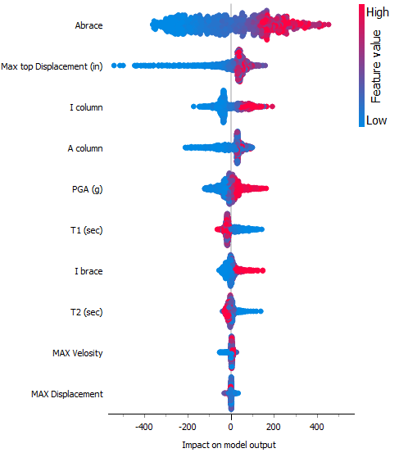
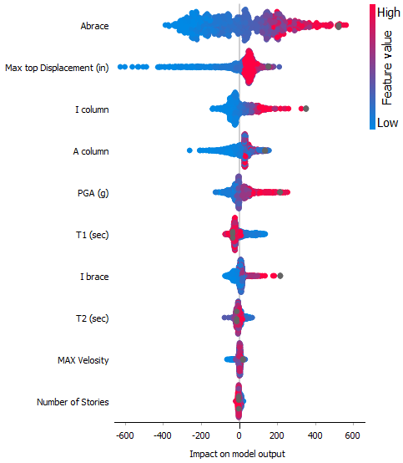
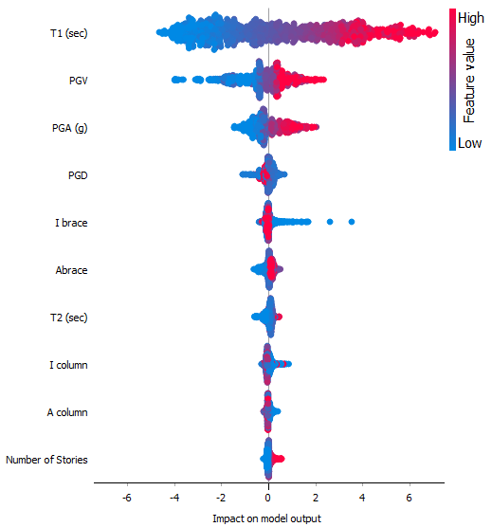
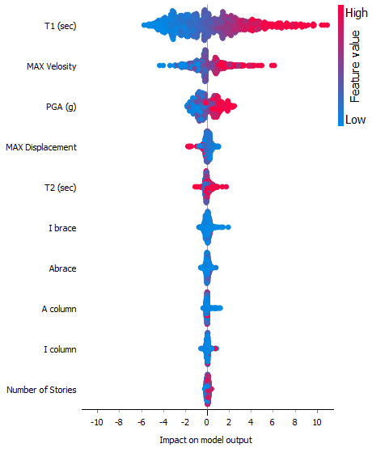
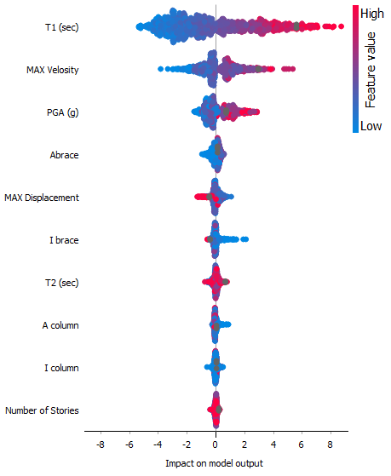
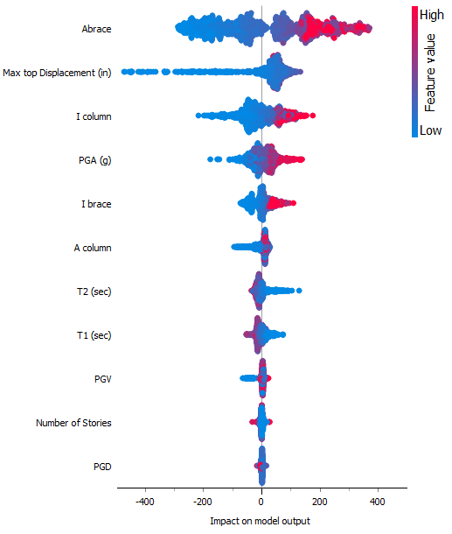
Configuration 1 | XGboost | Configuration 2 | Configuration 3

Sheet4
Configuration 1 |  |  | Configuration 2 |  |  | Configuration 3
 |  |  | Mean | Std | Feature | Mean | Std | Feature
Mean | Std | Feature | continuous | continuous | string | continuous | continuous | string
continuous | continuous | string |  |  | meta |  |  | meta
 |  | meta | 0.0040101533411 | 0.00030509303366 | # Stories | 0.0043810430297 | 0.00011992413722 | # Stories
0.0027812309805 | 0.00023857337999 | PGD | 0.0049045245184 | 0.00048447099262 | PGD | 0.0051818153326 | 0.00039562556991 | PGD
0.0047603388735 | 0.00025649601335 | # Stories | 0.0064459608903 | 0.00021388783575 | PGV | 0.0067243798395 | 0.00033418802692 | PGV
0.0087875521829 | 0.00036697368718 | PGV | 0.023417724995 | 0.0014062930036 | T2 (sec) | 0.01746213485 | 0.00070079219189 | T2 (sec)
0.022161740933 | 0.0011936730812 | T1 (sec) | 0.03786854727 | 0.0013110237249 | I brace | 0.04753758884 | 0.0033165085695 | I brace
0.032204387868 | 0.00081527398512 | T2 (sec) | 0.054847104571 | 0.0032708158807 | T1 (sec) | 0.053490617009 | 0.0013345375355 | T1 (sec)
0.032434996404 | 0.0012925466219 | A column | 0.10748987195 | 0.0034016515789 | PGA | 0.13201388182 | 0.0098291102997 | I column
0.05570941644 | 0.0017783130551 | I brace | 0.14750494683 | 0.0065179892342 | I column | 0.14256803408 | 0.0073890050867 | PGA
0.10405464347 | 0.0051028935123 | PGA | 0.15522395343 | 0.0043010535126 | A column | 0.14436100742 | 0.0085356833209 | A column
0.2111919146 | 0.011732785315 | I column | 0.4529045261 | 0.0077141566866 | Max top Disp | 0.50399267263 | 0.019074586077 | Max top Disp
0.48242261473 | 0.029509182538 | Max top Disp | 1.1662338458 | 0.039348486614 | Abrace | 1.17839881 | 0.031809093216 | Abrace
1.1652599241 | 0.030769509037 | Abrace

Mean | Std | Feature | Mean | Std | Feature | Mean | Std | Feature
continuous | continuous | string | continuous | continuous | string | continuous | continuous | string
 |  | meta |  |  | meta |  |  | meta
0.0042491354418 | 0.0004230727376 | A column | 0.0031623044597 | 0.00030275733566 | # Stories | 0.0051657335982 | 0.00023848944407 | # Stories
0.0045442138081 | 0.00037870881049 | # Stories | 0.010526515082 | 0.00057327936168 | I column | 0.0096862003113 | 0.00066388268908 | A column
0.014122953346 | 0.00093673262654 | Abrace | 0.012257405669 | 0.00048282228859 | Abrace | 0.012204540856 | 0.00056320792063 | I column
0.014884716801 | 0.00096191551678 | I column | 0.012476926612 | 0.00086473637924 | A column | 0.021204168887 | 0.00054060766319 | T2 (sec)
0.014950389215 | 0.00077794221005 | T2 (sec) | 0.025535345263 | 0.0008750534551 | T2 (sec) | 0.024783204847 | 0.00096206958874 | Abrace
0.025053944088 | 0.0011383373711 | PGD | 0.027929850257 | 0.001002867025 | I brace | 0.031068670564 | 0.0022120817943 | I brace
0.035912294594 | 0.0023920864546 | I brace | 0.033382263001 | 0.0016047179551 | PGD | 0.037175899961 | 0.0013601314315 | PGD
0.1258889025 | 0.0053246304606 | PGA | 0.15449633382 | 0.0064568096661 | PGA | 0.18178916099 | 0.005298199534 | PGA
0.34714806867 | 0.024440935807 | PGV | 0.47889869457 | 0.027676865487 | PGV | 0.40022027756 | 0.020385229747 | PGV
1.5717945098 | 0.055929548152 | T1 (sec) | 1.4500438474 | 0.046024648459 | T1 (sec) | 1.5357319357 | 0.033007764323 | T1 (sec)

Base shear, config 1
Displacement, config 1

Base shear, config 2
Displacement, config 2

Base shear, config 3
Displacement, config 3

Sheet4 (2)
Configuration 1 |  |  | Configuration 2 |  |  | Configuration 3
 |  |  | Mean | Std | Feature | Mean | Std | Feature
Mean | Std | Feature | continuous | continuous | string | continuous | continuous | string
continuous | continuous | string |  |  | meta |  |  | meta
 |  | meta | 0.0037319039102 | 8.3885269227E-05 | I brace | 0.0028420609928 | 0.00015207329169 | I brace
0.002747924489 | 0.00013356029692 | I brace | 0.039634697737 | 0.0012220827019 | I column | 0.077443874091 | 0.0013613230338 | I column
0.088230104423 | 0.0041202245708 | I column | 0.20573935074 | 0.0044227610571 | Abrace | 0.17504217042 | 0.0065389904722 | A column
0.13231802883 | 0.0067131802739 | A column | 0.27286370941 | 0.0099872258127 | A column | 0.29604521891 | 0.0087986539279 | Abrace
0.3008170388 | 0.0081156202684 | Abrace | 1.4681729226 | 0.031358150087 | # Stories | 1.4995755749 | 0.059658912853 | # Stories
1.5117508773 | 0.034337003367 | # Stories

Mean | Std | Feature | Mean | Std | Feature | Mean | Std | Feature
continuous | continuous | string | continuous | continuous | string | continuous | continuous | string
 |  | meta |  |  | meta |  |  | meta
0.0030978211951 | 0.00026317090772 | I brace | 0.0023859275021 | 7.1868498813E-05 | I brace | 0.004762265038 | 0.00039611256252 | I brace
0.036432461107 | 0.0020663496663 | A column | 0.041148097345 | 0.00085148650189 | I column | 0.03795649511 | 0.0018558159527 | A column
0.070073893175 | 0.0042271945613 | I column | 0.05536714953 | 0.0009111727357 | A column | 0.081031725502 | 0.0028224850738 | I column
0.61007248126 | 0.017978685182 | Abrace | 0.57486082413 | 0.0092273035431 | Abrace | 0.63628382412 | 0.022425787215 | Abrace
1.3079393549 | 0.028705160643 | # Stories | 1.3107995472 | 0.02126086548 | # Stories | 1.324889973 | 0.050251806234 | # Stories

T1, config 1
T2, config 1

T1, config 2
T2, config 2

T1, config 3
T2, config 3

Sheet5
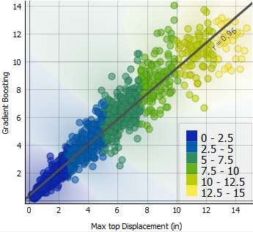
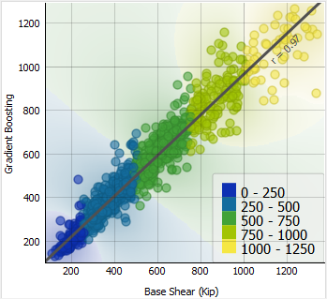
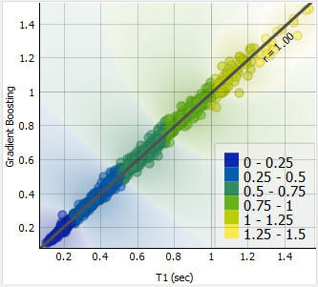
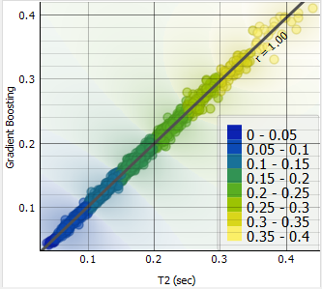
Config 1
Config 1
Config 1
Config 1

Configuration 1

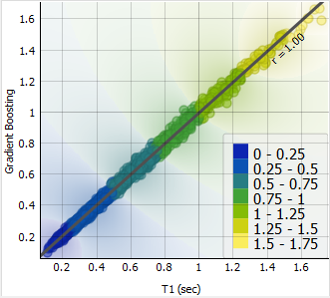
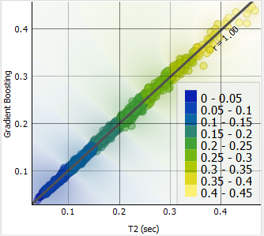
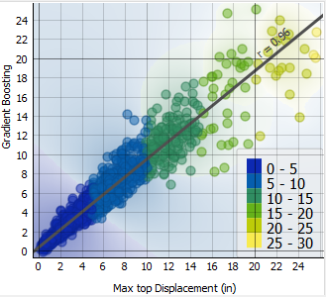
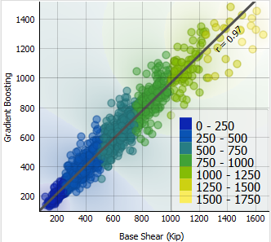
Config 2
Config 2
Config 2
Config 2

Configuration 2

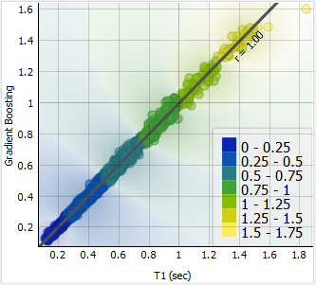
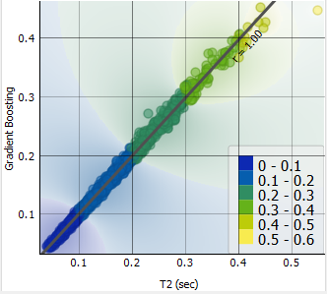

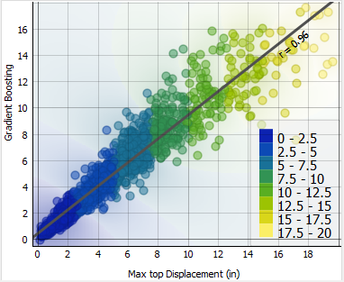
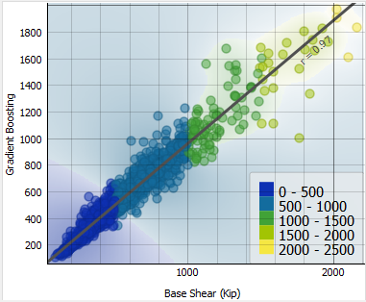
Config 3
Config 3

Config 3
Config 3

Configuration 3

