DRTaskboard
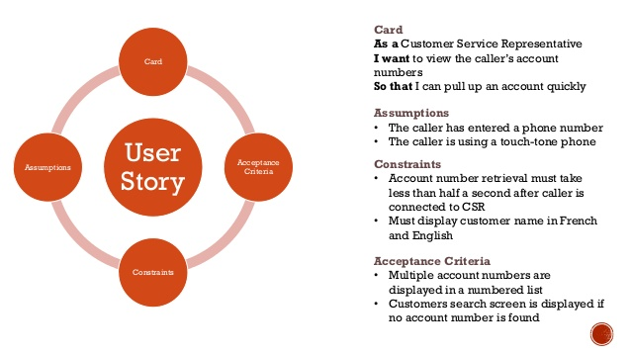
User Stories
User Story | Feature | Priority | Assumptions | Constraints | Accpetance Criterias | Tasks | Estimatation | https://scalingsoftwareagility.wordpress.com/tag/agile-requirements/
 | DAL Access

 |  |  |  |  |  |  |  | Feature List
 |  |  |  |  |  |  |  | Name | Priority | Description
 |  |  |  |  |  |  |  | DAL Access
 |  |  |  |  |  |  |  | Simple Modern UI

