Sheet2
Sick Leaves
Outsource
Saudis Vs Non-Saudis
Inentive Cost
235
Month | Jun
 |  |  | Saudis | Non-Saudis
 |  | Jun | 1000 | 2713
$516,453.00
3,713
33
Over Time Cost
 |  |  | # Headcount
 |  | Jun | 3,713
Late Hours
$207,989.00
Part Timers
59
Payroll
 |  |  | % Saudization
 |  | Jun | 26.93%

26.93%
94
$14,397,345.00
 |  |  | # Sick Leave
 |  | Jun | 33
Employees Aged >50
Corrective Actions
Contract Termination
Probation Period Ter.
Training Hours
Trained Employees
80
288
153
186
58
337
 |  |  | # Hours Late
 |  | Jun | 94

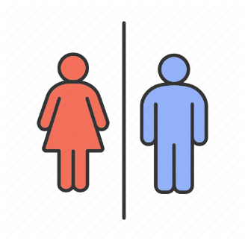
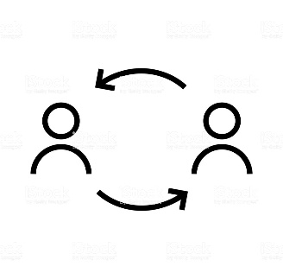
Turnover
Retired Employees
Leavers < 3 Years
Average Age
 |  |  | # Unpaid Leaves | # Employees Aged >50 | % Of Females | Male
 |  | Jun | 75 | 80 | 59 | 3,654
13.00%
19%
87%
39
163
39
Automated Processes
Training Effectiveness
59
3,654
 | 0 | 337
 |  | 3,376
 |  |  | $ Incentive | # Corrective Actions | Avg Age | # Leavers With Service Less Than 3 Years | # Retried Employees
 |  | Jun | $516,453.00 | 288 | 39 | 163 | 39
 |  |  |  |  |  |  |  |  |  | 18
 |  |  |  |  |  |  |  |  |  | 21
HR BudgetConsumption
60%
 |  |  | $ Overtime | % Employees Tenure | % Hr Expenses Vs Budget |  | # HR Headcount |  |  | 5 | 39
87%
 |  | Jun | $207,989.00 | 13.00% | 70% | 30% | 337 | 3,376 | 9.98% | 21
Training Plan Achievement
MP Plan Achievement
 |  |  |  |  |  |  |  |  |  | 60
HR Count
 |  |  | $ Payroll | # Contract Termination | # Probation Period Termination | # Training Hours | # Trained Employees
 |  | Jun | $14,397,345.00 | 153 | 186 | 58 | 337

 |  |  | # Leavers | # Joiners
 |  | Jun | 164 | 232

 |  |  | High Performers | Low Performers
 |  | Jun | 12% | 70%
 |  |  |  |  |  |  |  | 1
 |  |  | % Outsource | # Part Timers |  |  |  | 1
 |  | Jun | 235 | 59 |  |  |  | 1
 |  |  |  |  |  |  |  | 1
 |  |  |  |  |  |  |  | 1
 |  |  | % Automated Processes | 19% | 81% |  |  | 1
 |  |  | % Training Effectiveness Index | 87% | 13% |  |  | 1
 |  |  | % Training Plan Achieved' | 60% | 40% |  |  | 1
 |  |  | % Manpower Plan Achieved | 87% | 13% |  |  | 1
 |  |  |  |  |  |  |  | 1
 |  |  |  |  |  |  |  | 1
 |  |  |  |  |  |  |  | 1
 |  |  |  |  |  |  |  | 1
 |  |  |  |  |  |  |  | 1
 |  |  |  |  |  |  |  | 1
 |  |  |  |  |  |  |  | 1
 |  |  |  |  |  |  |  | 1
 |  |  |  |  |  |  |  | 1
 |  |  |  |  |  |  |  | 1
 |  |  |  |  |  |  |  | 1

