Sheet1
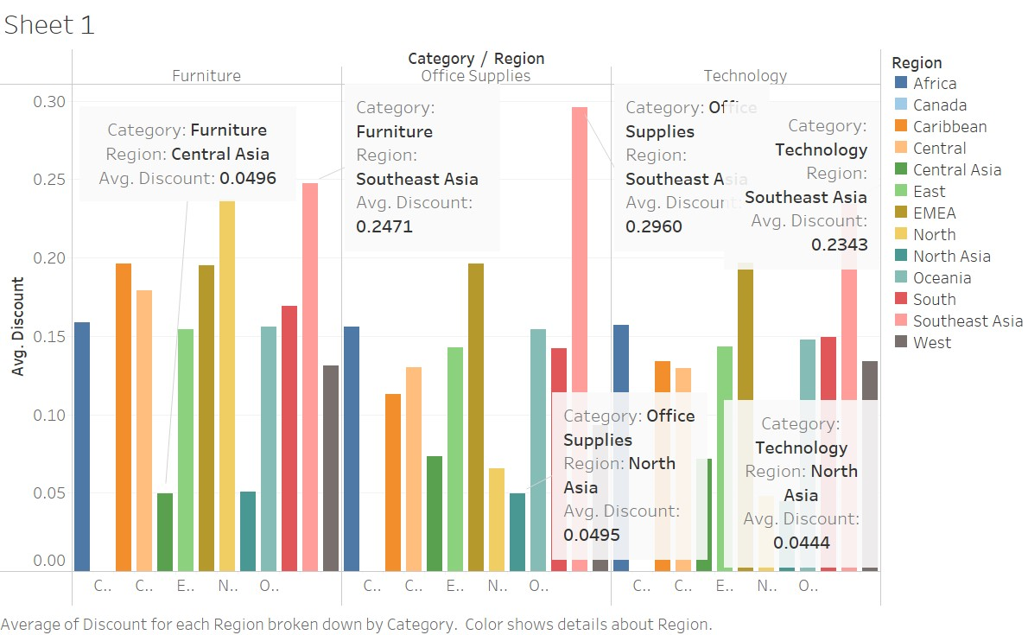
 | Category
Region | Furniture | Office Supplies | Technology
Africa | 0.1586 | 0.1562 | 0.1572
Canada | 0.0000 | 0.0000 | 0.0000
Caribbean | 0.1960 | 0.1131 | 0.1341
Central | 0.1790 | 0.1299 | 0.1294
Central Asia | 0.0496 | 0.0734 | 0.0719
East | 0.1541 | 0.1429 | 0.1434
EMEA | 0.1951 | 0.1962 | 0.1966
North | 0.2370 | 0.0656 | 0.0480
North Asia | 0.0506 | 0.0495 | 0.0444
Oceania | 0.1561 | 0.1542 | 0.1478
South | 0.1690 | 0.1424 | 0.1492
Southeast Asia | 0.2471 | 0.2960 | 0.2343
West | 0.1314 | 0.0934 | 0.1339

