Flash Map
1 row = 1024 bits = 128 Bytes (except ECC)
1 page = 2 rows = 256 Bytes
1 sector = 4 pages = 8 rows = 1 KB
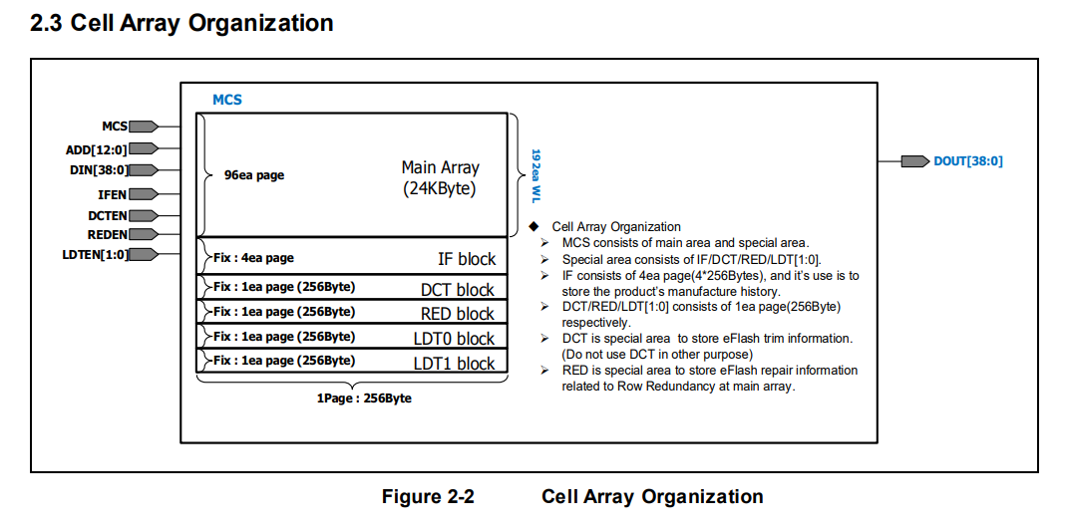
FLASH |  |  |  | 24K
 | FLASH_IP_ADDRESS[12:0] | DATA[31:0] | ECC DATA[38:32]
first Page | 0x0000 | main
 | 0x0001
 | .
 | .
 | 0x003F
.
.
.
.
.
.
.
last -1 page | 0x1780
 | .
 | .
 | .
 | 0x17BC
 | 0x17BD
 | 0x17BE
 | 0x17BF
last page (96 Page) | 0x17C0
 | .
 | .
 | .
 | 0x17FC
 | 0x17FD
 | 0x17FE
 | 0x17FF

IF | 0 | 0 | not use | reserved | IF consists of 4ea page(4*256Bytes), and it s use is to
 | 4 | 1 | not use |  | store the product s manufacture history
 | 8 | 2 | not use
 | C | 3 | not use
 | . | . | not use
 | . | . | not use
 | 3F4 | FD | not use
 | 3F8 | FE | not use
 | 3FC | FF | not use

DCT | 0 | 0 | DCT trim | test & trim | DCT i s special area to store eFlash trim information.
 | 4 | 1 | not use |  | (Do not use DCT in other purpose)
 | 8 | 2 | not use
 | C | 3 | not use
 | . | . | not use
 | . | . | not use
 | F4 | 3D | not use
 | F8 | 3E | not use
 | FC | 3F | not use

RED | 0 | 0 | not use | reserved | RED is special area to store eFlash repair information
 | 4 | 1 | not use |  | related to Row Redundancy at main array.
 | 8 | 2 | not use
 | C | 3 | not use
 | . | . | not use
 | . | . | not use
 | F4 | 3D | not use
 | F8 | 3E | not use
 | FC | 3F | not use

LDT0 | 0 | 0 | LDT0 ( EDS after trim ) | test & trim
 | 4 | 1 | LDT1 ( EDS after trim )
 | 8 | 2 | LDT2 ( EDS after trim )
 | C | 3 | LDT3 ( EDS after trim )
 | 10 | 4 | LDT4 ( EDS after trim )
 | 14 | 5 | LDT5 ( EDS after trim )
 | 18 | 6 | LDT6 ( EDS after trim )
 | 1C | 7 | LDT7 ( EDS after trim )
 | 20 | 8 | LDT8 ( EDS after trim )
 | 24 | 9 | LDT9 ( EDS after trim )
 | 28 | A | LDT10 ( EDS after trim )
 | 2C | B | LDT11 ( EDS after trim )
 | 30 | C | LDT12 ( EDS after trim )
 | 34 | D | LDT13 ( EDS after trim )
 | 38 | E | LDT14 ( EDS after trim )
 | 3C | F | LDT15 ( EDS after trim )
 | 40 | 10 | LDT16 ( EDS after trim )
 | 44 | 11 | LDT17 ( EDS after trim )
 | 48 | 12 | LDT18 ( EDS after trim )
 | 4C | 13 | LDT19 ( EDS after trim )
 | 50 | 14 | LDT20 ( EDS after trim )
 | 54 | 15 | LDT21 ( EDS after trim )
 | 58 | 16 | LDT22 ( EDS after trim )
 | 5C | 17 | LDT23 ( EDS after trim )
 | 60 | 18 | LDT24 ( EDS after trim )
 | . | . | not use
 | . | . | not use
 | F4 | 3D | not use
 | F8 | 3E | not use
 | FC | 3F | not use

LDT1 | 0 | 0 | LDT0 ( EDS after trim ) retention backup | retention backup
 | 4 | 1 | LDT1 ( EDS after trim ) retention backup
 | 8 | 2 | LDT2 ( EDS after trim ) retention backup
 | C | 3 | LDT3 ( EDS after trim ) retention backup
 | 10 | 4 | LDT4 ( EDS after trim ) retention backup
 | 14 | 5 | LDT5 ( EDS after trim ) retention backup
 | 18 | 6 | LDT6 ( EDS after trim ) retention backup
 | 1C | 7 | LDT7 ( EDS after trim ) retention backup
 | 20 | 8 | LDT8 ( EDS after trim ) retention backup
 | 24 | 9 | LDT9 ( EDS after trim ) retention backup
 | 28 | A | LDT10 ( EDS after trim ) retention backup
 | 2C | B | LDT11 ( EDS after trim ) retention backup
 | 30 | C | LDT12 ( EDS after trim ) retention backup
 | 34 | D | LDT13 ( EDS after trim ) retention backup
 | 38 | E | LDT14 ( EDS after trim ) retention backup
 | 3C | F | LDT15 ( EDS after trim ) retention backup
 | 40 | 10 | LDT16 ( EDS after trim ) retention backup
 | 44 | 11 | LDT17 ( EDS after trim ) retention backup
 | 48 | 12 | LDT18 ( EDS after trim ) retention backup
 | 4C | 13 | LDT19 ( EDS after trim ) retention backup
 | 50 | 14 | LDT20 ( EDS after trim ) retention backup
 | 54 | 15 | LDT21 ( EDS after trim ) retention backup
 | 58 | 16 | LDT22 ( EDS after trim ) retention backup
 | 5C | 17 | LDT23 ( EDS after trim ) retention backup
 | 60 | 18 | LDT24 ( EDS after trim ) retention backup
 | . | . | not use
 | . | . | not use
 | F0 | 3C | DCT trim retention backup
 | F4 | 3D | Pass code ( 3B6F )
 | F8 | 3E | Pass code ( 4041 )
 | FC | 3F | Pass code ( 6F3B

