CIMB Daily
CIMB QA Progress Daily Updates

 | * Extract from Jasper
 | * Check Figures (previous has issues because of "add sales")
 | * Repeat above for all Plans under campaign.
 | * Confirm and send to Client

CIMB QA Performance Summary Report by TSR

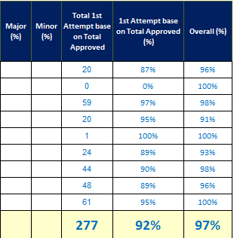

 |  |  | * Extract from Jasper
 |  |  | * Check & Manual Update of TSR names & Join Date
 |  |  | * Change/add Manually percentage (Issue: Jasper system don't configure with percentage)
 |  |  | * Repeat above for all Plans under campaign.
 |  |  | * Confirm and send to Client

 |  |  | * Extract from Jasper
 |  |  | * Check TSR names (daily have different number of TSRs on call)
 |  |  | * Add percentage (issue: Jasper system don't configure with percentage)
 |  |  | * Repeat above for all Plans under campaign.
 |  |  | * Confirm and send to Client

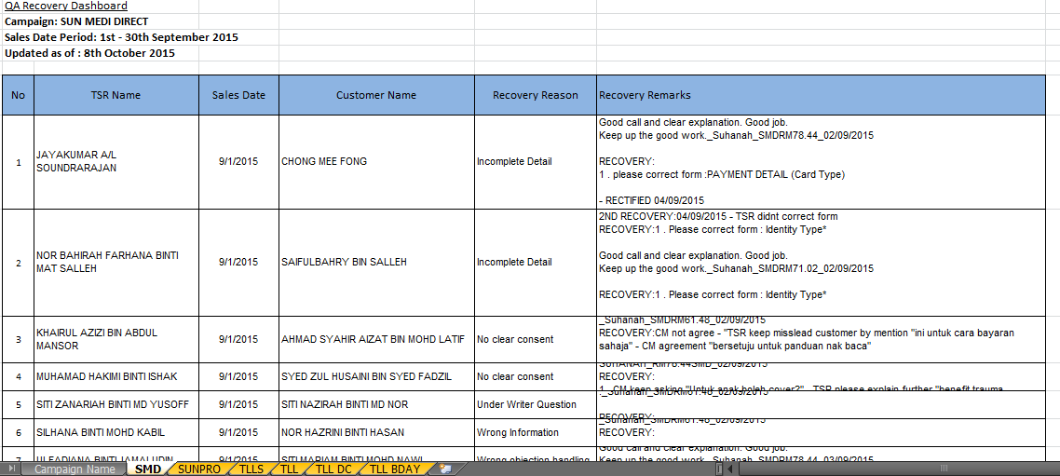

 |  | * Extract from Jasper
 |  | * Check TSR names (daily have different number of TSRs on call)
 |  | * Change Manually Recovery Reason (Issue: Jasper does not capture 1st tagging by QA)
 |  | * Repeat above for all Plans under campaign.
 |  | * Confirm and send to Client

QA PSR - Add % Formula
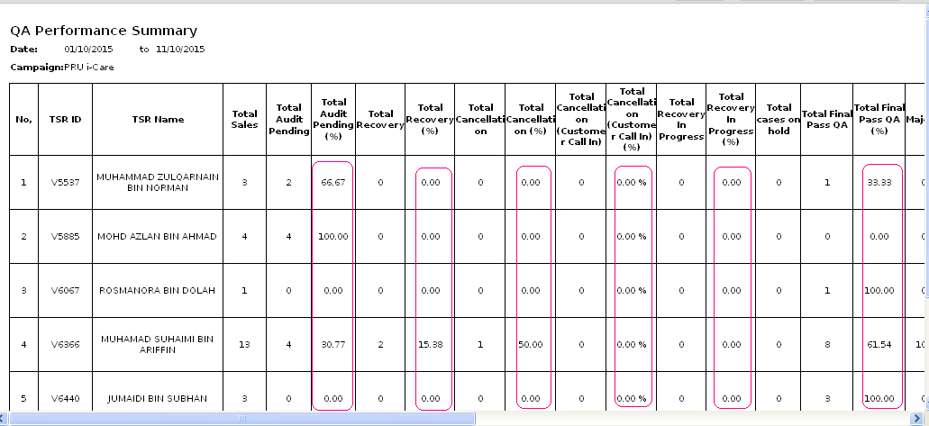
QA Performance Breakdown for CIMB TLL-BIRTHDAY from 1st - 30th September 2015 - Final |  |  |  |  |  |  |  |  |  |  |  |  |  |  |  |  |  |  |  |  |  |  |  | QA Performance Breakdown for CIMB TLLS | QA Performance Breakdown for CIMB TLLS | QA Performance Breakdown for CIMB TLLS | QA Performance Breakdown for CIMB TLLS | QA Performance Breakdown for CIMB TLLS | QA Performance Breakdown for CIMB TLLS | QA Performance Breakdown for CIMB TLLS | QA Performance Breakdown for CIMB TLLS | QA Performance Breakdown for CIMB TLLS | QA Performance Breakdown for CIMB TLLS | QA Performance Breakdown for CIMB TLLS | QA Performance Breakdown for CIMB TLLS | QA Performance Breakdown for CIMB TLLS | QA Performance Breakdown for CIMB TLLS | QA Performance Breakdown for CIMB TLLS | QA Performance Breakdown for CIMB TLLS | QA Performance Breakdown for CIMB TLLS | QA Performance Breakdown for CIMB TLLS | QA Performance Breakdown for CIMB TLLS | QA Performance Breakdown for CIMB TLLS | QA Performance Breakdown for CIMB TLLS | QA Performance Breakdown for CIMB TLLS | QA Performance Breakdown for CIMB TLLS

Team Leader | TSR ID | TSR Name | Date Joined | Total Sales | Total Audit Pending | Total Audit Pending (%) | Total Recovery | Total Recovery (%) | Total Cancellation (QA) | Total Cancellation (QA)(%) | Total Cancellation (not during QA) | Total Cancellation (not during QA) (%) | Total Cancellation (Customer Call In) | Total Cancellation (Customer Call In) (%) | Total Recovery In Progress | Total Recovery In Progress (%) | Total Final Signed Off | Total Final Signed Off(%) | Major (%) | Minor (%) | Total 1st Attempt base on Total Approved | 1st Attempt base on Total Approved (%) | Overall (%)
MOHD KHAIRUL NIZAN BIN AHMAD KAMEL | V6677 | AZURINA BINTI AZIZ | 2015-06-04 | 24 | 0 | 0% | 4 | 17% | 1 | 4% | 0 | 0% | 0 | 0% | 0 | 0% | 23 | 96% |  |  | 20 | 87% | 96%
 | V6287 | FATHUL HAMIZAN BIN HAMDAN | 2014-03-11 | 1 | 0 | 0% | 1 | 100% | 0 | 0% | 0 | 0% | 0 | 0% | 0 | 0% | 1 | 100% |  |  | 0 | 0% | 100%
 | V6136 | MOHD ZULHUSNI BIN MOHD ZULKIPLY | 2014-07-04 | 62 | 0 | 0% | 3 | 5% | 1 | 2% | 0 | 0% | 0 | 0% | 0 | 0% | 61 | 98% |  |  | 59 | 97% | 98%
 | V6042 | RADI FATHI BIN KAMARUDDIN | 18/6/2014 | 23 | 0 | 0% | 3 | 13% | 2 | 0% | 0 | 0% | 0 | 0% | 0 | 0% | 21 | 91% |  |  | 20 | 95% | 91%
 | V6654 | SITI SARAH BINTI ABDULLAH | 2015-06-04 | 1 | 0 | 0% | 0 | 0% | 0 | 0% | 0 | 0% | 0 | 0% | 0 | 0% | 1 | 100% |  |  | 1 | 100% | 100%
SITI NORZAZALINA BINTI ZAINAL ABIDIN | V5868 | Abdul Azizm | 2015-06-04 | 29 | 0 | 0% | 5 | 17% | 2 | 7% | 0 | 0% | 0 | 0% | 0 | 0% | 27 | 93% |  |  | 24 | 89% | 93%
 | V5426 | HAHMAR BIN KABIL | 21/10/2013 | 50 | 0 | 0% | 6 | 12% | 1 | 0% | 0 | 0% | 0 | 0% | 0 | 0% | 49 | 98% |  |  | 44 | 90% | 98%
 | V5756 | MOHAMAD FAEZY BIN NOR AMIZA | 2014-07-03 | 56 | 0 | 0% | 8 | 14% | 2 | 4% | 0 | 0% | 0 | 0% | 0 | 0% | 54 | 96% |  |  | 48 | 89% | 96%
 | V4005 | ZUZAINAH BINTI PUANGGI | 25/2/2013 | 64 | 0 | 0% | 3 | 5% | 0 | 0% | 0 | 0% | 0 | 0% | 0 | 0% | 64 | 100% |  |  | 61 | 95% | 100%
 |  |  |  | 310 | 0 | 0% | 33 | 11% | 9 | 3% | 0 | 0% | 0 | 0% | 0 | 0% | 301 | 97% |  |  | 277 | 92% | 97%

QA PR - Columns
 | * Extracted from Jasper

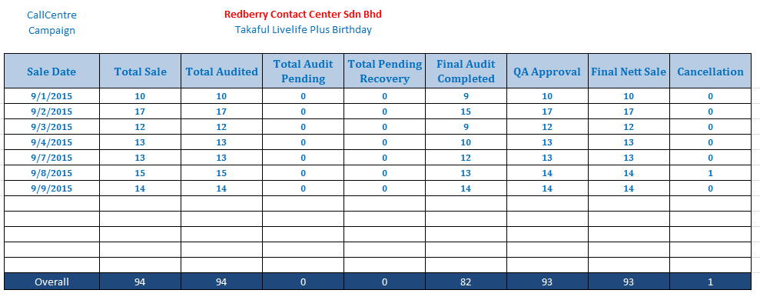

 | CHANGES to JASPER
 | 1. Rename Approve 1st Attempt to Final Audit Completed
* Client Format | 2. Rename Final Approve to QA Approval
 | 3. Rename Final Net Loaded to Final Nett Sale
 | 4. Move Column "Final Nett Sale" from Jasper to be before "Cancellation".
 | 5. Remove Columns "Final Net Not Loaded" & "Final Net Total"

Major Deviation
Major Deviation
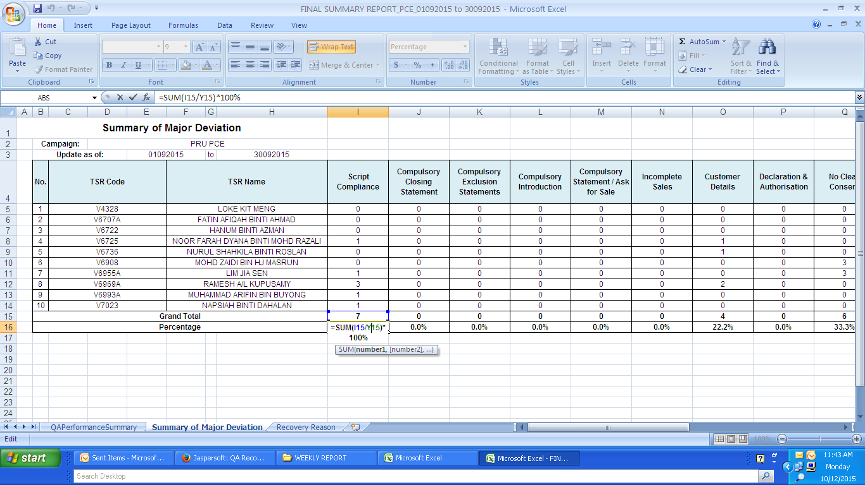

 | * to Add percentage
 | * formula

QA Rpt
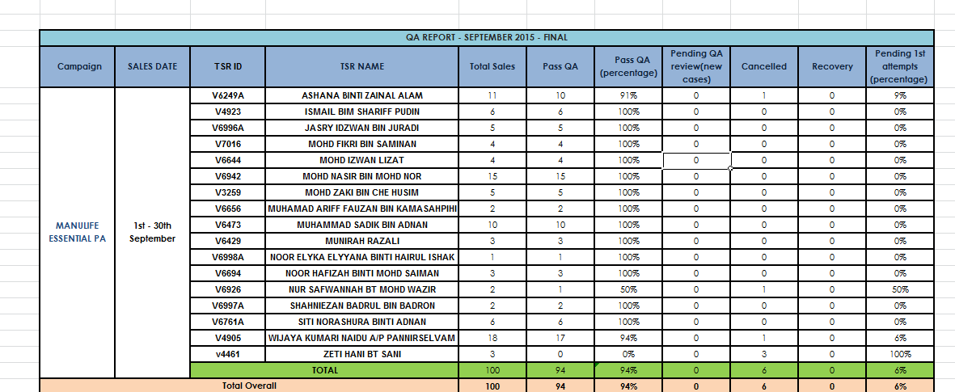
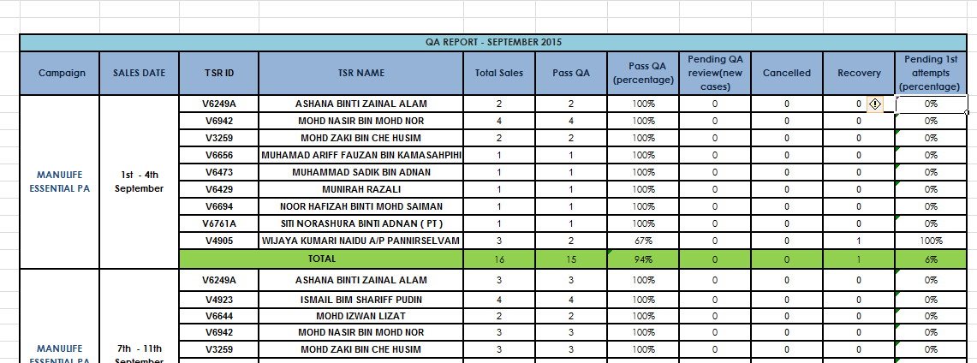

Weekly QA Report

