Sheet1
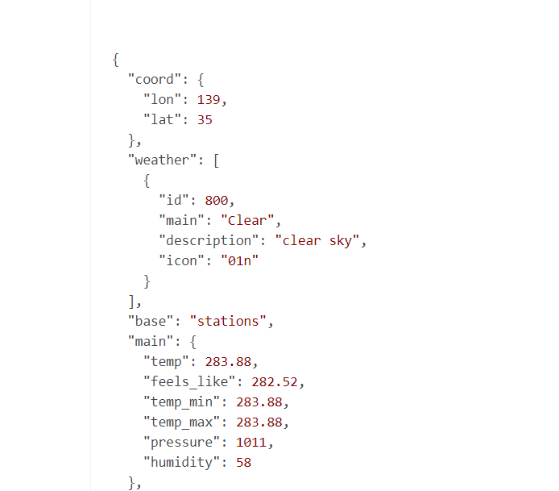
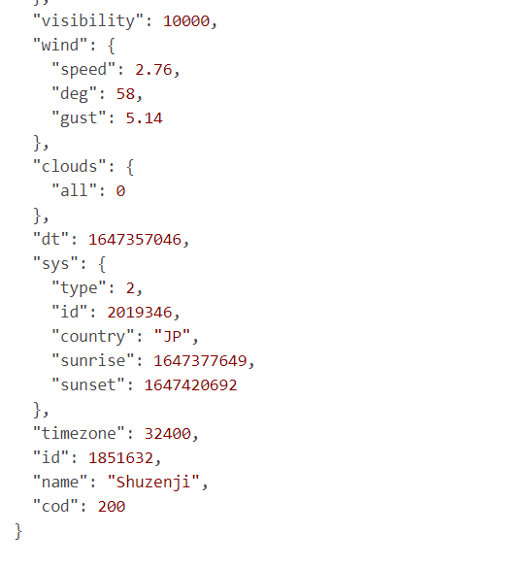
Response from Weather API
 | Interface
 |  | key | value
 | Coord | long | number | undefined
 |  | lat | number | undefined
 | WeatherDescription
 |  | main | string
 |  | description | string
 |  | icon | string
 | WeatherMain
 |  | temp | number
 |  | feels_like | string
 |  | temp_max | number
 |  | temp_min | number
 |  | presure | number
 |  | humidity | number
 | WeatherWind | speed | number
 |  | deg | number
 |  | gust | number
 | MarkLocation | id | number
 |  | country | string
 |  | sunrise | number
 |  | sunset | string
 | WeatherResponse
 |  | coord | Coord
 |  | description | WeatherDescription
 |  | main | WeatherMain
 |  | wind | WeatherWind
 |  | location | MarkLocation
 |  | id | number
 |  | name | string
 |  | timezone | number
 |  | visibility | number

