car specs
 |  |  | Smart Fortwo | VW e-up! | Nissan Leaf | Tesla Model 3 | Tesla Model S | VW ID.4 | Audi e-tron S 55 quattro |  |  |  |  |  |  |  |  |  |  | EOL intensity (t CO2e/t car)
 |  |  | A | A | C | D | F | JC | JE |  |  | From size and range | weight | production intensity | Total production emissions |  | Total EOL emissions |  |  |  | Check
BEV | Battery capacity |  | 16.7 | 36.8 | 62 | 70 | 100 | 82 | 95 |  | ICEV | A | 935 | 3.9 | 3.6465 | 0.0039 | 0.3 | 0.32085561497 | -0.04595 | 0.37 | 0.34595
 | Curb weight (without driver) |  | 1110 | 1160 | 1686 | 1849 | 2299 | 2149 | 2620 |  |  | C | 1259 | 4.3 | 5.4137 |  | 0.5 | 0.39714058777 | 0.03417 |  | 0.46583
 | Curb weight, without battery |  | 920 | 912 | 1246 | 1530 | 1669 | 1656 | 1919.478 | 1581 |  | D | 1528 | 5.6 | 8.5568 |  | 0.6 | 0.39267015707 | 0.03464 |  | 0.56536
 | Production emissions, ROV |  | 4.82 | 4.78 | 6.45 | 7.87 | 8.57 | 8.50 | 9.82 |  |  | F | 1852 | 5.7 | 10.5564 |  | 0.7 | 0.37796976242 | 0.01476 |  | 0.68524
 | EOL, RoV |  | 0.41 | 0.41 | 0.56 | 0.69 | 0.75 | 0.74 | 0.86 |  |  |  |  |  |  |  |  |  | 0.03762 |  | 0.46139
 | EOL, batt |  | 0.07 | 0.09 | 0.16 | 0.12 | 0.23 | 0.18 | 0.25
 | EOL, total |  | 0.48 | 0.50 | 0.72 | 0.80 | 0.98 | 0.92 | 1.12
 |  |  | Smart Fortwo | VW up! 1.0 65 hp | VW Golf 1.5 TSI OPF 130 hp | Volkswagen Passat 2.0 TSI OPF 190 hp | Mercedes E200 saloon | Skoda Kodiaq 2.0 TSI/190 hp | Porsche Cayenne 250 kW/340 hp |  |  |  |  |  |  |  |  |  |  | EOL intensity (t CO2e/t car)
ICEV | Curb weight (without driver) |  | 890 | 916 | 1240 | 1489 | 1700 | 1628 | 1985 |  |  |  |  | production intensity | Total production emissions |  | Vehicle
 | Emissions (WLTP) | g/km | 93 | 119.85 | 135.5 | 173.65 | 173.5 | 194 | 271 |  | BEV | A | 923 | 5.2004333694 | 4.8 |  | 0.4 | 0.43336944745 | -0.014305230289 | 0.44886807182 | 0.41430523029
 | Fuel efficiency | L/100 km | 4.1 | 5.3 | 6 | 7.65 | 7.95 | 8.6 | 12 |  |  | C | 1247 | 5.2125100241 | 6.5 |  | 0.6 | 0.48115477145 | 0.040261514442 |  | 0.55973848556
 | Upstream emissions, use phase (WTW v4) | g CO2/km | 19.4 | 25.0 | 28.3 | 36.1 | 37.5 | 40.6 | 56.6 |  |  | D | 1407 | 4.9751243781 | 7 |  | 0.6 | 0.42643923241 | -0.031557377049 |  | 0.63155737705
 | WTW v5 | g CO2/km | 22.0 | 28.4 | 32.2 | 41.0 | 42.6 | 46.1 | 64.4 |  |  | F | 1547 | 5.1712992889 | 8 |  | 0.7 | 0.45248868778 | 0.0056010928962 |  | 0.6943989071
 | Energy use, use phase | MJ/km | 1.3 | 1.7 | 1.9 | 2.4 | 2.5 | 2.7 | 3.8 |  |  |  |  |  |  |  | Battery |  | -1.6653345369E-16
 |  | Wh/km | 359.4 | 464.6 | 525.9 | 670.6 | 696.9 | 753.8 | 1051.9 |  |  | 17.7 | 177 |  |  |  | 0.1 | 0.56497175141 | 0.035683139535 | 0.36337209302 | 0.064316860465
 | Lifecycle use phase intensity | g CO2/km | 112.35036 | 144.86388 | 163.8176 | 209.75494 | 211.02082 | 234.58856 | 327.6352 |  |  | 26.6 | 253 |  |  |  | 0.1 | 0.395256917 | 0.0080668604651 |  | 0.091933139535
 | WTW v5 |  | 115.0 | 148.2817758 | 167.686916 | 214.6883179 | 216.1476637 | 240.1345796 | 335.373832 |  |  | 42.1 | 393 |  |  |  | 0.1 | 0.25445292621 | -0.042805232558 |  | 0.14280523256
 | Use phase intensity |  | 122.27184 | 158.05872 | 178.9344 | 228.14136 | 237.08808 | 256.47264 | 357.8688 |  |  | 59.9 | 553 |  |  |  | 0.2 | 0.3616636528 | -0.00094476744186 |  | 0.20094476744
 | Production emissions (S&R) |  | 3.471 | 3.5724 | 5.332 | 8.3384 | 9.69 | 9.2796 | 11.3145 |  |  |  |  |  |  |  |  |  | 4.1633363423E-17
 | EOL |  | 0.3293 | 0.33892 | 0.4588 | 0.55093 | 0.629 | 0.60236 | 0.73445
 | Combustion emissions intensity |  | 22.682926829 | 22.613207547 | 22.583333333 | 22.699346405 | 21.823899371 | 22.558139535 | 22.583333333
 |  |  |  |  |  |  |  |  |  |  | From Ricardo
 | Alternative models |  |  | up! 1.0 L S/S | VW Golf | Volkswagen Passat |  | VW Tiguan 2.0 320 hp TSI DSG 4MOTION | BMW X4 M40i |  | BEV production |  | Battery | ROV
 | Curb weight |  |  | 916 | 1351 | 1505 |  | 1671 | 1985 |  | Total producticon emissions | 13.9 | 6.3 | 7.6
 | Emissions (WLTP) |  |  | 119.85 | 145 | 143 |  | 227.5 | 211.5
 | Fuel efficiency |  |  | 5.3 | 6.4 | 6.2 |  | 10.05 | 9.3

 |  |  |  | VW up! GTI 1.o TSI 115 hp |  |  |  | Audi Q3
 |  |  |  | 992 |  |  |  | 1695
 |  |  |  | average(126,130.4) |  |  |  | 194
 |  |  |  | 5.6 |  |  |  | 8.55

 |  |  |  |  |  |  |  |  |  |  | WTW v4 |  |  | Diesel | Petrol |  | Source
 |  |  |  |  |  |  |  | Audi Q3 sportback RS |  |  |  | corresponding fuel eff | l/100 km | 3.7 | 4 |  | https://www.wltpfacts.eu/link-between-co2-emissions-fuel-consumption/
 |  |  |  |  |  |  |  | 1775 |  |  |  | energy content | MJ/l | 38.6 | 34.2 | JRC: 35.9/32.2
 |  |  |  |  |  |  |  | 9.85 |  |  |  |  | MJ/100 km | 142.82 | 136.8
 |  |  |  |  |  |  |  | 223.5 |  |  |  | Tailpipe emissions | g CO2/MJ | 0 | 0 | 0
 | https://www.skoda-auto.no/_doc/927c5e58-744a-4290-bfa3-7efbb0d70717 |  | Skoda Octavia 2.0 TSI/240 hp | Skoda Octavio 1.5 TSI mHEV, 150 hp |  |  |  |  |  |  |  | Upstream | g CO2/MJ | 15.4 | 13.8 |  | JRC, WTT Appendix 2
 |  |  | 1457 | 1308 |  |  |  | BMW X2 M35i |  |  |  | Total fuel cycle emissions | g CO2/MJ | 15.4 | 13.8
 |  |  | 156 | 124 |  |  |  | 1690 |  |  | WTW v5
 |  |  |  |  |  |  |  | 7.8 |  |  |  |  |  |  | Petrol | EU petrol
 |  |  |  |  |  |  |  | 177 |  |  |  | corresponding fuel eff | l/100 km
 | https://www.volkswagen.co.uk/assets/common/pdf/brochures/golf-gti-vii-brochure.pdf |  | VW Golf GTI 2.0 L TSI 220 PS |  |  |  |  |  |  |  |  | energy content | MJ/l |  | 31.5558
 |  |  | 1351 |  |  |  |  | BMW X1 (diesel) |  |  |  |  | MJ/100 km
 |  |  | 148/145 |  |  |  |  | 1695 |  |  |  | Tailpipe emissions | g CO2/MJ |  | 73.3
 |  |  |  |  |  |  |  | 5.85 |  |  |  | Upstream | g CO2/MJ |  | 17
 |  |  |  |  |  |  |  | 153 |  |  |  | Total fuel cycle emissions | g CO2/MJ

 |  |  |  |  |  |  |  |  |  |  |  |  | MJ/km | 1.2687585266 | 1.8485675307 | 2.3690313779 | 2.3669849932
 |  |  |  |  |  |  |  |  |  |  |  |  |  | 4.0206824945 | 5.8580911614 | 7.507435647 | 7.5009506752
 |  |  |  |  |  |  |  |  |  |  |  |  |  | 3.2315053763 | 3.2457564576 | 3.2291678664 | 3.35870317

 |  | e-up | leaf | ? | audi e-tron
 |  | 36.8 | 51 | 79 | 95
 |  | 145 | 175.5 | 163 | 241
 |  | 1235 | 1668 | 1931 | 2645

 |  |  | Zoe | VW ID.4
 |  |  | 54.7 | 82
 |  |  | 174 | 180
 |  |  | 1577 | 2049

Sheet3
kWh | 36.8 | 62 | 82 | 95
Wh/km | 163 | 180 | 158 | 192
cycles | 2000 | 2000 | 2000 | 2000
km/battery lifetime | 406380.3681 | 688888.88889 | 1037974.6835 | 989583.33333

cycles | 1000 | 1000 | 1000 | 1000
km/battery lifetime | 225766.87117 | 344444.44444 | 518987.34177 | 494791.66667

ICEV | Production | t CO2 | 3.6 | 5.4 | 8.5 | 10.5
 | Use phase | g CO2/km | 131.86920981 | 172.14933518 | 194.71006704 | 254.38157841
 | EOL | t CO2 | 0.3 | 0.5 | 0.6 | 0.7
 | Use phase | t CO2 | 23.736457766 | 30.986880332 | 35.047812067 | 45.788684114

 | 929 | 3.5 | 3.8
 | 940 | 3.8 | 4.0
 | 1205 | 5.1 | 4.2
 | 1240 | 5.4 | 4.4
 | 1295 | 6.1 | 4.7
 | 1295 | 5 | 3.9
 | 1405 | 8.7 | 6.2
 | 1473 | 7 | 4.8
 | 1572 | 7.4 | 4.7
 | 1660 | 10.8 | 6.5
 | 1920 | 11 | 5.7
 | 1880
 | 1755

929 | 3.5 | 3.8
940 | 3.8 | 4.0
1205 | 5.1 | 4.2
1240 | 5.4 | 4.4
1295 | 6.1 | 4.7
1295 | 5 | 3.9
1405 | 8.7 | 6.2
1473 | 7 | 4.8
1572 | 7.4 | 4.7
1660 | 10.8 | 6.5
1920 | 11 | 5.7
1880
1755

2020 models
WLTP rated consumption vs batt cap
 | WLTP rated consumption
17.6 | 161
17.6 | 165
17.6 | 163
40 | 171
62 | 180
51 | 175.5
79 | 166
79 | 160
51 | 149
69.666666667 | 158.33333333
100
100 | 193
100
100 | 190
100 | 191.5
 | Battery size | WLTP rated consumption |  | Curb weight | Battery weight | Curb weight - battery | GVWR | Source
Smart fortwo coupe | 17.6 | 161 |  | 1095 | 175 | 920 | 1310
Smart fortwo cabrio | 17.6 | 165 |  | 1125 | 175 | 950 | 1340
WLTP rated consumption vs curb weight
 | Curb weight
1095 | 161
1125 | 165
1110 | 163
1535 | 171
1686 | 180
1610.5 | 175.5
1931 | 166
1931 | 160
1684 | 149
1848.6666667 | 158.33333333
2316
2316 | 193
2290
2290 | 190
2298.6666667 | 191.5
1160 | 145
 | 17.6 | 163 |  | 1110

Nissan Leaf | 40 | 171 |  | 1535 | 303 | 1232 | 1995 | https://www.nissan.fr/content/dam/Nissan/fr/brochures/Brochures-vehicules/eBrochure-LEAF2019.pdf
Nissan Leaf e+ | 62 | 180 |  | 1686 | 440 | 1246 | 2140 | https://www.nissan.fr/content/dam/Nissan/fr/brochures/Brochures-vehicules/eBrochure-LEAF2019.pdf
 | 51.0 | 175.5 | #DIV/0! | 1610.5 |  | 1239

Tesla model 3 (NB: NCA) |  |  |  |  |  |  |  |  | 2021 models
Long range performance (Feb 2019 - Oct 2020) | 79 | 166 |  | 1931 | 478 | 1453 | 2305 |  | Long range dual motor | 82 | 147
Long range dual motor (Feb 2019 - Oct 2020) | 79 | 160 |  | 1931 | 478 | 1453 | 2305 |  | standard range plus | 53 | 140
Standard range plus (Feb 2019 - Oct 2020) | 51 | 149 |  | 1684 | 337.6957 | 1346.3043 | 2060 |  | performance | 82 | 165
 | 69.666666667 | 158.33333333 | #DIV/0! | 1848.6666667 |  | 1417.4347667 |  |  | long range dual motor | 75 | 148
 |  |  |  |  |  |  |  |  | Standard range plus LFP | 55 | 142
 |  |  |  |  |  |  |  |  |  | 69.4 | 148.4

Batt cap vs Battery weight
 | WLTP rated consumption
17.6 | 175
17.6 | 175
17.6
40 | 303
62 | 440
51
79 | 478
79 | 478
51 | 337.6957
69.666666667
100 | 630
100 | 630
100 | 630
100 | 630
100 | 630
36.8 | 248
95 | 700.522
95 | 700.522
95 | 700.522
95
95 | 700.522
95 | 700.522
71
71.2
82
82
55
82
55
82
90 | 603
82 | 493
82 | 493
82 | 493
55 | 344
55 | 344
...
Tesla model S |  |  | Vehicle consumption rating
Performance (Nov 2020 - Mar 2021) | 100 |  | 149 | 2316 | 630 | 1686
Performance | 100 | 193 | 160 | 2316 | 630 | 1686 | 2720 |  |  |  |  | 69.517241379
Long range Plus (Nov 2020 - Mar 2021) | 100 |  | 146 | 2290 | 630 | 1660
WLTP rated consumption vs curb weight
 | Curb weight
1095 | 161
1125 | 165
1110 | 163
1535 | 171
1686 | 180
1610.5 | 175.5
1931 | 166
1931 | 160
1684 | 149
1848.6666667 | 158.33333333
2316
2316 | 193
2290
2290 | 190
2298.6666667 | 191.5
1160 | 145
2620 | 261
2620 | 256
2490 | 248.5
2520 | 237
2520 | 222
2520 | 224
2370 | 217
2370 | 233.5
2135 | 189.5
2135 | 196
1695 | 170
2050 | 18.65
1890 | 18.05
2120 | 168
2208 | 220
2149 | 184
2049 | 180
2049 | 178.5
1891 | 174
1891 | 174
...
Long range | 100 | 190 | 152 | 2290 | 630 | 1660 | 2694
 | 100 | 191.5 | 150.5 | 2298.6666667 | 630 | 1668.6666667
Alternative A:
up
e-up | 36.8 | 145 |  | 1160 | 248 | 912 | 1530 | https://www.volkswagen.fr/idhub/content/dam/onehub_pkw/importers/fr/pdf/tarifs/e_up.pdf
 |  |  |  |  |  |  |  |  |  | 1780
SUVs
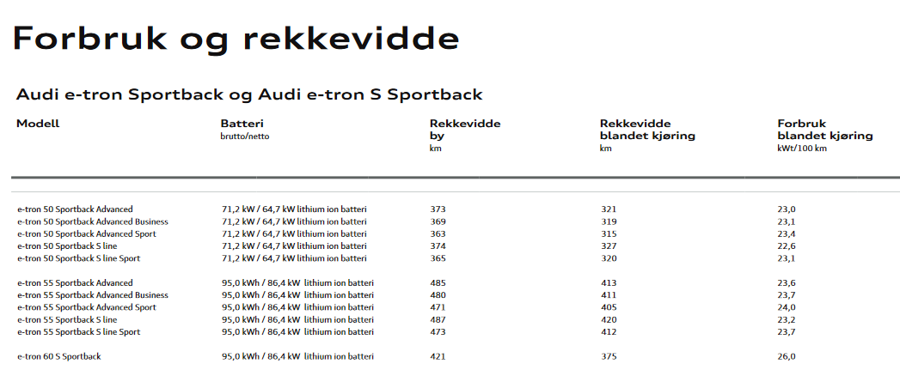
Audi e-tron S 55 quattro | 95 | 261 | 284 | 2620 | 700.522 | 1919.478 |  | ?
Audi e-tron S 55 sportback quattro | 95 | 256 | 281 | 2620 | 700.522 | 1919.478 |  | ?
Audi e-tron S line 55 quattro | 95 | 248.5 |  | 2490 | 700.522 | 1789.478
Audi e-tron 55 sportback quattro | 95 | 237 |  | 2520 |  |  |  | https://www.audi-mediacenter.com/en/audi-e-tron-sportback-12270
Audi e-tron 55 quattro | 95 | 222 | 262 | 2520 | 700.522 | 1819.478 |  | https://www.audi-mediacenter.com/en/audi-e-tron-75
Audi e-tron 55 quattro | 95 | 224 |  | 2520 | 700.522 | 1819.478
Battery cap vs curb weight
17.6 | 1095
17.6 | 1125
17.6 | 1110
40 | 1535
62 | 1686
51 | 1610.5
79 | 1931
79 | 1931
51 | 1684
69.666666667 | 1848.6666667
100 | 2316
100 | 2316
100 | 2290
100 | 2290
100 | 2298.6666667
Audi e-tron 50 quattro | 71 | 217 | 258 | 2370 |  | 2370 |  | https://www.audi-mediacenter.com/en/audi-e-tron-75
Audi e-tron Sportback 50 quattro | 71.2 | 233.5 |  | 2370 |  | 2370 |  | https://www.audi-mediacenter.com/en/audi-e-tron-sportback-12270
Audi Q4 e-tron 50 quattro | 82 | 189.5 |  | 2135 |  | 2135 |  | https://www.audi.no/dam/nemo/no/pricelists/Prisliste-Audi-Q4-e-tron.pdf |  | 0.70292887029
Audi Q4 e-tron 45 quattro | 82 | 196 |  | 2135 |  | 2135 |  | https://www.audi-mediacenter.com/en/audi-q4-e-tron-13911 |  | 0.64516129032
Audi Q4 e-tron 35 quattro | 55 | 170 | 191 | 1695 |  | 1695 |  | https://www.audi-mediacenter.com/en/audi-q4-e-tron-13911
Audi Q4 e-tron 40 | 82 | 18.65 |  | 2050 |  |  |  | https://www.audi-mediacenter.com/en/audi-q4-e-tron-13911
Audi Q4 e-tron 35 | 55 | 18.05 |  | 1890 |  |  |  | https://www.audi-mediacenter.com/en/audi-q4-e-tron-13911
Audi e-tron Sportback 40 quattro | 82 | 168 | 196 | 2120 |  | 2120 |  | https://www.audi-mediacenter.com/en/audi-e-tron-sportback-12270

Jaguar I-PACE | 90 | 220 |  | 2208 | 603 | 1605

VW ID.4 GTX | 82 | 184 |  | 2149 | 493 | 1656 |  | https://www.volkswagen.fr/idhub/content/dam/onehub_pkw/importers/fr/pdf/tarifs/id_4.pdf
VW ID.4 1st | 82 | 180 | 183 | 2049 | 493 | 1556 |  | https://www.volkswagen.fr/idhub/content/dam/onehub_pkw/importers/fr/pdf/tarifs/id_4.pdf
VW 1D.4 Pro Performance | 82 | 178.5 |  | 2049 | 493 | 1556 |  | https://www.volkswagen.fr/idhub/content/dam/onehub_pkw/importers/fr/pdf/tarifs/id_4.pdf
VW 1D.4 Pure Performance | 55 | 174 |  | 1891 | 344 | 1547 |  | https://www.volkswagen.fr/idhub/content/dam/onehub_pkw/importers/fr/pdf/tarifs/id_4.pdf
VW 1D.4 Pure | 55 | 174 |  | 1891 | 344 | 1547 |  | https://www.volkswagen.fr/idhub/content/dam/onehub_pkw/importers/fr/pdf/tarifs/id_4.pdf

WLTP rated consumption vs curb weight
 | Curb weight
1095 | 161
1125 | 165
1110 | 163
1535 | 171
1686 | 180
1610.5 | 175.5
1931 | 166
1931 | 160
1684 | 149
1848.6666667 | 158.33333333
2316
2316 | 193
2290
2290 | 190
2298.6666667 | 191.5
1160 | 145
2620 | 261
2620 | 256
2490 | 248.5
2520 | 237
2520 | 222
2520 | 224
2370 | 217
2370 | 233.5
2135 | 189.5
2135 | 196
1695 | 170
2050 | 18.65
1890 | 18.05
2120 | 168
2208 | 220
2149 | 184
2049 | 180
2049 | 178.5
1891 | 174
1891 | 174
...
Tesla Model X Long Range (2019) | 100 | 226 |  | 2533 | 630 | 1903
Tesla Model X Performance (2020) | 100 | 236 |  | 2572 | 630 | 1942
Tesla Model X Long Range (2020) | 100 | 226 |  | 2533 | 630 | 1903
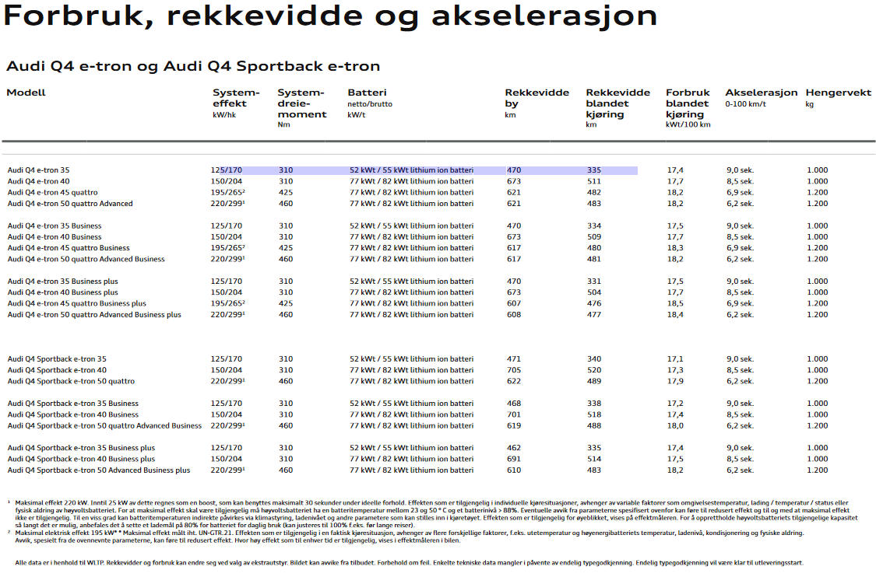

161 | 1095
165 | 1125
163 | 1110
171 | 1535
180 | 1686
175.5 | 1610.5
166 | 1931
160 | 1931
149 | 1684
158.33333333 | 1848.6666667
 | 2316
193 | 2316
 | 2290
190 | 2290
191.5 | 2298.6666667
Mercedes EQC 400 4MATIC | 85 | 223 |  | 2495 | 652 | SUV
Polestar 2 | 78 | 192 | 207 | 2198 |  | SUV
Audi e-tron GT RS | 93.4 | 206 | 225 | 2420 |  | F segment
Audi e-tron GT | 93.4 | 199 |  | 2350 |  | F segment
Porsche Taycan | 79.2 | 204 | 248 | 2125 |  | F segment
Other segments
Kia e-Niro | 67.5 | 159 |  | 1812 | 457 | SUV
Kia e-Soul | 67.5 | 157 |  | 1757 | 457
Hyundai IONIQ | 40.4 | 138 |  | 1602 | 359
Hyundai Kona Electric | 67.5 | 147 |  | 1760 | 452
Opel Ampera-e | 68 |  |  |  | 430
Opel Ampera-e | 62.2 | 158 |  | 1691 | 435
Peugeot e-208 | 50 | 164 |  | 1530 | 356
BMW i3 | 42.2 | 153 |  | 1345 | 278
Renault ZOE ZE 50 | 54.66 | 174 |  | 1577 | 326
Renault Twingo ZE | 22 | 163 |  | 1208 | 165
Renault ZOE ZE 40 | 44.1 | 178 |  | 1575 | 305
VW e-Golf | 35.8 | 153 |  | 1615 | 349
VW ID.3 Pro S | 82 | 135 | 141 | 1934

