Pre_Temp_Data availability
Data |  | Period | Type | Unit | No. of stations | Resolution | Source | Note
Precipitation |  | 1/1/1966-31/12/2007 | Daily | mm/day | 136 | APHRODITE (0.25x0.25) | Institute of Japan Meteorological Agency (MRI/JMA)
Temperature | Min | 1/1/1979-31/12/2007 | Daily | Celsius degree | 136 | CPC Global Daily Temperature (0.5x0.5) | National Oceanic and Atmospheric Administration | There is no data from 1/1/1966 - 31/12/1978, thus the missing values is defined as -99
 | Max

No data

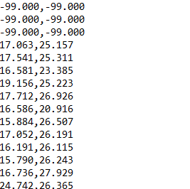

Max Temp

Min Temp

