GUI
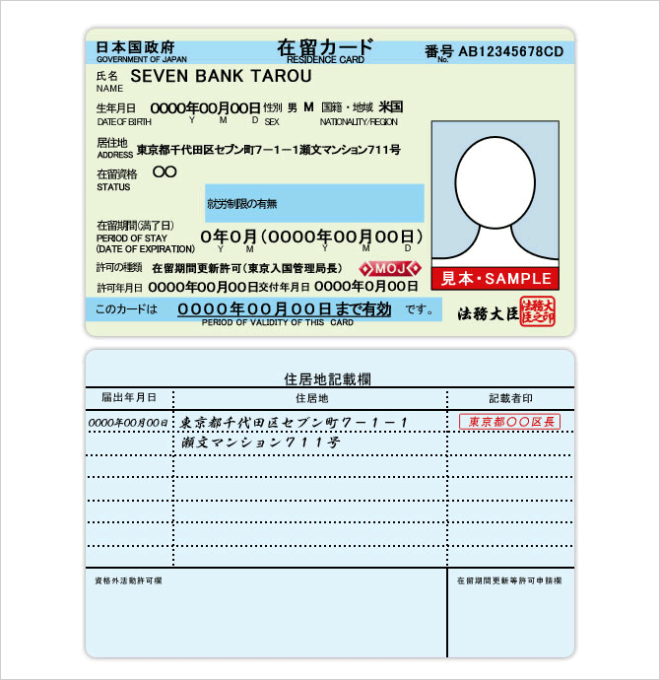
Open Image
Read Text
Export to

ImageBox
Read text

Core Processing
Start Image Processing

Finds edges in an image using the Canny algorithm

Detect Candidate Text Region

Remove Noise (Non-Text Regions, Background)

Using tesseract

Recognize Detected Text Using OCR

End Image Processing

