7.Scenario_flow
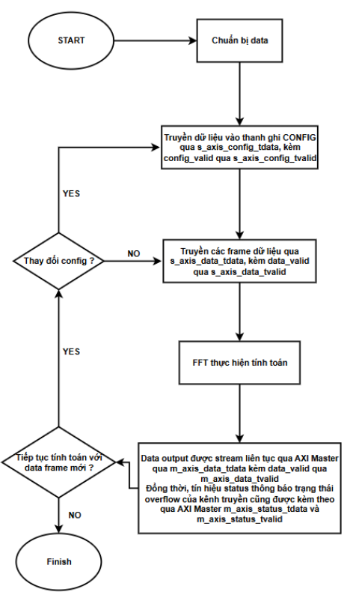
SCENARIO FLOW

 | * Guideline:
 |  | - Use symbols/lines in Flowchart/Lines group in tab Insert>Shapes
Ex: |  | - Do not use backgound color in box
1. Flow of "Scenario_name" |  | - Use keyword "START/END/HALT" for terminator

 |  |  | Common flow chart symbols:

 |  | Flowchart of FFT |  | Timing data output and status

tc_reset_on_the_fly_F1_1
1. Test name

 | tc_reset_on_the_fly_F1_1
 | ./testcase/reset_test/tc_reset_on_the_fly_F1_1/tc_reset_on_the_fly_F1_1.sv

2. Objective
 | Verify operation of DUT when trigger reset at different point and resume normal operation after reset release.

3. Scenario flow

 | 1. Build phase
 |  | 1. Enable default_tready and zero_delay_enableof Slave VIP 2. Config reset_typeof Master/Slave VIP is RESET_ALL_XACT
 | 2. Run phase
 |  | 1. Generate clock 200Mhz, assert and deassert reset.
 |  | 2. Start salve sequence for data and status to generate response data.
 |  | 3. Send cfg (nfft = 3 and others field is default ) and randomly input data (called normal transfer)
 |  | 4. Check output result with model.
 |  | Enable cover property for GLITCH_RESET_TEST
 |  | 5. Send normal transfer and wait 4 cycles (streaming input)
 |  | 6. Trigger asynchronous reset for 20 cycles then release reset.
 |  | 7. Stop 4 sequencer (cfg, input data, output data, status)
 |  | 8. Start salve sequence for data and status to generate response data.
 |  | 9. Send normal transfer and check output result with model.
 |  | 10. Send normal transfer and wait 12 cycles (calculating data)
 |  | 11. Trigger asynchronous reset for 60 cycles then release reset.
 |  | 12. Stop 4 sequencer (cfg, input data, output data, status)
 |  | 13. Start salve sequence for data and status to generate response data.
 |  | 14. Send normal transfer and check output result with model.
 |  | 15. Send normal transfer and wait 35 cycles (streaming data out with last beat)
 |  | 16. Trigger asynchronous reset for 100 cycles then release reset.
 |  | 17. Stop 4 sequencer (cfg, input data, output data, status)
 |  | 18. Start salve sequence for data and status to generate response data.
 |  | 19. Send normal transfer and check output result with model.
 |  | 20. Repeat from step 5 to step 19, but trigger a one-cycle reset pulse.
 |  | 21. End test

4. Result
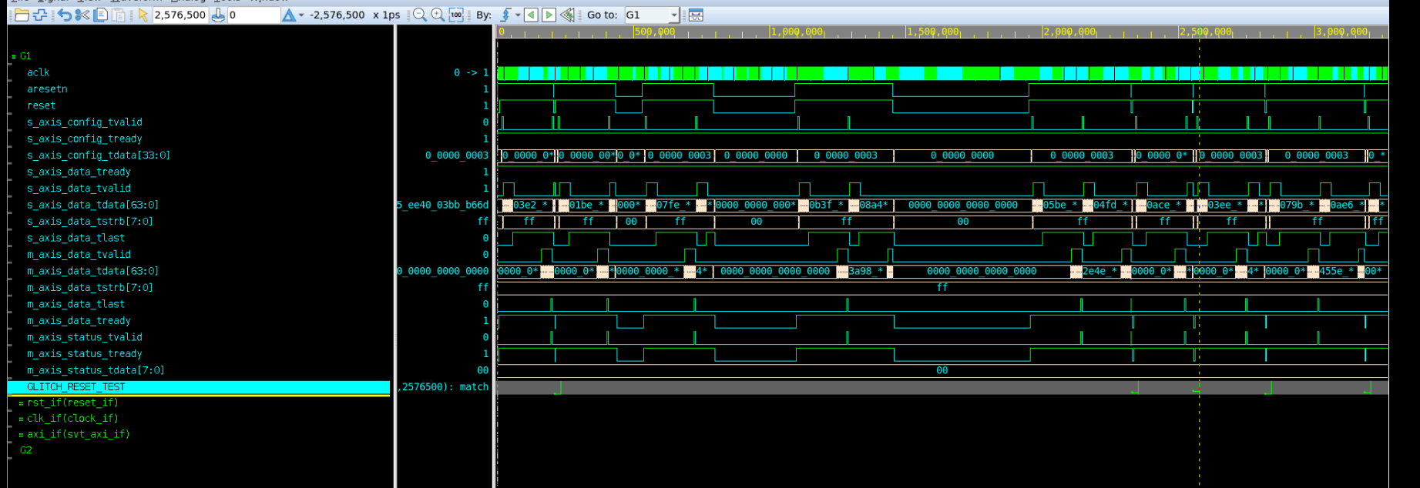

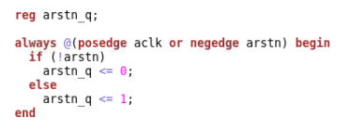
 |  |  | GLITCH_RESET_TEST: Cover properties are used to verify that the expected stimulus sequences occur during simulation.

