CV
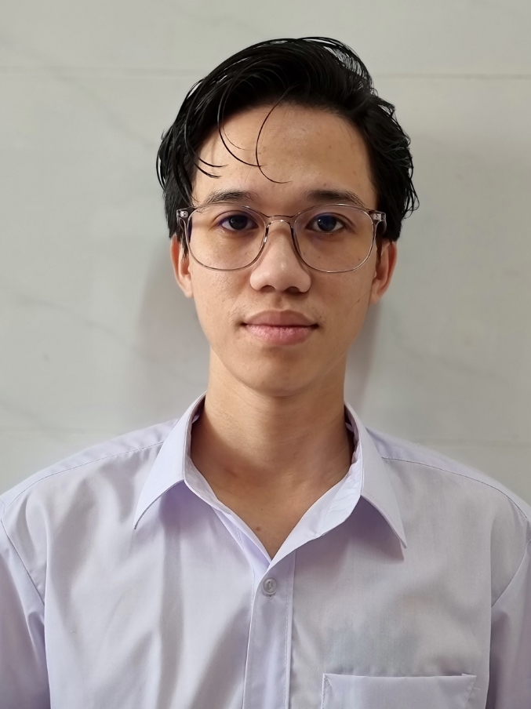 | PHAN HÙNG MẠNH ENGINEER S M T

CONTACT | CAREER GOALS

Phone : 038 273 7842 Mail : phanhungmanh95@gmail.com Date of birth : 20 / 11 / 1995 Address :No 62/90 , cluster 9 , quarter 1 , Tam Hoa Ward , Bien Hoa city , Dong Nai Province | After 5 years of working in the SMT engineering industry, I have equipped myself with skills and experience in installing and repairing machines. I look forward to working as an engineer to have the opportunity to contribute a little to the development of the company and strive every day to rise to the position of technical manager in the next 5 years.

PERSONAL SKILLS | EDUCATION

Microsoft Word : average Microsoft Excel : good level English : average | 2015-2020 :Graduated with honors from Ho Chi Minh City University of Technical Education

WORKING EXPERIENCE

Hansol electronic Vietnam Hochiminh city (Engineer) 7/2023 -prerent Daeyoung EP Vina (Leader Technical / Leader Production) 12/2021-5/2023 Daeyoung electronic vina (Engineer) 10/2020-12/2021 Main Skills Printer : - Ese : + Make new program + Setup model according plan + Maintenance , PM SPI : - Parmi : (Sigmax) + Make new program Mounter : - Pana : DGS (CM402/602) + Setup software DGS + Make new program - Hanwha : NC Master/OLP (SM471/411/411F) + Setup software OLP + Make new program (NC Master/OLP) + Maintenance , PM + Make Part list + Make Feeder list up Mes Scan + Calibration Feeder + Repair machine cut Reel Component - Yamaha : Ptool (YSM20R/YS24/YS12) + Setup software Ptool + Make new program + Maintenance , PM Reflow : - Heller : + Make new program + Setup software meassure profile (UI302) + Measure profile + Make sample board AOI : - Omron : (VT RNS2) + Make new program + Setup model according plan - Parmi : (Xceed) + Make new program + Setup model according plan + Backup software and datalog + Library archive + Debug virtual errors + Make sample board - Cyberoptic : (Q

