Bug03
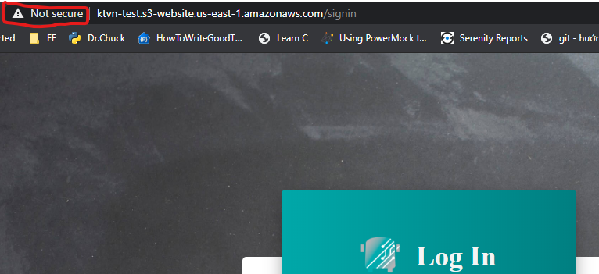
Summary | [Login Page] The website should be used HTTPS protocol
Priorty | Low
TC No | 2
Precondition
Description | Notice that is website is marked with NOT SECURE by Chrome browser. Sugget use https protocol
Actual result
Expected result
Attachemnts

Bug05
Summary | [Main Page] The Filters fuction is not worked properly
Priorty | Medium
TC No | 6-7-8-9
Precondition | User in Main Page
Description | 1. User click on Filter button 2. Dropdown list > select PENDING 3. Click APPLY 4. Observer result Note: Issue also occurs on other selections: Email, Student ID, Firstname, Lastname
Actual result | The Filters fuction is not worked properly
Expected result | When user filter by PENDING, the table should be displayed only record with Pending status
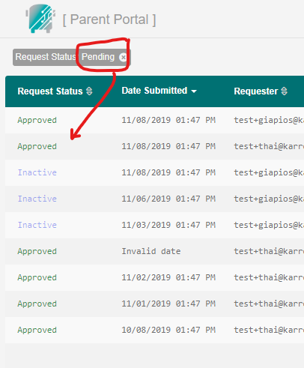
Attachemnts

Bug06
Summary | [Main Page] The sort function of DOB column is incorrect
Priorty | Medium
TC No | 16
Precondition | User in Main Page
Description | 1. User click on DOB header 2. Observer result
Actual result | The sort function of DOB column is incorrect: 2012 > 2007 > 2001 > 2012 > 2005 > 2010
Expected result | The sort function of DOB column should be fixed
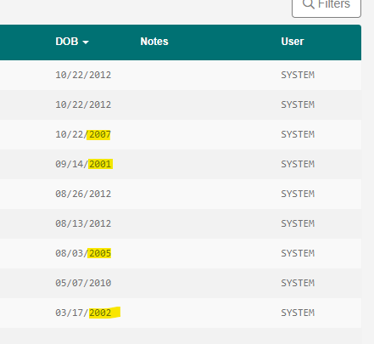
Attachemnts

Bug07
Summary | [Main Page] User cannot changed Status on specific row
Priorty | Medium
TC No | 17
Precondition | User in Main Page
Description | 1. Click on row of Student ID = 106015 in first column (Request Status column) 2. Changed status to Denied 3. Observer result
Actual result | The Request Status of Student ID 106015 is not changed
Expected result | The Request Status of Student ID 106015 should be changed to Denied
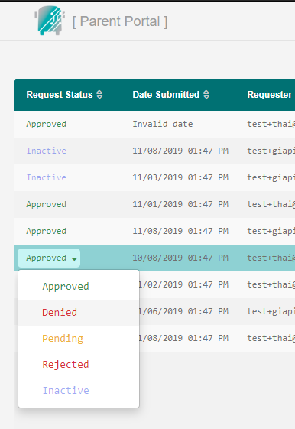
Attachemnts

Bug09
Summary | [Main Page] The LastName and FirstName column are not displayed on mobile site
Priorty | Medium
TC No | 2
Precondition | User in Main Page
Description | 1. Open website under mobile site 4. Observer result
Actual result | The LastName and FirstName column are not displayed on mobile site
Expected result
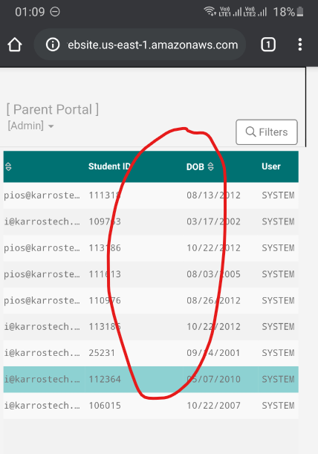
Attachemnts

