Readme
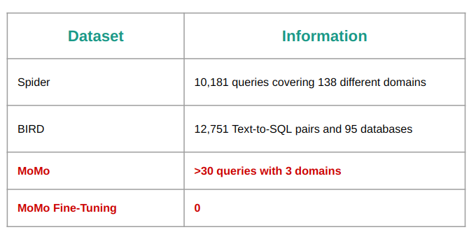
Context: Để đánh gía được chất lượng mô hình Text_to_SQL của MiMir ở MoMo cần mộ bộ text set
Approach:
- Solution 1: Manual
Mỗi owner của domain cung cấp 1 bộ câu hỏi từ dễ tới khó về Domain đó với kỳ vọng MiMir sẽ trả lời được
Điểm mạnh | Điểm yếu
Câu hỏi gần sát với thực tế, mức độ am hiểu cao | Human Resource
 | Thiếu góc cạnh về các người dùng phía Business

- Solution 2: Thu thập Feedback
Thu thập các câu hỏi - câu trả lời bị dislike của MiMir
Điểm mạnh | Điểm yếu
Sát với thực tế nhất | Số lượng ít
 | Các Domain được thay đổi liên tục khiến việc test lại bị khó khăn
 | Nhiều yếu tố chủ quan

- Solution 3: ChatGPT Generate
Cung cấp thông tin Domain, một số câu hỏi mẫu, các data anagle biến đổi
Điểm mạnh | Điểm yếu
Lượng dữ liệu nhiều | Không có câu SQL chính xác đi kèm
Tiết kiệm Resource | Thiếu thực tế
 | Các câu hỏi bị lặp lại, không có gì mới

- Solution 4: SQL BigQuery log
Điểm mạnh | Điểm yếu
Lượng dữ liệu nhiều | Không có Prompt đi kèm
Tiết kiệm Resource | Nhiều SQL không phục vụ cho mục đích gì cả
Thực tế hơn solution 3

