Sprint2
No | Url | Authen | Method | Input | Output | HTTP status codes | Description

1 | api/v1/folder/search | YES | POST | { "keyword" : "Paracel", "teamId" : "4" } | { "success": true, "errorCode": null, "message": null, "data": { "teamId": 4, "keyword": "Paracel", "firstResult": 0, "maxResult": 10, "sort": null, "sortAction": null, "listTeamFolderDTO": [ { "folderId": 9, "teamId": 4, "parentFolderId": null, "folderName": "TeamParacel", "createdDate": 1598545697000, "updatedDate": 1598545697000, "folderDeleteDate": null, "folderSize": null, "isActive": 1, "createdby": 13, "folderChild": null }, { "folderId": 10, "teamId": 4, "parentFolderId": 9, "folderName": "TeamParacel1", "createdDate": 1598545798000, "updatedDate": 1598545798000, "folderDeleteDate": null, "folderSize": null, "isActive": 1, "createdby": 13, "folderChild": null }, { "folderId": 11, "teamId": 4, "parentFolderId": 9, "folderName": "TeamParacel2", "createdDate": 1598545823000, "updatedDate": 1598545823000, "folderDeleteDate": null, "folderSize": null, "isActive": 1, "createdby": 13, "folderChild": null } ], "listTeamFileDTO": [ { "fileId": 10, "folderId": 10, "teamId": 4, "fileType": "doc", "fileName": "Paracel.doc", "contentType": "application/msword", "fileNameAtServer": "1598633170935_Paracel.doc", | 200 | Search folder and file by teamId and keyword
2 | api/v1/file/rename | YES | GET | ?fileId=31&fileName=ParacelABC.xlsx | { "success": true, "errorCode": null, "message": "Update File successed!", "data": [] } | 200 | Rename file
3 | api/v1/folder/rename | Yes | GET | ?folderId=7&folderName=TeamParacek2020 | { "success": true, "errorCode": null, "message": "Update Folder successed!", "data": [] } | 200 | Rename folder
4 | api/v1/file/remove | Yes | GET | ?fileId=18 | { "success": true, "errorCode": null, "message": "Delete File successed!", "data": [] } | 200 | Remove file
5 | api/v1/folder/remove | Yes | GET | ?folderId=35 | { "success": true, "errorCode": null, "message": "Delete Folder successed!", "data": [ { "folderId": 36, "teamId": null, "parentFolderId": null, "folderName": null, "createdDate": null, "updatedDate": null, "folderDeleteDate": null, "folderSize": null, "isActive": 1, "createdby": null, "folderChild": [ { "folderId": 38, "teamId": null, "parentFolderId": null, "folderName": null, "createdDate": null, "updatedDate": null, "folderDeleteDate": null, "folderSize": null, "isActive": 1, "createdby": null, "folderChild": null } ] }, { "folderId": 37, "teamId": null, "parentFolderId": null, "folderName": null, "createdDate": null, "updatedDate": null, "folderDeleteDate": null, "folderSize": null, "isActive": 1, "createdby": null, "folderChild": [ { "folderId": 39, "teamId": null, "parentFolderId": null, "folderName": null, "createdDate": null, "updatedDate": null, "folderDeleteDate": null, "folderSize": null, "isActive": 1, "createdby": null, "folderChild": null }, { "folderId": 40, "teamId": null, "parentFolderId": null, | 200 | Remove folder(bao gồm cả folder con và các file nằm trong các folder liên quan)
6 | api/v1/file/add | Yes | POST | 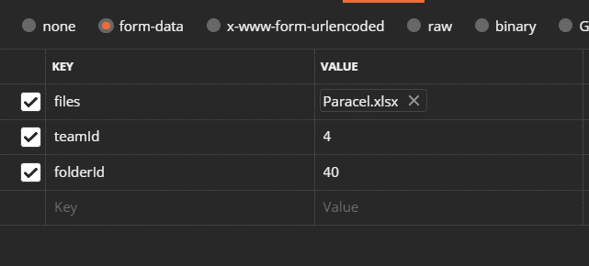 | { "success": true, "errorCode": null, "message": null, "data": [ { "fileId": 32, "folderId": 40, "teamId": 4, "fileType": "xlsx", "fileName": "Paracel.xlsx", "contentType": "application/vnd.openxmlformats-officedocument.spreadsheetml.sheet", "fileNameAtServer": "1598878017275_Paracel.xlsx", "filePathAtServer": "/home/paracel/tomcat-server/source/teamsport-images", "fileSize": 8126, "fileDeleteDate": null, "createdDate": 1598878017276, "updatedDate": null, "isActive": 1, "createdby": 13 } ] } | 200 | Upload files to server and save information to DB
7 | api/v1/folder/add | Yes | POST | { "folderName" : "Team40", "parentFolderId" : "37", "teamId" : "4" } | { "success": true, "errorCode": null, "message": "Create Folder successed!", "data": [] } | 200 | Add new folder
8 | api/v1/file/download | Yes | GET | ?teamId=4&fileId=9 | 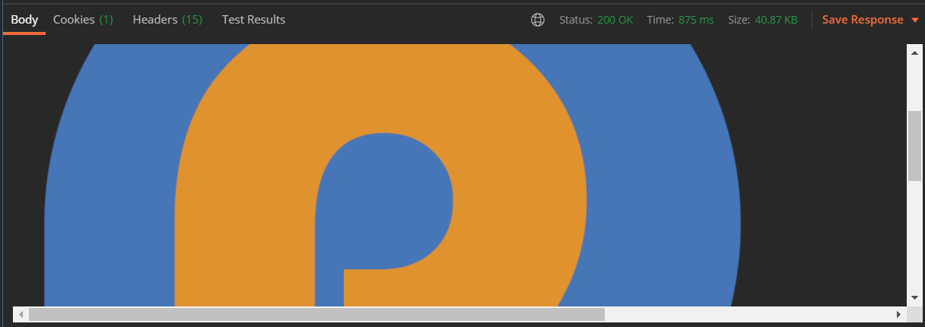 | 200 | Download file
9 | api/v1/folder/getall | Yes | GET | ?teamId=21 | { "success": true, "errorCode": null, "message": null, "data": { "storage": 22568764, "media": { "totalFiles": 4, "totalSize": 22551072 }, "photos": { "totalFiles": 0, "totalSize": 0 }, "doc": { "totalFiles": 2, "totalSize": 17692 }, "others": { "totalFiles": 0, "totalSize": 0 }, "pathFolder": null, "listTeamFolderDTO": [ { "folderId": 71, "teamId": 21, "parentFolderId": null, "folderName": "TeamSport", "createdDate": 1599225214000, "updatedDate": 1599276678000, "folderDeleteDate": null, "folderSize": 5637768, "isActive": 1, "createdby": 13, "folderChild": null }, { "folderId": 86, "teamId": 21, "parentFolderId": null, "folderName": "TeamParacel", "createdDate": 1599296905000, "updatedDate": 1599298300000, "folderDeleteDate": null, "folderSize": 0, "isActive": 1, "createdby": 13, "folderChild": null } ], "listTeamFileDTO": [] } } | 200 | Get all folder and file in folder
9 | api/v1/folder/getall | Yes | GET | ?folderId=71&teamId=21 | { "success": true, "errorCode": null, "message": null, "data": { "storage": 22568764, "media": null, "photos": null, "doc": null, "others": null, "pathFolder": [ { "folderId": 71, "teamId": null, "parentFolderId": null, "folderName": "TeamSport", "createdDate": null, "updatedDate": null, "folderDeleteDate": null, "folderSize": null, "isActive": 1, "createdby": null, "folderChild": null } ], "listTeamFolderDTO": [ { "folderId": 72, "teamId": 21, "parentFolderId": 71, "folderName": "TeamSportA", "createdDate": 1599225242000, "updatedDate": 1599225242000, "folderDeleteDate": null, "folderSize": 5637768, "isActive": 1, "createdby": 13, "folderChild": null }, { "folderId": 73, "teamId": 21, "parentFolderId": 71, "folderName": "TeamSportB1", "createdDate": 1599225256000, "updatedDate": 1599325702000, "folderDeleteDate": null, "folderSize": 5637768, "isActive": 1, "createdby": 13, "folderChild": null } ], "listTeamFileDTO": [ { "fileId": 52, "folderId": 71, "teamId": 21, "fileType": "mp4", "fileName": "Marvel’s Avengers - BETA Trailer.mp4", "contentType": "video/mp4", "fileNameAtServer": "1599274691743_Marvel | 200 | Get all folder and file in folder
10 | api/v1/folder/download | Yes | GET | ?teamId=4&folderId=49 |  | 200 | Download folder
11 | api/v1/file/timedelete | Yes | GET | ?fileId=70&date=05/09/2020 | { "success": true, "errorCode": null, "message": "Update File successed!", "data": [] } | 200 | Set time to delete file
12 | api/v1/folder/timedelete | Yes | GET | ?folderId=86&date=05/09/2020 | { "success": true, "errorCode": null, "message": "Update Folder successed!", "data": [] } | 200 | Set time to delete folder

