Survey
No | Url | Authen | Method | Input | Output | HTTP status codes | Description

1 | /api/v1/survey/privacys | YES | GET |  | { "success": true, "errorCode": null, "message": null, "data": [ { "privacyId": 1, "privacyName": "Public" }, { "privacyId": 2, "privacyName": "My team" }, { "privacyId": 3, "privacyName": "Include" }, { "privacyId": 4, "privacyName": "Only me" } ] } | 200 | Privacy list
2 | /api/v1/survey/update | YES | POST | 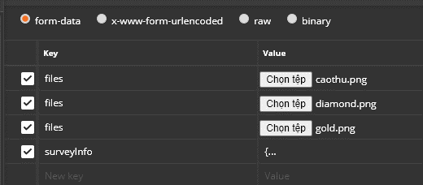 { "teamId":"33", "postSurveyContent":"Tell me what kind of sport do you like? I + T", "backgroundImage": "100", "backgroundDefault": "", "privacyId":"1", "postContentFontSize":"#fff", "postType": "POST_SURVEY_SELECTION", "postSurveyDeadline": "2020-09-19T09:28:56", "locale": "120 XVNT Da Nang", "hashTag":["#chelsea","#vietnamr","#Danang"], "isMultiple": "1", "isExtendsAns": "1", "userInclude":[ { "userId":"201", "userFullName":"Nguyen Van Tao" } ], "userTag":[], "answerList":[ { "postSurveyContent": "Badminton", "ansImage": "" }, { "postSurveyContent": "Soccer", "ansImage": "" }, { "postSurveyContent": "Swim", "ansImage": "" } ] } | { "success": true, "errorCode": null, "message": "Create survey successed!", "data": [] } | 200 | Create Survey Selection Text + Image
3 | /api/v1/survey/update | YES | POST |  { "postId": "625", "teamId":"33", "postSurveyContent":"Tell me what type of sport do creazy?", "backgroundImage": "100", "backgroundDefault": "", "privacyId":"3", "postContentFontSize":"#fff", "postType": "POST_SURVEY_SELECTION", "postSurveyDeadline": "2020-09-19T09:28:56", "locale": "120 XVNT Da Nang", "hashTag":["#chelsea","#vietnamr","#Danang"], "isMultiple": "1", "isExtendsAns": "1", "userInclude":[ { "userId":"201", "userFullName":"Nguyen Van Tao" } ], "userTag":[], "answerList":[ { "postSurveyContent": "badminton", "ansImage": "" }, { "postSurveyContent": "Tennis", "ansImage": "" }, { "postSurveyContent": "Ma si", "ansImage": "" } ] } | { "success": true, "errorCode": null, "message": "Update survey successed!", "data": [] } | 200 | Update survey selection Text + Image Note: The survey can only be updated when no one has voted
4 | /api/v1/survey/update | YES | POST | { "postId": "625", "teamId":"33", "postSurveyContent":"Tell me what type of sport do creazy?", "backgroundImage": "100", "backgroundDefault": "", "privacyId":"3", "postContentFontSize":"#fff", "postType": "POST_SURVEY_SELECTION", "postSurveyDeadline": "2020-09-19T09:28:56", "locale": "120 XVNT Da Nang", "hashTag":["#chelsea","#vietnamr","#Danang"], "isMultiple": "1", "isExtendsAns": "1", "userInclude":[ { "userId":"201", "userFullName":"Nguyen Van Tao" } ], "userTag":[], "answerList":[ { "postSurveyContent": "badminton", "ansImage": "" }, { "postSurveyContent": "Tennis", "ansImage": "" }, { "postSurveyContent": "Ma si", "ansImage": "" } ] } | { "success": false, "errorCode": null, "message": "The survey is progressing, you cannot update the survey content!", "data": [] } | 200 | Update survey selection Text + Image Note: Some people voted therefore survey cannot be updated
5 | /api/v1/survey/update | YES | POST | 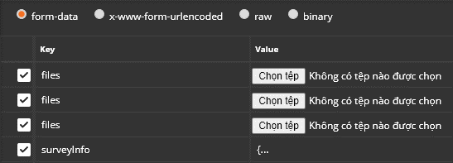 { "teamId":"33", "postSurveyContent":"What do you want to do in the future? T", "backgroundImage": "100", "backgroundDefault": "", "privacyId":"1", "postContentFontSize":"#fff", "postType": "POST_SURVEY_SELECTION", "postSurveyDeadline": "2020-09-19T09:28:56", "locale": "120 XVNT Da Nang", "hashTag":["#chelsea","#vietnamr","#Danang"], "isMultiple": "1", "isExtendsAns": "1", "userInclude":[ { "userId":"201", "userFullName":"Nguyen Van Tao" } ], "userTag":[], "answerList":[ { "postSurveyContent": "Lawyer", "ansImage": "" }, { "postSurveyContent": "Psychologist", "ansImage": "" }, { "postSurveyContent": "Sociologist", "ansImage": "" } ] } | { "success": true, "errorCode": null, "message": "Create survey successed!", "data": [] } | 200 | Create Survey Text without image
6 | /api/v1/survey/update | YES | POST | { "postId": "626", "teamId":"33", "postSurveyContent":"Tell me what type of sport do creazy? T", "backgroundImage": "100", "backgroundDefault": "", "privacyId":"1", "postContentFontSize":"#fff", "postType": "POST_SURVEY_SELECTION", "postSurveyDeadline": "2020-09-19T09:28:56", "locale": "120 XVNT Da Nang", "hashTag":["#chelsea","#vietnamr","#Danang"], "isMultiple": "1", "isExtendsAns": "1", "userInclude":[ { "userId":"201", "userFullName":"Nguyen Van Tao" } ], "userTag":[], "answerList":[ { "postSurveyContent": "Operator", "ansImage": "" }, { "postSurveyContent": "president", "ansImage": "" }, { "postSurveyContent": "Historian", "ansImage": "" } ] } | { "success": true, "errorCode": null, "message": "Update survey successed!", "data": [] } | 200 | Update survey Text without image Note: The survey can only be updated when no one has answered
7 | /api/v1/survey/update | YES | POST | { "teamId":"33", "postSurveyContent":"Test", "backgroundImage": "100", "backgroundDefault": "", "privacyId":"3", "postContentFontSize":"#fff", "postType": "POST_SURVEY_SELECTION", "postSurveyDeadline": "2020-09-19T09:28:56", "locale": "120 XVNT Da Nang", "hashTag":["#chelsea","#vietnamr","#Danang"], "isMultiple": "1", "isExtendsAns": "1", "userInclude":[ { "userId":"201", "userFullName":"Nguyen Van Tao" } ], "userTag":[], "answerList":[ ] } | { "success": false, "errorCode": null, "message": "Please add options for this survey type!", "data": [] } | 200 | Create survey selection Without image + text Note: The survey will be created, but it will also be shown the message to the users that they must add options to the survey.
8 | /api/v1/survey/answer | YES | POST | 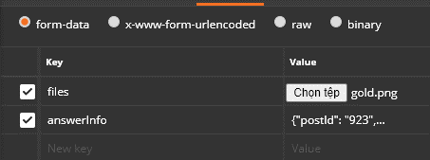 {"postId": "923", "answerList":[ { "postSurveyContent": "This is the answer of survey 923" } ] } | { "success": true, "errorCode": null, "message": "Add answer is successed!", "data": [] } | 200 | Add option for selection survey [Text + Image]
9 | /api/v1/survey/answer | YES | POST | 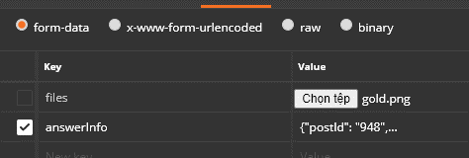 {"postId": "948", "answerList":[ { "postSurveyContent": "This is the answer of survey 948" } ] } | { "success": true, "errorCode": null, "message": "Add answer is successed!", "data": [] } | 200 | Add option for selection survey [only text without image]
10 | /api/v1/survey/answer | YES | POST | 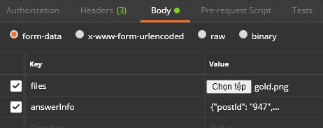 {"postId": "947", "answerList":[ { "postSurveyContent": "This is the answer of survey 947" } ] } | { "success": false, "errorCode": null, "message": "Sorry, the survey does not support add a new option.", "data": [] } | 200 | Cannot add more option if the survey doesn't allow add a new option
11 | /api/v1/survey/detail | YES | GET | ?postId=1001 | { "success": true, "errorCode": null, "message": null, "data": [ { "ansId": null, "voteId": null, "postId": 1001, "userId": 207, "ansImage": null, "postSurveyContent": "Tell me what kind of sport do you like? I + T 2", "backgroundImage": 972, "backgroundDefault": "", "backgroundColor": null, "postContentFontSize": "#fff", "hashTag": null, "createdby": null, "isActive": 1, "createdDate": 1601821067000, "updatedDate": null, "teamId": 33, "privacyId": 1, "privacyName": "Public", "totalAnswers": 0, "totalVotes": 0, "postType": "POST_SURVEY_SELECTION", "locale": "120 XVNT Da Nang", "isMultiple": 1, "isExtendsAns": 1, "fullName": "Adminstrator", "userAvatar": 1, "ansContent": null, "postSurveyDeadline": 1600473600000, "optionList": [ { "ansId": 581, "postId": null, "ansContent": "Badminton", "ansImage": 967, "backgroundColor": null, "postContentFontSize": null, "createdby": null, "isActive": 1, "createdDate": null, "updatedDate": null }, { "ansId": 582, "postId": null, "ansContent": "Tennis", "ansImage": 968, "backgroundColor": null, "postContentFontSize": null, "createdby": null, "isActive": 1, "createdDate": null, | 200 | API Survey detail
12 | /api/v1/survey/listanswer | YES | GET | ?postId=933 | { "success": true, "errorCode": null, "message": null, "data": [ { "ansId": null, "voteId": null, "postId": 933, "userId": 207, "ansImage": null, "postSurveyContent": "What did you learn in the yesterday? Only Text 2", "backgroundImage": null, "backgroundDefault": null, "backgroundColor": null, "postContentFontSize": null, "hashTag": null, "createdby": null, "isActive": 1, "createdDate": null, "updatedDate": null, "teamId": null, "privacyId": null, "privacyName": null, "totalAnswers": 0, "totalVotes": 0, "postType": "POST_SURVEY_TEXT", "locale": null, "isMultiple": 0, "isExtendsAns": 0, "fullName": "Adminstrator", "userAvatar": 1, "ansContent": "ans 5", "postSurveyDeadline": null, "optionList": null, "hashtagList": null, "includeUserList": null, "answerList": null, "votes": null, "userInclude": null, "userTag": null, "hashtags": null, "includeUsers": null }, { "ansId": null, "voteId": null, "postId": 933, "userId": 214, "ansImage": null, "postSurveyContent": "What did you learn in the yesterday? Only Text 2", "backgroundImage": null, "backgroundDefault": null, "backgroundColor": null, "postContentFontSize": null, "hashTag": null, "createdby": null, "isActive": 1, "createdDate": null, "updatedDate": null, "teamId": null, "privacyI | 200 | API list user info and the answer of Text Survey
13 | /api/v1/survey/listuservoteans | YES | GET | ?ansId=583 | { "success": true, "errorCode": null, "message": null, "data": [ { "ansId": 583, "voteId": null, "postId": null, "userId": 214, "ansImage": null, "postSurveyContent": null, "backgroundImage": null, "backgroundDefault": null, "backgroundColor": null, "postContentFontSize": null, "hashTag": null, "createdby": null, "isActive": 1, "createdDate": null, "updatedDate": null, "teamId": null, "privacyId": null, "privacyName": null, "totalAnswers": 0, "totalVotes": 0, "postType": null, "locale": null, "isMultiple": 0, "isExtendsAns": 0, "fullName": "binh", "userAvatar": 1, "ansContent": "Swim", "postSurveyDeadline": null, "optionList": null, "hashtagList": null, "includeUserList": null, "answerList": null, "votes": null, "userInclude": null, "userTag": null, "hashtags": null, "includeUsers": null }, { "ansId": 583, "voteId": null, "postId": null, "userId": 207, "ansImage": null, "postSurveyContent": null, "backgroundImage": null, "backgroundDefault": null, "backgroundColor": null, "postContentFontSize": null, "hashTag": null, "createdby": null, "isActive": 1, "createdDate": null, "updatedDate": null, "teamId": null, "privacyId": null, "privacyName": null, "totalAnswers": 0, "totalVotes": 0, | 200 | API list user info when they vote an option of selection survey
14 | /api/v1/survey/totalanswer | YES | GET | ?postId=1001 | { "success": true, "errorCode": null, "message": null, "data": { "ansId": null, "voteId": null, "postId": null, "userId": null, "ansImage": null, "postSurveyContent": null, "backgroundImage": null, "backgroundDefault": null, "backgroundColor": null, "postContentFontSize": null, "hashTag": null, "createdby": null, "isActive": 1, "createdDate": null, "updatedDate": null, "teamId": null, "privacyId": null, "privacyName": null, "totalAnswers": 0, "totalVotes": 4, "postType": null, "locale": null, "isMultiple": 0, "isExtendsAns": 0, "fullName": null, "userAvatar": null, "ansContent": null, "postSurveyDeadline": null, "optionList": null, "hashtagList": null, "includeUserList": null, "answerList": null, "votes": null, "userInclude": null, "userTag": null, "hashtags": null, "includeUsers": null } } | 200 | Count total answer by post Id
15 | /api/v1/survey/totalvotebyans | YES | GET | ?postId=1001&ansId=583 | { "success": true, "errorCode": null, "message": null, "data": { "ansId": null, "voteId": null, "postId": null, "userId": null, "ansImage": null, "postSurveyContent": null, "backgroundImage": null, "backgroundDefault": null, "backgroundColor": null, "postContentFontSize": null, "hashTag": null, "createdby": null, "isActive": 1, "createdDate": null, "updatedDate": null, "teamId": null, "privacyId": null, "privacyName": null, "totalAnswers": 0, "totalVotes": 2, "postType": null, "locale": null, "isMultiple": 0, "isExtendsAns": 0, "fullName": null, "userAvatar": null, "ansContent": null, "postSurveyDeadline": null, "optionList": null, "hashtagList": null, "includeUserList": null, "answerList": null, "votes": null, "userInclude": null, "userTag": null, "hashtags": null, "includeUsers": null } } | 200 | Count total vote by ansId
16 | /api/v1/survey/vote | YES | POST | { "postId": "1001", "votes": [ { "ansId": "583" }, { "ansId": "585" } ] } | { "success": true, "errorCode": null, "message": null, "data": [] } | 200 | API Vote one or mutiple option
17 | /api/v1/survey/deleteoption | YES | POST | { "postId": "1001", "ansId": "585" } | { "success": true, "errorCode": null, "message": "Delete answer successed!", "data": [] } | 200 | Delete Option By Answer Id
18 | /api/v1/survey/delete | YES | POST | { "postId": "948" } | { "success": true, "errorCode": null, "message": "Delete survey successed!", "data": [] } | 200 | Delete Survey By Survey Id
19
20

