Sheet9
BOX ITEMS
PRODUCT | P.P IN DZ |  | P.P IN PCS |  | OUR NUMBER
SUPER COOL JHOOMER | 492 | DZ | 41 | PIECE | 124 | NO
PARIS JHOOMER | 480 | DZ | 40 | PIECE | 120 | NO
POP JHOOMER | 468 | DZ |  |  | 118 | NO
NOKIA JHOOMER | 360 | DZ |  |  | 90 | NO
BABY ACCENT CAR | 228 | DZ |  |  | 60 | NO
MINI ACCENT CAR | 294 | DZ |  |  | 74 | NO

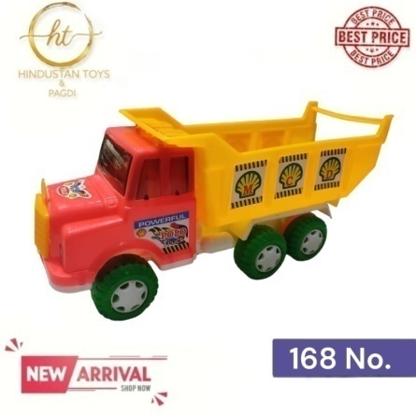

POLO DUMPER |  |  | 52 | PIECE | 168 | NO

