Feedback
Feedback |  |  | 13/0 completed
✓ | Image | Description | Page Name
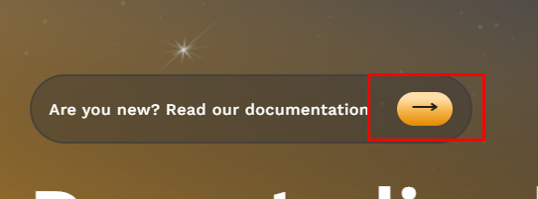 TRUE |  | Vertical Center Error | Home
TRUE |  | Title and Logo Replace all string "LeveragePro" to "XVI"in the project | Home
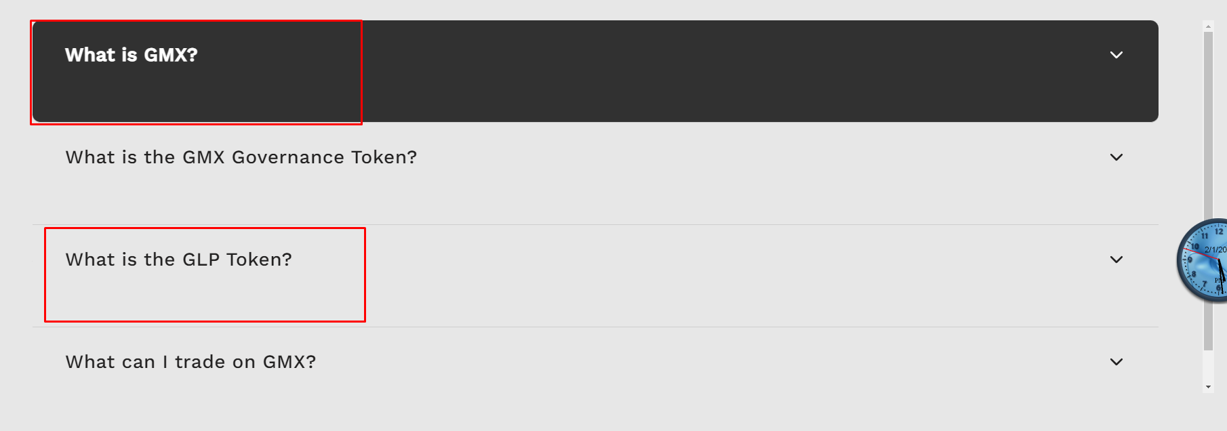 TRUE |  | Vertical Center Error | Home
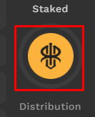 TRUE |  | Can't see value | Dashboard
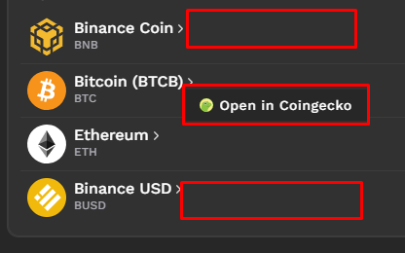 FALSE |  | Open in Coingecko Doesn't appear all | Dashboad
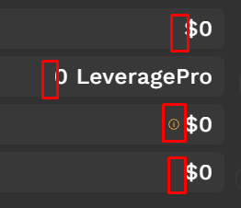 TRUE |  | icon doesn't appear | Dashboard
TRUE |  | no need icon | Dashboard
TRUE |  | icon overflow | Dashboard
TRUE |  | icon too big | Dashboard
TRUE |  | smooth effect when button changes | All
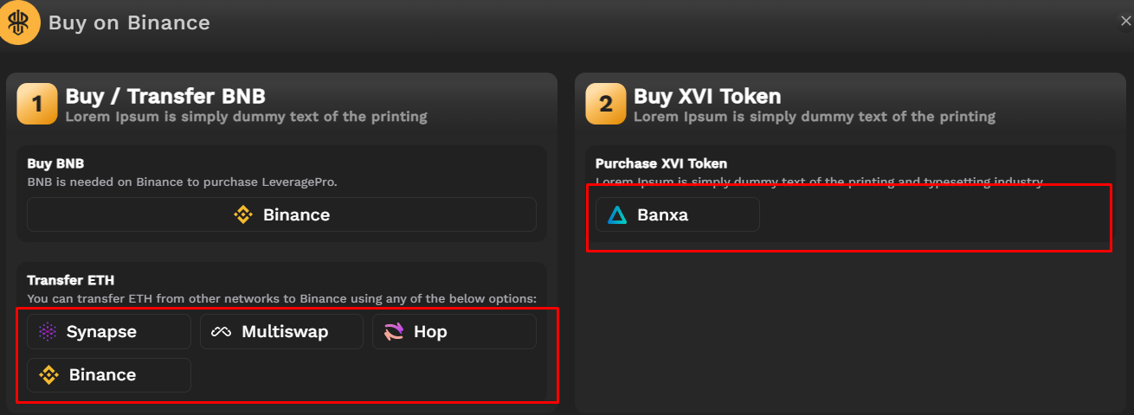 TRUE |  | Token not correct | Earn
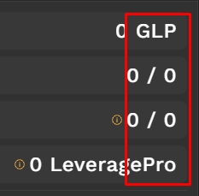 TRUE |  | Unit ($) | Earn
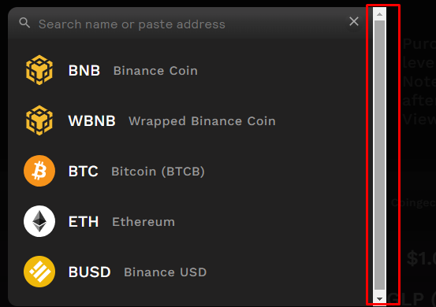 TRUE |  | scroll (different from design) | All
TRUE |  | horizontal center error | Home
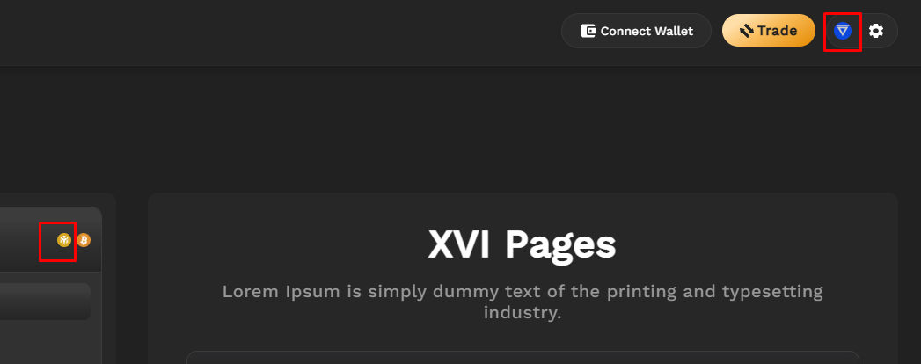 FALSE |  | icon doesn't change | Ecosystem
FALSE |  | Replace "Gmx" to "XVI" | All
FALSE |  | Replace all gmx links to "about:blank" | All
FALSE | 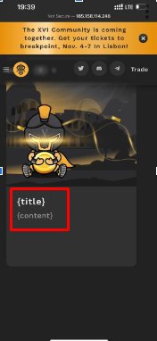 | title and content does not display on ubuntu server | home
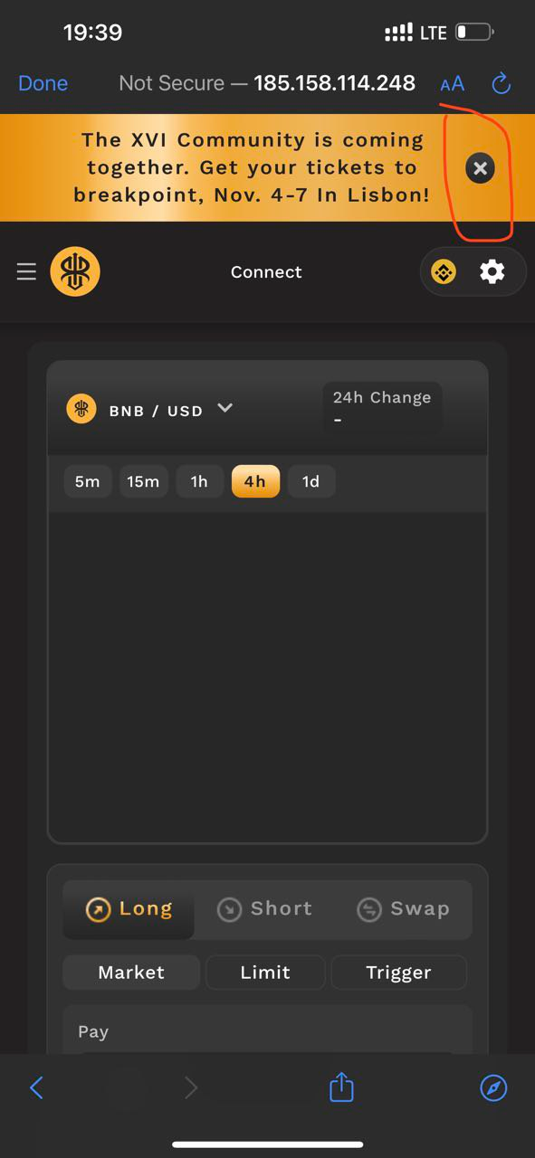 FALSE |  | button looks bad Plz make normal circle button | trade
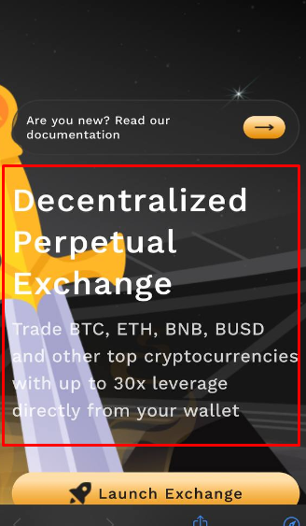 FALSE |  | need shadow for gray text (add contract), Add VLX to text | home
FALSE | 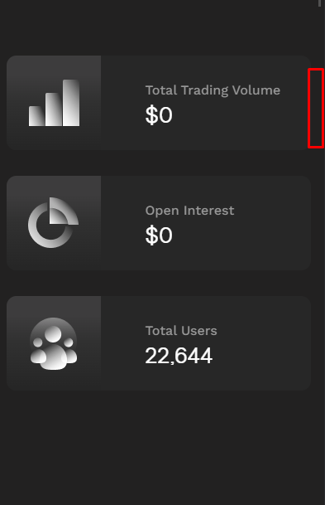 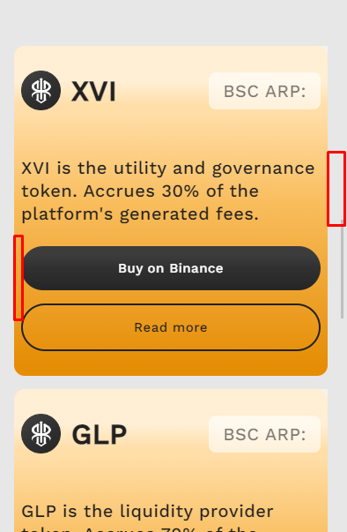 | Padding on mobile is too short on most pages | All
FALSE |  | Plz make (all buttons and hover effects, faq accordion ...etc) smoothly(transition: 0.2s) | All
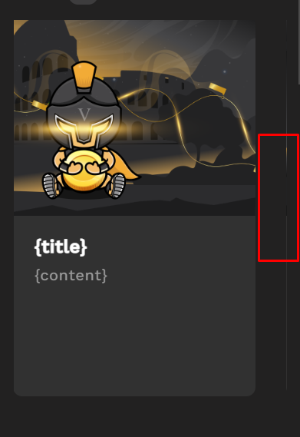 FALSE |  | Make this full width on mobile | Home
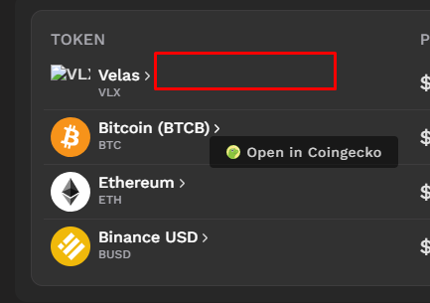 FALSE |  | icon doesn't appear, "Open in Coingecko" doesn't appear | Dashboard
FALSE |  | Logo icon(when loading) didn't change
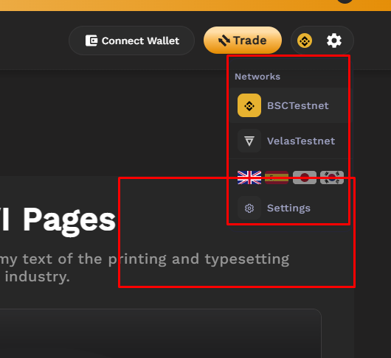 FALSE |  | border is not clear
FALSE | 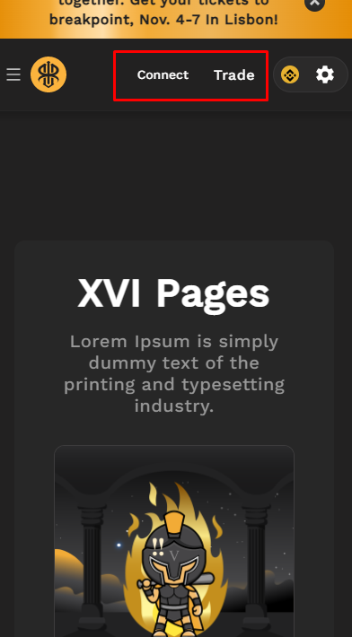 | button error(showing only text) | Dashboard
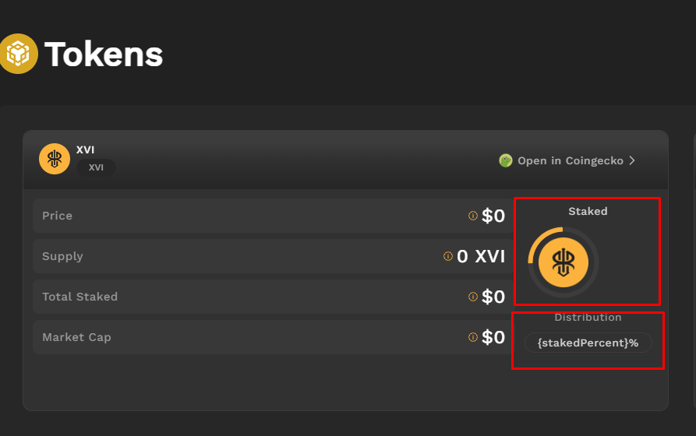 FALSE |  | center error, variable error | Dashboard
FALSE
FALSE
FALSE
FALSE
FALSE
FALSE
FALSE
FALSE
FALSE
FALSE
FALSE
FALSE
FALSE
FALSE
FALSE
FALSE
FALSE
FALSE
FALSE
FALSE

