工作表1
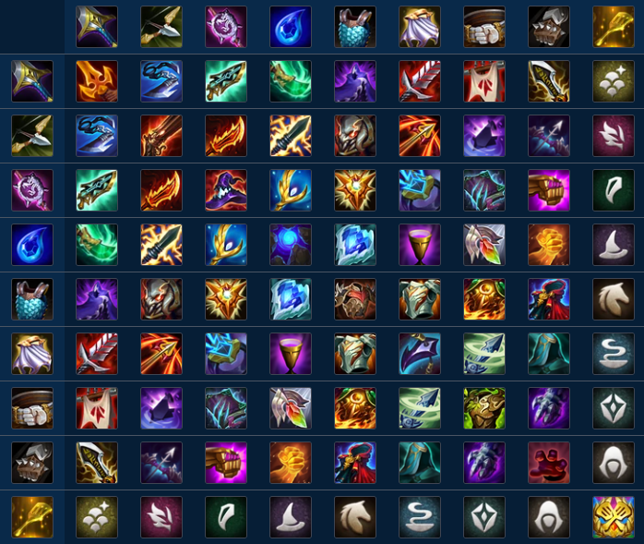
 | 2 | 3 | 5 | 7 | 11 | 13 | 17 | 19 | 23
2 | 4 | 6 | 10 | 14 | 22 | 26 | 34 | 38 | 46
3 | 6 | 9 | 15 | 21 | 33 | 39 | 51 | 57 | 69
5 | 10 | 15 | 25 | 35 | 55 | 65 | 85 | 95 | 115
7 | 14 | 21 | 35 | 49 | 77 | 91 | 119 | 133 | 161
11 | 22 | 33 | 55 | 77 | 121 | 143 | 187 | 209 | 253
13 | 26 | 39 | 65 | 91 | 143 | 169 | 221 | 247 | 299
17 | 34 | 51 | 85 | 119 | 187 | 221 | 289 | 323 | 391
19 | 38 | 57 | 95 | 133 | 209 | 247 | 323 | 361 | 437
23 | 46 | 69 | 115 | 161 | 253 | 299 | 391 | 437 | 529
基礎道具編號陣列:{2,3,5,7,11,13,17,19,23} |  |  |  | 合成道具編號陣列:{4,6,9,10,14,15,21,22,25,26,33,34,35,38,39,46,49,51,55,57,65,69,77,85,91,95,115,119,121,133,143,161,169,187,209,221,247,253,289,299,323,361,391,437,529}

