Information
You're a Star

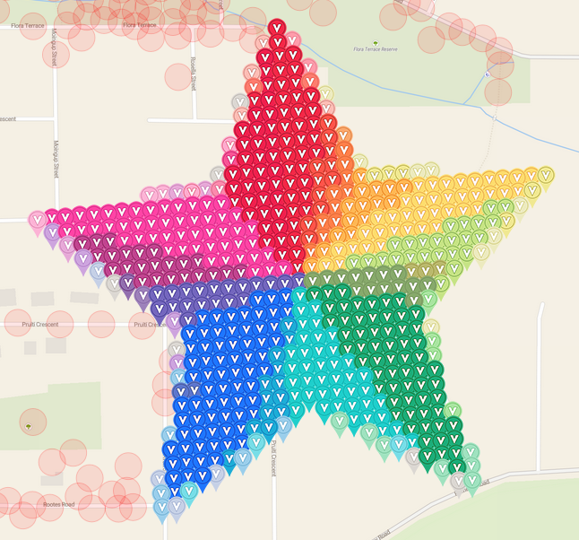
Coordination Chat | Map Link |  | TOTAL | 537 | 468 | 69 | 87.15%
MyGarden description |  |  | Virual color | Amount | Deployed | Available | % done
 |  |  | scarlet | 36 | 36 | 0 | 100.00%
 |  |  | melon | 4 | 4 | 0 | 100.00%
Insert screenshot from VGP with no crosshairs as a drawing here. |  |  | salmon | 2 | 2 | 0 | 100.00%
 |  |  | red | 35 | 35 | 0 | 100.00%
 |  |  | bittersweet | 2 | 2 | 0 | 100.00%
 |  |  | timberwolf | 6 | 6 | 0 | 100.00%
 |  |  | spring green | 8 | 8 | 0 | 100.00%
 |  |  | red orange | 11 | 11 | 0 | 100.00%
 |  |  | carnation pink | 2 | 2 | 0 | 100.00%
 |  |  | tan | 1 | 1 | 0 | 100.00%
 |  |  | violet red | 1 | 1 | 0 | 100.00%
 |  |  | burnt orange | 10 | 10 | 0 | 100.00%
 |  |  | pink | 3 | 3 | 0 | 100.00%
 |  |  | orchid | 3 | 3 | 0 | 100.00%
 |  |  | tickle me pink | 1 | 1 | 0 | 100.00%
 |  |  | orange | 15 | 15 | 0 | 100.00%
 |  |  | green yellow | 6 | 6 | 0 | 100.00%
 |  |  | wild strawberry | 51 | 51 | 0 | 100.00%
 |  |  | dandelion | 38 | 38 | 0 | 100.00%
 |  |  | wisteria | 4 | 4 | 0 | 100.00%
Top 25 of 119 Placers: |  |  | red violet | 23 | 23 | 0 | 100.00%
Username | Promised | Placed | yellow green | 24 | 23 | 1 | 95.83%
Debolicious | 44 | 38 | periwinkle | 4 | 4 | 0 | 100.00%
Carts70 | 37 | 37 | violet | 1 | 1 | 0 | 100.00%
TD42 | 31 | 31 | purple mountains majesty | 1 | 1 | 0 | 100.00%
Nomadicjp | 31 | 30 | blue violet | 19 | 18 | 1 | 94.74%
Bewrightback | 25 | 25 | asparagus | 14 | 11 | 3 | 78.57%
brattoo | 18 | 18 | olive green | 3 | 3 | 0 | 100.00%
jenks70 | 17 | 17 | blue | 71 | 49 | 22 | 69.01%
Julesbeus | 20 | 16 | robin egg blue | 41 | 26 | 15 | 63.41%
Hmmm | 16 | 16 | green | 62 | 39 | 23 | 62.90%
jetsetnana | 15 | 15 | granny smith apple | 4 | 3 | 1 | 75.00%
Jenks70 | 17 | 13 | cerulean | 13 | 11 | 2 | 84.62%
julesbeus | 8 | 8 | cornflower | 6 | 5 | 1 | 83.33%
DrentseHooglander | 7 | 7 | indigo | 2 | 2 | 0 | 100.00%
prmarks1391 | 7 | 7 | sea green | 7 | 7 | 0 | 100.00%
johnsjen | 6 | 6 | turquoise blue | 3 | 3 | 0 | 100.00%
munzeeprof | 6 | 6
humbird7 | 5 | 5
jldh | 5 | 5
Nicdchic | 5 | 5
ashthegeogenius | 4 | 4
BambinaCattiva | 4 | 4
bumble | 4 | 4
jafo43 | 4 | 4
anderkar | 3 | 3
Bigfoot78 | 3 | 3

