MyGarden
 |  | Balazs80 mini garden
 |  | Baja, Hungary |  |  |  | Original: | Extended:
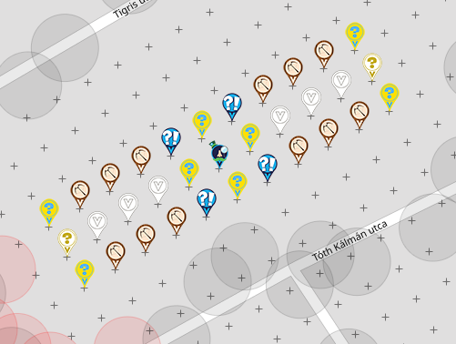
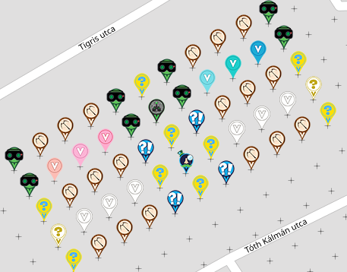
 |  | Thanks for your deploy! |  |  |  | 100.00%

 |  | Type | Total | Free | Deployed
 |  | Night Vision Goggles | 8 | 0 | 8
 |  | Electric Mystery | 9 | 0 | 9
 |  | Sir Prize Wheel | 1 | 0 | 1
 |  | Virtual Joystick | 1 | 0 | 1
 |  | Air Mystery | 2 | 0 | 2
 |  | Crossbow | 18 | 0 | 18
 |  | Surprise | 4 | 0 | 4
 |  | Virtual | 12 | 0 | 12
 |  | Total | 55 | 0 | 55

Row | Column | Latitude | Longitude | Munzee | Color | Username | URL | Comments
1 | 1 | 46.18325811958615 | 18.962495345267484 | Night Vision Goggles | night vision goggles | Kisbika84 | https://www.munzee.com/m/Kisbika84/2486/
1 | 2 | 46.183329984667964 | 18.962675129557056 | Crossbow | crossbow | Maagika | https://www.munzee.com/m/Maagika/2896/
1 | 3 | 46.18340184974977 | 18.962854914081618 | Crossbow | crossbow | mobility | https://www.munzee.com/m/mobility/10085/
1 | 4 | 46.183473714831585 | 18.96303469884117 | Crossbow | crossbow | Balazs80 | https://www.munzee.com/m/Balazs80/3098
1 | 5 | 46.18354557991339 | 18.963214483835714 | Night Vision Goggles | night vision goggles | Maagika | https://www.munzee.com/m/Maagika/2898/
1 | 6 | 46.18361744499521 | 18.963394269065247 | Electric Mystery | electric mystery | Ollee15 | https://www.munzee.com/m/Ollee15/1719/
1 | 7 | 46.18368931007701 | 18.963574054529772 | Night Vision Goggles | night vision goggles | Balazs80 | https://www.munzee.com/m/Balazs80/3117
1 | 8 | 46.183761175158814 | 18.9637538402294 | Crossbow | crossbow | iytam | https://www.munzee.com/m/iytam/4162/
1 | 9 | 46.18383304024063 | 18.96393362616402 | Crossbow | crossbow | Ahim | https://www.munzee.com/m/Ahim/1018/
1 | 10 | 46.18390490532243 | 18.96411341233363 | Crossbow | crossbow | CzPeet | https://www.munzee.com/m/CzPeet/4432/
1 | 11 | 46.18397677040424 | 18.964293198738233 | Night Vision Goggles | night vision goggles | Balazs80 | https://www.munzee.com/m/Balazs80/3114
2 | 1 | 46.18313364532213 | 18.96259913200754 | Night Vision Goggles | night vision goggles | Zsofesz | https://www.munzee.com/m/Zsofesz/74
2 | 2 | 46.18320551040395 | 18.96277891589 | Virtual | melon | Soldierzsolt | https://www.munzee.com/m/soldierzsolt/253
2 | 3 | 46.183277375485766 | 18.962958700007448 | Virtual | pink | Shogun | https://www.munzee.com/m/Shogun/131
2 | 4 | 46.18334924056758 | 18.963138484359888 | Virtual | carnation pink | Floweroflife | https://www.munzee.com/m/Floweroflife/969
2 | 5 | 46.18342110564938 | 18.963318268947432 | Night Vision Goggles | night vision goggles | iytam | https://www.munzee.com/m/iytam/4108/
2 | 6 | 46.18349297073121 | 18.963498053769968 | Virtual Joystick | joystick | mobility | https://www.munzee.com/m/mobility/9887
2 | 7 | 46.183564835813016 | 18.963677838827493 | Night Vision Goggles | night vision goggles | Kisbika84 | https://www.munzee.com/m/Kisbika84/2274/
2 | 8 | 46.18363670089483 | 18.96385762412001 | Virtual | turquoise blue | fabiusz | https://www.munzee.com/m/fabiusz/3661/ | 2022-03-03
2 | 9 | 46.183708565976644 | 18.964037409647517 | Virtual | robin egg blue | zsanetthun | https://www.munzee.com/m/zsanetthun/387
2 | 10 | 46.18378043105846 | 18.96421719541013 | Virtual | cerulean | Soldierzsolt | https://www.munzee.com/m/soldierzsolt/252
2 | 11 | 46.18385229614027 | 18.96439698140773 | Night Vision Goggles | night vision goggles | Zsofesz | https://www.munzee.com/m/Zsofesz/75/
3 | 1 | 46.1830091710581 | 18.96270291851306 | Electric Mystery | electric mystery | Balazs80 | https://www.munzee.com/m/Balazs80/2258/
3 | 2 | 46.18308103613992 | 18.96288270198852 | Crossbow | crossbow | Fonte | https://www.munzee.com/m/Fonte/1054
3 | 3 | 46.18315290122173 | 18.96306248569897 | Crossbow | crossbow | CzPeet | https://www.munzee.com/m/CzPeet/3510/
3 | 4 | 46.183224766303546 | 18.96324226964441 | Crossbow | crossbow | zsomborpeto | https://www.munzee.com/m/zsomborpeto/2994/
3 | 5 | 46.18329663138536 | 18.963422053824843 | Surprise | surprise | zsanetthun | https://www.munzee.com/m/zsanetthun/285/
3 | 6 | 46.18336849646717 | 18.963601838240265 | Electric Mystery | electric mystery | Fonte | https://www.munzee.com/m/Fonte/1053
3 | 7 | 46.183440361548975 | 18.963781622890792 | Surprise | surprise | zsomborpeto | https://www.munzee.com/m/zsomborpeto/2485/
3 | 8 | 46.18351222663079 | 18.96396140777631 | Crossbow | crossbow | Trezorka | https://www.munzee.com/m/Trezorka/2268
3 | 9 | 46.18358409171261 | 18.964141192896818 | Crossbow | crossbow | Pandora6000 | https://www.munzee.com/m/Pandora6000/441
3 | 10 | 46.183655956794425 | 18.964320978252317 | Crossbow | crossbow | Gatis50 | https://www.munzee.com/m/Gatis50/2241
3 | 11 | 46.18372782187624 | 18.964500763842807 | Electric Mystery | electric mystery | Fonte | https://www.munzee.com/m/Fonte/1031/
4 | 1 | 46.182884696794126 | 18.962806704783816 | Air Mystery | air mystery | Floweroflife | https://www.munzee.com/m/Floweroflife/608
4 | 2 | 46.18295656187594 | 18.962986487852163 | Virtual | white | Trezorka | https://www.munzee.com/m/Trezorka/2266
4 | 3 | 46.18302842695775 | 18.9631662711555 | Virtual | white | Pandora6000 | https://www.munzee.com/m/Pandora6000/444
4 | 4 | 46.18310029203956 | 18.96334605469383 | Virtual | white | Gatis50 | https://www.munzee.com/m/Gatis50/2242
4 | 5 | 46.183172157121376 | 18.963525838467262 | Electric Mystery | electric mystery | MassyPalaiseau | https://www.munzee.com/m/MassyPalaiseau/1995
4 | 6 | 46.18324402220318 | 18.963705622475686 | Sir Prize Wheel | sir prize wheel | Balazs80 | https://www.munzee.com/m/Balazs80/2710/
4 | 7 | 46.183315887284984 | 18.9638854067191 | Electric Mystery | electric mystery | Ollee15 | https://www.munzee.com/m/Ollee15/1607/
4 | 8 | 46.18338775236679 | 18.964065191197506 | Virtual | white | Floweroflife | https://www.munzee.com/m/Floweroflife/587/
4 | 9 | 46.183459617448605 | 18.964244975911015 | Virtual | white | lnlevy01 | https://www.munzee.com/m/lnlevy01/1159/
4 | 10 | 46.18353148253041 | 18.9644247608594 | Virtual | white | CzPeet | https://www.munzee.com/m/CzPeet/3353/
4 | 11 | 46.18360334761222 | 18.964604546042892 | Air Mystery | air mystery | MassyPalaiseau | https://www.munzee.com/m/MassyPalaiseau/1348/
5 | 1 | 46.18276022253015 | 18.962910490819013 | Electric Mystery | electric mystery | Ollee15 | https://www.munzee.com/m/Ollee15/1562/
5 | 2 | 46.18283208761196 | 18.96309027348036 | Crossbow | crossbow | szakica | https://www.munzee.com/m/szakica/1200/
5 | 3 | 46.18290395269378 | 18.9632700563767 | Crossbow | crossbow | Netkaloz | https://www.munzee.com/m/Netkaloz/6176/
5 | 4 | 46.182975817775585 | 18.96344983950803 | Crossbow | crossbow | Floweroflife | https://www.munzee.com/m/Floweroflife/537
5 | 5 | 46.183047682857406 | 18.96362962287435 | Surprise | surprise | Laczy76 | https://www.munzee.com/m/Laczy76/2539/
5 | 6 | 46.18311954793921 | 18.963809406475775 | Electric Mystery | electric mystery | CzPeet | https://www.munzee.com/m/CzPeet/3500/
5 | 7 | 46.183191413021014 | 18.963989190312077 | Surprise | surprise | mihul | https://www.munzee.com/m/mihul/3676/
5 | 8 | 46.183263278102835 | 18.964168974383483 | Crossbow | crossbow | Netkaloz | https://www.munzee.com/m/Netkaloz/6162/
5 | 9 | 46.18333514318464 | 18.96434875868988 | Crossbow | crossbow | Vucsi | https://www.munzee.com/m/Vucsi/695/
5 | 10 | 46.18340700826644 | 18.964528543231268 | Crossbow | crossbow | taska | https://www.munzee.com/m/taska1981/5685/
5 | 11 | 46.18347887334825 | 18.964708328007646 | Electric Mystery | electric mystery | Floweroflife | https://www.munzee.com/m/Floweroflife/606/

Please do NOT delete the following line. You will need it if you want to load the CSV file back to the map!
URL: gardenpainter.ide.sk | 46.18268663631219 | 18.965009450912476 | 20 | 21 | 60 | 0 | 20 | 18

