Sheet1
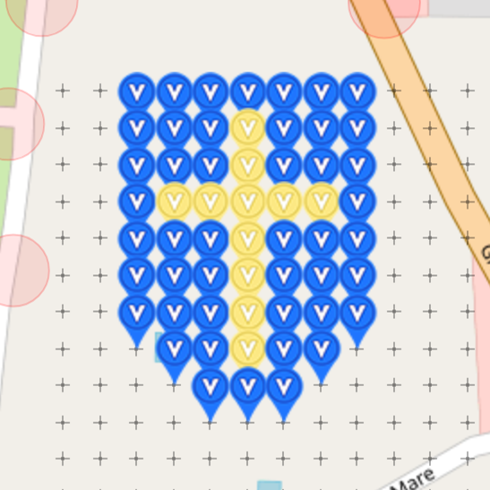
St Ouen Virtual Garden |  |  |  |  | Complete: | 100.00% |  | 57
 |  |  |  |  |  |  |  | 57
Garden is located on the small british island of Jersey in the Channel |  |  |  |  |  |  |  | 0
Islands. Jersey is only 9 miles by 5 miles and this will be our
first virtual garden. Please help fill it.

Row | Column | Latitude | Longitude | Munzee | Color | Username | URL | Comments
1 | 1 | 49.23119 | -2.20314 | Virtual | Blue | Jerzee | https://www.munzee.com/m/Jerzee/127/
1 | 2 | 49.23119 | -2.20292 | Virtual | Blue | mayberryman | https://www.munzee.com/m/mayberryman/837/
1 | 3 | 49.23119 | -2.2027 | Virtual | Blue | delaner46 | https://www.munzee.com/m/delaner46/3790
1 | 4 | 49.23119 | -2.20248 | Virtual | Blue | Jerzee | https://www.munzee.com/m/Jerzee/129
1 | 5 | 49.23119 | -2.20226 | Virtual | Blue | Benotje | https://www.munzee.com/m/benotje/1030/
1 | 6 | 49.23119 | -2.20204 | Virtual | Blue | SpaceCoastGeoStore | https://www.munzee.com/m/SpaceCoastGeoStore/5991/
1 | 7 | 49.23119 | -2.20182 | Virtual | Blue | Jerzee | https://www.munzee.com/m/Jerzee/130
2 | 1 | 49.23105 | -2.20314 | Virtual | Blue | JerseyGeocacher | https://www.munzee.com/m/JerseyGeocacher/1
2 | 2 | 49.23105 | -2.20292 | Virtual | Blue | tatch | https://www.munzee.com/m/tatch/4120/
2 | 3 | 49.23105 | -2.2027 | Virtual | Blue | thesnowman | https://www.munzee.com/m/thesnowman/435/
2 | 4 | 49.23105 | -2.20248 | Virtual | Yellow | JerseyGeocacher | https://www.munzee.com/m/JerseyGeocacher/103
2 | 5 | 49.23105 | -2.20226 | Virtual | Blue | ohiolady | https://www.munzee.com/m/ohiolady/3595
2 | 6 | 49.23105 | -2.20204 | Virtual | Blue | LympstoneBigtrotters | https://www.munzee.com/m/LympstoneBigtrotters/620/
2 | 7 | 49.23105 | -2.20182 | Virtual | Blue | JerseyGeocacher | https://www.munzee.com/m/JerseyGeocacher/3
3 | 1 | 49.23091 | -2.20314 | Virtual | Blue | JerseyJulie | https://www.munzee.com/m/Jerseyjulie/2
3 | 2 | 49.23091 | -2.20292 | Virtual | Blue | paulus2012 | https://www.munzee.com/m/paulus2012/2210
3 | 3 | 49.23091 | -2.2027 | Virtual | Blue | girlteam | https://www.munzee.com/m/Girlteam/854
3 | 4 | 49.23091 | -2.20248 | Virtual | Yellow | JerseyJulie | https://www.munzee.com/m/Jerseyjulie/3
3 | 5 | 49.23091 | -2.20226 | Virtual | Blue | paulus2012 | https://www.munzee.com/m/paulus2012/2219/
3 | 6 | 49.23091 | -2.20204 | Virtual | Blue | h0tdog | https://www.munzee.com/m/h0tdog/7344/
3 | 7 | 49.23091 | -2.20182 | Virtual | Blue | JerseyJulie | https://www.munzee.com/m/Jerseyjulie/5
4 | 1 | 49.23076 | -2.20314 | Virtual | Blue | Jerzee | https://www.munzee.com/m/Jerzee/131
4 | 2 | 49.23076 | -2.20292 | Virtual | Yellow | Benotje | https://www.munzee.com/m/benotje/1028/
4 | 3 | 49.23076 | -2.2027 | Virtual | Yellow | Minerva123 | https://www.munzee.com/m/Minerva123/5751/
4 | 4 | 49.23076 | -2.20248 | Virtual | Yellow | Jerzee | https://www.munzee.com/m/Jerzee/246
4 | 5 | 49.23076 | -2.20226 | Virtual | Yellow | vivszi | https://www.munzee.com/m/vivszi/778/
4 | 6 | 49.23076 | -2.20204 | Virtual | Yellow | mayberryman | https://www.munzee.com/m/mayberryman/849/
4 | 7 | 49.23076 | -2.20182 | Virtual | Blue | Jerzeego | https://www.munzee.com/m/Jerzee/248/
5 | 1 | 49.23062 | -2.20314 | Virtual | Blue | JerseyGeocacher | https://www.munzee.com/m/JerseyGeocacher/73/
5 | 2 | 49.23062 | -2.20292 | Virtual | Blue | delaner46 | https://www.munzee.com/m/delaner46/3789/
5 | 3 | 49.23062 | -2.2027 | Virtual | Blue | grubsneerg | https://www.munzee.com/m/grubsneerg/1593/
5 | 4 | 49.23062 | -2.20248 | Virtual | Yellow | JerseyGeocacher | https://www.munzee.com/m/JerseyGeocacher/105/
5 | 5 | 49.23062 | -2.20226 | Virtual | Blue | Raraku | https://www.munzee.com/m/Raraku/1804/
5 | 6 | 49.23062 | -2.20204 | Virtual | Blue | Golfgal28 | https://www.munzee.com/m/Golfgal28/104/
5 | 7 | 49.23062 | -2.20182 | Virtual | Blue | JerseyGeocacher | https://www.munzee.com/m/JerseyGeocacher/74
6 | 1 | 49.23047 | -2.20314 | Virtual | Blue | JerseyJulie | https://www.munzee.com/m/Jerseyjulie/71
6 | 2 | 49.23047 | -2.20292 | Virtual | Blue | Raraku | https://www.munzee.com/m/Raraku/1805/
6 | 3 | 49.23047 | -2.2027 | Virtual | Blue | Golfgal28 | https://www.munzee.com/m/Golfgal28/103/
6 | 4 | 49.23047 | -2.20248 | Virtual | Yellow | JerseyJulie | https://www.munzee.com/m/Jerseyjulie/99
6 | 5 | 49.23047 | -2.20226 | Virtual | Blue | paulus2012 | https://www.munzee.com/m/paulus2012/221
6 | 6 | 49.23047 | -2.20204 | Virtual | Blue | sjclyde | https://www.munzee.com/m/SJClyde/894/
6 | 7 | 49.23047 | -2.20182 | Virtual | Blue | JerseyJulie | https://www.munzee.com/m/Jerseyjulie/100
7 | 1 | 49.23033 | -2.20314 | Virtual | Blue | Jerzee | https://www.munzee.com/m/Jerzee/249
7 | 2 | 49.23033 | -2.20292 | Virtual | Blue | paulus2012 | https://www.munzee.com/m/paulus2012/2135
7 | 3 | 49.23033 | -2.2027 | Virtual | Blue | sidcup | https://www.munzee.com/m/Sidcup/
7 | 4 | 49.23033 | -2.20248 | Virtual | Yellow | Jerzee | https://www.munzee.com/m/Jerzee/250
7 | 5 | 49.23033 | -2.20226 | Virtual | Blue | aufbau | https://www.munzee.com/m/aufbau/7070/
7 | 6 | 49.23033 | -2.20204 | Virtual | Blue | FrankBroughton | https://www.munzee.com/m/FrankBroughton/9118/
7 | 7 | 49.23033 | -2.20182 | Virtual | Blue | Jerzee | https://www.munzee.com/m/Jerzee/281
8 | 2 | 49.23019 | -2.20292 | Virtual | Blue | Pamster13 | https://www.munzee.com/m/Pamster13/2054
8 | 3 | 49.23019 | -2.2027 | Virtual | Blue | vadotech | http://www.munzee.com/m/vadotech/4604
8 | 4 | 49.23019 | -2.20248 | Virtual | Yellow | Clareppuccino | https://www.munzee.com/m/Clareppuccino/2949/
8 | 5 | 49.23019 | -2.20226 | Virtual | Blue | MMarshall | https://www.munzee.com/m/MMarshall/710/
8 | 6 | 49.23019 | -2.20204 | Virtual | Blue | vivszi | https://www.munzee.com/m/vivszi/782/
9 | 3 | 49.23004 | -2.2027 | Virtual | Blue | JerseyJulie | https://www.munzee.com/m/Jerseyjulie/101/
9 | 4 | 49.23004 | -2.20248 | Virtual | Blue | JerseyGeocacher | https://www.munzee.com/m/JerseyGeocacher/4/
9 | 5 | 49.23004 | -2.20226 | Virtual | Blue | Andhanni | https://www.munzee.com/m/Andhanni/1028

