Lovagok kertje
 |  |  | All | Free | Free (%)
 |  | Sir Prize Wheel | 9 | 0 | 0.00%
 |  | Crossbow | 44 | 0 | 0.00%
 |  | Virtual Sapphire | 26 | 0 | 0.00%
 |  | Virtual Citrine | 26 | 0 | 0.00%
 |  | Virtual Onyx | 26 | 0 | 0.00%
 |  | Catapult | 26 | 0 | 0.00%
 |  | Night Vision Goggles | 5 | 0 | 0.00%
 |  | Surprise | 5 | 0 | 0.00%
 |  | All | 167 | 0 | 0.00%

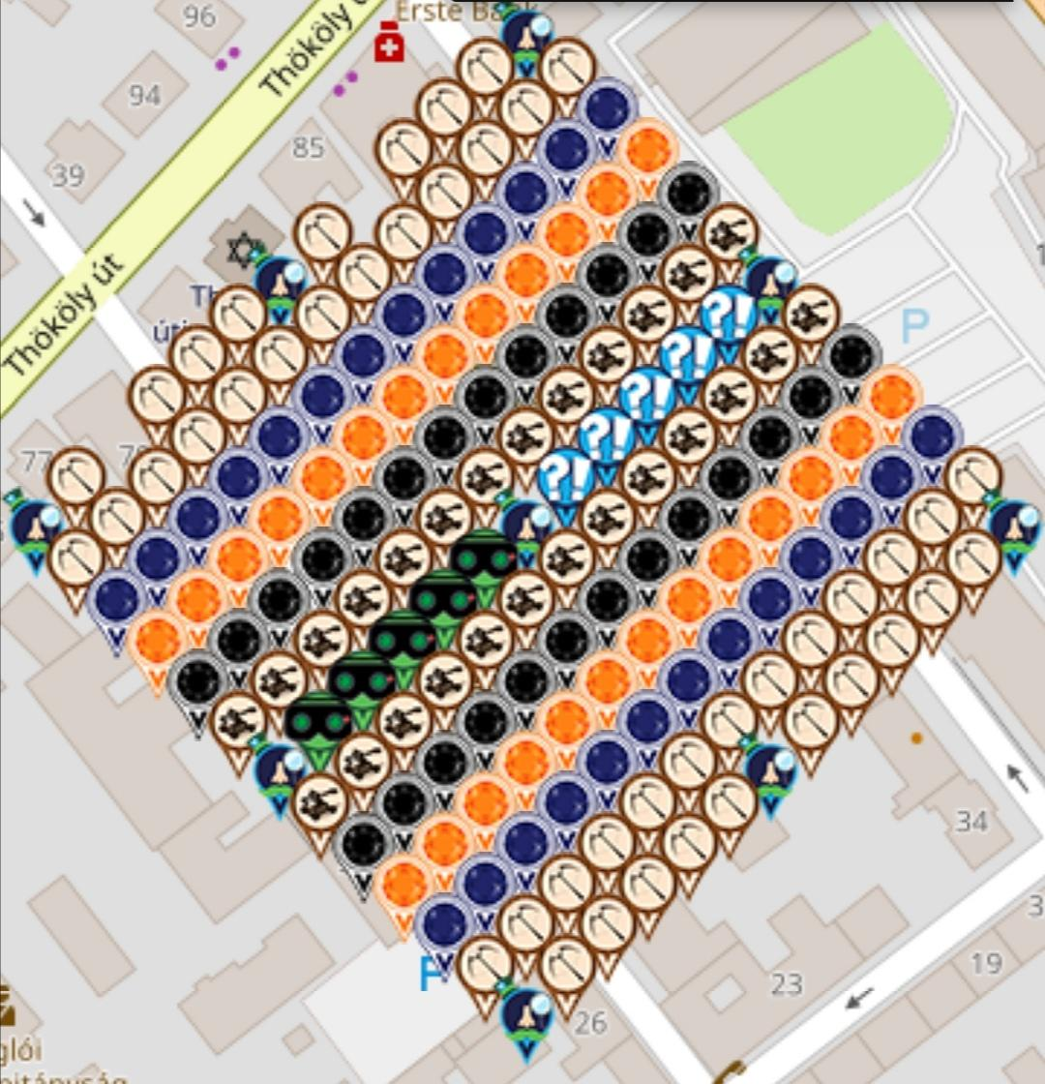
Row | Column | Latitude | Longitude | Munzee | Username | URL | Comments (Sir name) | Darabszám
1 | 1 | 47.508956257095626 | 19.09629113192034 | Sir Prize Wheel | Trezorka | https://www.munzee.com/m/Trezorka/3583 | Lady Thatcher | 14
1 | 2 | 47.50905788976987 | 19.096441593413147 | Crossbow | Norbee97 | https://www.munzee.com/m/Norbee97/5310/ |  | 14
1 | 4 | 47.509261155118374 | 19.096742517272787 | Crossbow | Gatis50 | https://www.munzee.com/m/Gatis50/2969 |  | 12
1 | 5 | 47.50936278779262 | 19.09689297963962 | Crossbow | Pandora6000 | https://www.munzee.com/m/Pandora6000/904 |  | 8
1 | 6 | 47.50946442046686 | 19.09704344229783 | Crossbow | Norbee97 | https://www.munzee.com/m/Norbee97/5312/ |  | 14
1 | 7 | 47.50956605314111 | 19.097193905247423 | Sir Prize Wheel | greislige | https://www.munzee.com/m/greislige/2590/ | Sir Lancelot | 12
1 | 8 | 47.509667685815344 | 19.097344368488393 | Crossbow | Trezorka | https://www.munzee.com/m/Trezorka/3584 |  | 14
1 | 10 | 47.50987095116383 | 19.097645295844245 | Crossbow | Norbee97 | https://www.munzee.com/m/Norbee97/5331/ |  | 14
1 | 11 | 47.50997258383808 | 19.09779575995924 | Crossbow | Gatis50 | https://www.munzee.com/m/Gatis50/2924 |  | 12
1 | 12 | 47.510074216512315 | 19.097946224365614 | Crossbow | greislige | https://www.munzee.com/m/greislige/2292 |  | 12
1 | 13 | 47.51017584918655 | 19.098096689063368 | Sir Prize Wheel | Norbee97 | https://www.munzee.com/m/Norbee97/6319/ | [Sir Modred] | 14
2 | 1 | 47.508854624224504 | 19.0964415800114 | Crossbow | Atlantis | https://www.munzee.com/m/Atlantis/495 |  | 7
2 | 2 | 47.508956256898756 | 19.09659204121283 | Crossbow | greislige | https://www.munzee.com/m/greislige/2282/ |  | 12
2 | 3 | 47.50905788957301 | 19.096742502705638 | Crossbow | Munci71 | https://www.munzee.com/m/Munci71/116/ |  | 8
2 | 4 | 47.509159522247266 | 19.096892964489825 | Crossbow | valaki2 | https://www.munzee.com/m/valaki2/291/ |  | 8
2 | 5 | 47.50926115492151 | 19.09704342656528 | Crossbow | newuser999 | https://www.munzee.com/m/newuser999/164/ |  | 8
2 | 6 | 47.50936278759576 | 19.09719388893211 | Crossbow | Kisbika84 | https://www.munzee.com/m/Kisbika84/1931/ |  | 8
2 | 7 | 47.509464420270014 | 19.097344351590323 | Crossbow | Munci71 | https://www.munzee.com/m/Munci71/124/ |  | 8
2 | 8 | 47.50956605294426 | 19.097494814539914 | Crossbow | janahu | https://www.munzee.com/m/janahu/897/ |  | 7
2 | 9 | 47.509667685618496 | 19.097645277780884 | Crossbow | halaszkiraly | https://www.munzee.com/m/halaszkiraly/5648/ |  | 11
2 | 10 | 47.50976931829273 | 19.09779574131312 | Crossbow | SvendDk | https://www.munzee.com/m/SvendDk/359/ |  | 11
2 | 11 | 47.50987095096698 | 19.097946205136736 | Crossbow | Munci71 | https://www.munzee.com/m/Munci71/144 |  | 8
2 | 12 | 47.50997258364122 | 19.09809666925173 | Crossbow | halaszkiraly | https://www.munzee.com/m/halaszkiraly/5659/ |  | 11
2 | 13 | 47.51007421631545 | 19.098247133658106 | Crossbow | janahu | https://www.munzee.com/m/janahu/867/ |  | 7
3 | 1 | 47.508752991353575 | 19.09659202781154 | Virtual Sapphire | Packrat1053 | www.munzee.com/m/Packrat1053/2098 |  | 8
3 | 2 | 47.508854624027826 | 19.09674248872159 | Virtual Sapphire | MinarikEde | https://www.munzee.com/m/MinarikEde/7294 |  | 3
3 | 3 | 47.50895625670207 | 19.096892949923017 | Virtual Sapphire | halaszkiraly | https://www.munzee.com/m/halaszkiraly/4713/ |  | 11
3 | 4 | 47.50905788937633 | 19.097043411415825 | Virtual Sapphire | Trezorka | https://www.munzee.com/m/Trezorka/3585 |  | 14
3 | 5 | 47.50915952205058 | 19.097193873200013 | Virtual Sapphire | Stuszi | https://www.munzee.com/m/Stuszi/46/ |  | 10
3 | 6 | 47.50926115472483 | 19.097344335275466 | Virtual Sapphire | Atlantis | https://www.munzee.com/m/Atlantis/549 |  | 7
3 | 7 | 47.509362787399084 | 19.097494797642298 | Virtual Sapphire | HolgerDk | https://www.munzee.com/m/HolgerDk/104/ |  | 5
3 | 8 | 47.50946442007333 | 19.09764526030051 | Virtual Sapphire | newuser999 | https://www.munzee.com/m/newuser999/166/ |  | 8
3 | 9 | 47.50956605274758 | 19.0977957232501 | Virtual Sapphire | greislige | https://www.munzee.com/m/greislige/1742/ |  | 12
3 | 10 | 47.509667685421825 | 19.097946186491072 | Virtual Sapphire | Kisbika84 | https://www.munzee.com/m/Kisbika84/1629/ |  | 8
3 | 11 | 47.509769318096076 | 19.098096650023308 | Virtual Sapphire | HolgerDk | https://www.munzee.com/m/HolgerDk/90/ |  | 5
3 | 12 | 47.50987095077033 | 19.098247113846924 | Virtual Sapphire | Pandora6000 | https://www.munzee.com/m/Pandora6000/945 |  | 8
3 | 13 | 47.509972583444565 | 19.09839757796192 | Virtual Sapphire | Stuszi | https://www.munzee.com/m/Stuszi/560/ |  | 10
4 | 1 | 47.50865135848248 | 19.096742475320298 | Virtual Citrine | valaki2 | https://www.munzee.com/m/valaki2/417/ |  | 8
4 | 2 | 47.50875299115673 | 19.096892935938968 | Virtual Citrine | newuser999 | https://www.munzee.com/m/newuser999/67/ |  | 8
4 | 3 | 47.50885462383098 | 19.097043396849017 | Virtual Citrine | Kisbika84 | https://www.munzee.com/m/Kisbika84/1932/ |  | 8
4 | 4 | 47.50895625650522 | 19.097193858050446 | Virtual Citrine | janahu | https://www.munzee.com/m/janahu/900/ |  | 7
4 | 5 | 47.50905788917948 | 19.097344319543254 | Virtual Citrine | Eigil | https://www.munzee.com/m/Eigil/169/ |  | 8
4 | 6 | 47.509159521853725 | 19.09749478132744 | Virtual Citrine | halaszkiraly | https://www.munzee.com/m/halaszkiraly/4976/ |  | 11
4 | 7 | 47.50926115452797 | 19.097645243402894 | Virtual Citrine | SvendDk | https://www.munzee.com/m/SvendDk/292/ |  | 11
4 | 8 | 47.509362787202214 | 19.097795705769727 | Virtual Citrine | valaki2 | https://www.munzee.com/m/valaki2/420/ |  | 8
4 | 9 | 47.50946441987647 | 19.09794616842794 | Virtual Citrine | Pandora6000 | https://www.munzee.com/m/Pandora6000/891 |  | 8
4 | 10 | 47.50956605255072 | 19.09809663137753 | Virtual Citrine | Trezorka | https://www.munzee.com/m/Trezorka/3420 |  | 14
4 | 11 | 47.509667685224954 | 19.0982470946185 | Virtual Citrine | Atlantis | https://www.munzee.com/m/Atlantis/487 |  | 7
4 | 12 | 47.50976931789921 | 19.098397558150737 | Virtual Citrine | Gatis50 | https://www.munzee.com/m/Gatis50/2830 |  | 12
4 | 13 | 47.50987095057344 | 19.098548021974352 | Virtual Citrine | Norbee97 | https://www.munzee.com/m/Norbee97/5549/ |  | 14
5 | 1 | 47.508549725611466 | 19.096892922537904 | Virtual Onyx | Trezorka | https://www.munzee.com/m/Trezorka/3604 |  | 14
5 | 2 | 47.508651358285725 | 19.097043382865195 | Virtual Onyx | Norbee97 | https://www.munzee.com/m/Norbee97/5652/ |  | 14
5 | 3 | 47.50875299095998 | 19.097193843483865 | Virtual Onyx | Munci71 | https://www.munzee.com/m/Munci71/129/ |  | 8
5 | 4 | 47.50885462363422 | 19.097344304393914 | Virtual Onyx | SvendDk | https://www.munzee.com/m/SvendDk/358/ |  | 11
5 | 5 | 47.50895625630847 | 19.097494765595343 | Virtual Onyx | valaki2 | https://www.munzee.com/m/valaki2/330/ |  | 8
5 | 6 | 47.50905788898272 | 19.09764522708815 | Virtual Onyx | Kisbika84 | https://www.munzee.com/m/Kisbika84/1917 |  | 8
5 | 7 | 47.509159521656954 | 19.09779568887234 | Virtual Onyx | greislige | https://www.munzee.com/m/greislige/1797/ |  | 12
5 | 8 | 47.5092611543312 | 19.09794615094779 | Virtual Onyx | janahu | https://www.munzee.com/m/janahu/893/ |  | 7
5 | 9 | 47.50936278700544 | 19.098096613314624 | Virtual Onyx | Eigil | https://www.munzee.com/m/Eigil/183/ |  | 8
5 | 10 | 47.509464419679695 | 19.098247075972836 | Virtual Onyx | SvendDk | https://www.munzee.com/m/SvendDk/215/ |  | 11
5 | 11 | 47.50956605235394 | 19.098397538922427 | Virtual Onyx | newuser999 | https://www.munzee.com/m/newuser999/226/ |  | 8
5 | 12 | 47.509667685028184 | 19.098548002163398 | Virtual Onyx | valaki2 | https://www.munzee.com/m/valaki2/442/ |  | 8
5 | 13 | 47.50976931770242 | 19.098698465695634 | Virtual Onyx | Trezorka | https://www.munzee.com/m/Trezorka/3503 |  | 14
6 | 1 | 47.50844809274045 | 19.097043369464245 | Catapult | greislige | https://www.munzee.com/m/greislige/1415/ |  | 12
6 | 2 | 47.508549725414696 | 19.09719382950027 | Catapult | halaszkiraly | https://www.munzee.com/m/halaszkiraly/4386/ |  | 11
6 | 3 | 47.50865135808894 | 19.09734428982756 | Catapult | Stuszi | https://www.munzee.com/m/Stuszi/458/ |  | 10
6 | 4 | 47.5087529907632 | 19.09749475044623 | Catapult | Pandora6000 | https://www.munzee.com/m/Pandora6000/853 |  | 8
6 | 5 | 47.50885462343745 | 19.09764521135628 | Catapult | Atlantis | https://www.munzee.com/m/Atlantis/446 |  | 7
6 | 6 | 47.5089562561117 | 19.09779567255771 | Catapult | Stuszi | https://www.munzee.com/m/Stuszi/452/ |  | 10
6 | 7 | 47.50905788878595 | 19.097946134050517 | Catapult | Trezorka | https://www.munzee.com/m/Trezorka/3497 |  | 14
6 | 8 | 47.50915952146019 | 19.098096595834704 | Catapult | Gatis50 | https://www.munzee.com/m/Gatis50/2919 |  | 12
6 | 9 | 47.509261154134435 | 19.098247057910157 | Catapult | Norbee97 | https://www.munzee.com/m/Norbee97/5476/ |  | 14
6 | 10 | 47.50936278680869 | 19.09839752027699 | Catapult | Kisbika84 | https://www.munzee.com/m/Kisbika84/1939/ |  | 8
6 | 11 | 47.50946441948293 | 19.0985479829352 | Catapult | Munci71 | https://www.munzee.com/m/Munci71/81/ |  | 8
6 | 12 | 47.50956605215717 | 19.098698445884793 | Catapult | Eigil | https://www.munzee.com/m/Eigil/119/ |  | 8
6 | 13 | 47.50966768483141 | 19.098848909125763 | Catapult | greislige | https://www.munzee.com/m/greislige/1465/ |  | 12
7 | 1 | 47.508346459869436 | 19.09719381609898 | Sir Prize Wheel | Gatis50 | https://www.munzee.com/m/Gatis50/2970 | Sir Arthur | 12
7 | 2 | 47.508448092543674 | 19.097344275843625 | Night Vision Goggles | Andris17 | https://www.munzee.com/m/Andris17/508/ |  | 4
7 | 3 | 47.50854972521792 | 19.09749473587965 | Night Vision Goggles | Packrat1053 | www.munzee.com/m/Packrat1053/1474 |  | 8
7 | 4 | 47.50865135789217 | 19.09764519620694 | Night Vision Goggles | Gatis50 | https://www.munzee.com/m/Gatis50/2992 |  | 12
7 | 5 | 47.50875299056642 | 19.09779565682561 | Night Vision Goggles | Norbee97 | https://www.munzee.com/m/Norbee97/5844/ |  | 14
7 | 6 | 47.50885462324067 | 19.09794611773566 | Night Vision Goggles | Andris17 | https://www.munzee.com/m/Andris17/500/ |  | 4
7 | 7 | 47.50895625591493 | 19.09809657893709 | Sir Prize Wheel | halaszkiraly | https://www.munzee.com/m/halaszkiraly/5700/ | The Fisher King | 11
7 | 8 | 47.50905788858917 | 19.098247040429897 | Surprise | Packrat1053 | www.munzee.com/m/Packrat1053/770 |  | 8
7 | 9 | 47.509159521263406 | 19.09839750221397 | Surprise | greislige | https://www.munzee.com/m/greislige/739/ |  | 12
7 | 10 | 47.50926115393765 | 19.098547964289423 | Surprise | halaszkiraly | https://www.munzee.com/m/halaszkiraly/5621/ |  | 11
7 | 11 | 47.509362786611895 | 19.098698426656256 | Surprise | Stuszi | https://www.munzee.com/m/Stuszi/472/ |  | 10
7 | 12 | 47.50946441928614 | 19.098848889314468 | Surprise | Norbee97 | https://www.munzee.com/m/Norbee97/5577/ |  | 14
7 | 13 | 47.50956605196038 | 19.098999352263945 | Sir Prize Wheel | Kisbika84 |  |  | 8
8 | 1 | 47.508244826998435 | 19.097344262443016 | Catapult | Norbee97 | https://www.munzee.com/m/Norbee97/5515/ |  | 14
8 | 2 | 47.50834645967267 | 19.097494721896282 | Catapult | Trezorka | https://www.munzee.com/m/Trezorka/3200 |  | 14
8 | 3 | 47.50844809234691 | 19.097645181640928 | Catapult | SvendDk | https://www.munzee.com/m/SvendDk/277/ |  | 11
8 | 4 | 47.50854972502116 | 19.097795641676953 | Catapult | Eigil | https://www.munzee.com/m/Eigil/184/ |  | 8
8 | 5 | 47.50865135769542 | 19.097946102004244 | Catapult | valaki2 | https://www.munzee.com/m/valaki2/423/ |  | 8
8 | 6 | 47.508752990369665 | 19.098096562622914 | Catapult | SvendDk | https://www.munzee.com/m/SvendDk/364/ |  | 11
8 | 7 | 47.50885462304391 | 190982470235329 | Catapult | newuser999 | https://www.munzee.com/m/newuser999/315/ |  | 8
8 | 8 | 47.50895625571817 | 19.09839748473439 | Catapult | Munci71 | https://www.munzee.com/m/Munci71/89 |  | 8
8 | 9 | 47.50905788839241 | 19.0985479462272 | Catapult | Pandora6000 | https://www.munzee.com/m/Pandora6000/900 |  | 8
8 | 10 | 47.50915952106667 | 19.098698408011273 | Catapult | Atlantis | https://www.munzee.com/m/Atlantis/496 |  | 7
8 | 11 | 47.50926115374092 | 19.098848870086726 | Catapult | MinarikEde | https://www.munzee.com/m/MinarikEde/7682 |  | 3
8 | 12 | 47.509362786415174 | 19.09899933245356 | Catapult | valaki2 | https://www.munzee.com/m/valaki2/404/ |  | 8
8 | 13 | 47.50946441908942 | 19.09914979511177 | Catapult | newuser999 | https://www.munzee.com/m/newuser999/307/ |  | 8
9 | 1 | 47.50814319412741 | 19.097494708495105 | Virtual Onyx | janahu | https://www.munzee.com/m/janahu/966/ |  | 7
9 | 2 | 47.50824482680165 | 19.097645167657106 | Virtual Onyx | newuser999 | https://www.munzee.com/m/newuser999/232/ |  | 8
9 | 3 | 47.508346459475895 | 19.097795627110372 | Virtual Onyx | Stuszi | https://www.munzee.com/m/Stuszi/296/ |  | 10
9 | 4 | 47.50844809215014 | 19.097946086855018 | Virtual Onyx | Pandora6000 | https://www.munzee.com/m/Pandora6000/944 |  | 10
9 | 5 | 47.508549724824384 | 19.098096546891043 | Virtual Onyx | Atlantis | https://www.munzee.com/m/Atlantis/545 |  | 7
9 | 6 | 47.50865135749862 | 19.098247007218333 | Virtual Onyx | janahu | https://www.munzee.com/m/janahu/965/ |  | 7
9 | 7 | 47.50875299017286 | 19.098397467837003 | Virtual Onyx | Gatis50 | https://www.munzee.com/m/Gatis50/2923 |  | 12
9 | 8 | 47.5088546228471 | 19.098547928747053 | Virtual Onyx | Stuszi | https://www.munzee.com/m/Stuszi/473/ |  | 0
9 | 9 | 47.508956255521355 | 19.09869838994848 | Virtual Onyx | Kisbika84 | https://www.munzee.com/m/Kisbika84/1942/ |  | 8
9 | 10 | 47.5090578881956 | 19.09884885144129 | Virtual Onyx | HolgerDk | https://www.munzee.com/m/HolgerDk/214/ |  | 5
9 | 11 | 47.509159520869844 | 19.098999313225363 | Virtual Onyx | Munci71 | https://www.munzee.com/m/Munci71/183/ |  | 8
9 | 12 | 47.50926115354409 | 19.099149775300816 | Virtual Onyx | Gatis50 | https://www.munzee.com/m/Gatis50/2848 |  | 12
9 | 13 | 47.50936278621834 | 19.09930023766765 | Virtual Onyx | Trezorka | https://www.munzee.com/m/Trezorka/3224 |  | 14
10 | 1 | 47.508041561256405 | 19.09764515425627 | Virtual Citrine | greislige | https://www.munzee.com/m/greislige/1799/ |  | 12
10 | 2 | 47.50814319393065 | 19.09779561312689 | Virtual Citrine | Munci71 | https://www.munzee.com/m/Munci71/19/ |  | 8
10 | 3 | 47.508244826604894 | 19.09794607228889 | Virtual Citrine | halaszkiraly | https://www.munzee.com/m/halaszkiraly/5167/ |  | 11
10 | 4 | 47.50834645927915 | 19.098096531742158 | Virtual Citrine | Gatis50 | https://www.munzee.com/m/Gatis50/2727 |  | 12
10 | 5 | 47.5084480919534 | 19.098246991486803 | Virtual Citrine | greislige | https://www.munzee.com/m/greislige/1802/ |  | 12
10 | 6 | 47.50854972462764 | 19.09839745152283 | Virtual Citrine | Packrat1053 | www.munzee.com/m/Packrat1053/1196 |  | 8
10 | 7 | 47.50865135730188 | 19.09854791185012 | Virtual Citrine | halaszkiraly | https://www.munzee.com/m/halaszkiraly/5394/ |  | 11
10 | 8 | 47.508752989976124 | 19.09869837246879 | Virtual Citrine | Trezorka | https://www.munzee.com/m/Trezorka/3206 |  | 14
10 | 9 | 47.508854622650375 | 19.098848833378838 | Virtual Citrine | Packrat1053 | www.munzee.com/m/Packrat1053/1133 |  | 8
10 | 10 | 47.50895625532462 | 19.098999294580267 | Virtual Citrine | newuser999 | https://www.munzee.com/m/newuser999/73/ |  | 8
10 | 11 | 47.50905788799886 | 19.099149756073075 | Virtual Citrine | halaszkiraly | https://www.munzee.com/m/halaszkiraly/5561/ |  | 11
10 | 12 | 47.509159520673094 | 19.09930021785715 | Virtual Citrine | Packrat1053 | www.munzee.com/m/Packrat1053/1089 |  | 8
10 | 13 | 47.50926115334733 | 19.099450679932602 | Virtual Citrine | Stuszi | https://www.munzee.com/m/Stuszi/503/ |  | 10
11 | 1 | 47.50793992838531 | 19.097795599726282 | Virtual Sapphire | SvendDk | https://www.munzee.com/m/SvendDk/252/ |  | 11
11 | 2 | 47.50804156105956 | 19.097946058305524 | Virtual Sapphire | valaki2 | https://www.munzee.com/m/valaki2/330/ |  | 8
...

