Alsógalla JoyPrize Garden
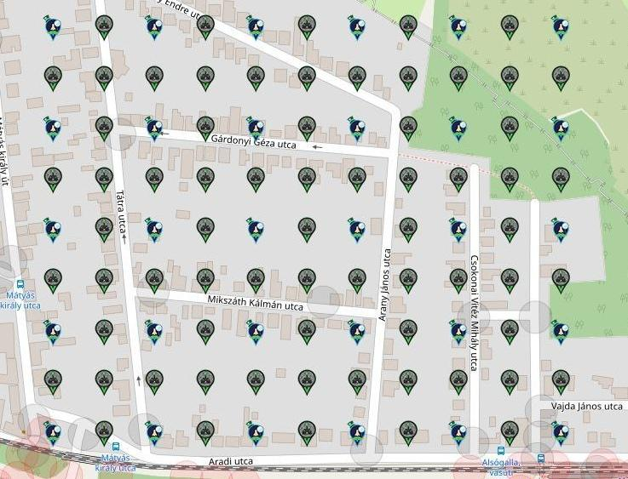
Alsógalla JoyPrize Garden

 | made by: hz & Norbee97

 |  | Type | Free | Free (%) | All
 |  | Sir Prize Wheel | 23 | 76.67% | 30
 |  | Joystick | 21 | 30.43% | 69
 |  | All | 44 | 44.44% | 99

Row | Column | Latitude | Longitude | Munzee | Username | URL
1 | 1 | 47.567049254196306 | 18.417988769766225 | Sir Prize Wheel | babyw | https://www.munzee.com/m/babyw/4070/
1 | 2 | 47.567049253604665 | 18.41862783024726 | Joystick | Newbee | https://www.munzee.com/m/newbee/8526
1 | 3 | 47.56704925301304 | 18.419266890728295 | Sir Prize Wheel | DarbyJoan | https://www.munzee.com/m/DarbyJoan/1291/
1 | 4 | 47.56704925242143 | 18.41990595120933 | Joystick | /newfruit | https://www.munzee.com/m/Newfruit/7560
1 | 5 | 47.5670492518298 | 18.420545011690365 | Sir Prize Wheel | annabanana | https://www.munzee.com/m/annabanana/18932/
1 | 6 | 47.56704925123819 | 18.4211840721714 | Joystick | Shrekmiester | https://www.munzee.com/m/shrekmiester/8295
1 | 7 | 47.567049250646576 | 18.421823132652435 | Sir Prize Wheel
1 | 8 | 47.567049250054964 | 18.42246219313347 | Joystick | Herbie | https://www.munzee.com/m/Herbie/18372
1 | 9 | 47.56704924946335 | 18.423101253614504 | Sir Prize Wheel
1 | 10 | 47.56704924887173 | 18.42374031409554 | Joystick | EagleDadandXenia | https://www.munzee.com/m/EagleDadandXenia/31260/
1 | 11 | 47.56704924828012 | 18.424379374576574 | Sir Prize Wheel | barefootguru | https://www.munzee.com/m/barefootguru/9921/
2 | 1 | 47.56661806286014 | 18.41798874171002 | Joystick | MarletFanCT | https://www.munzee.com/m/marleyfanct/8673/
2 | 2 | 47.56661806226854 | 18.418627796930537 | Joystick | gargoyle18 | https://www.munzee.com/m/gargoyle18/4864/
2 | 3 | 47.56661806167694 | 18.419266852151054 | Joystick | taska | https://www.munzee.com/m/taska1981/5231/
2 | 4 | 47.56661806108536 | 18.41990590737157 | Joystick | Kpcrystal07 | https://www.munzee.com/m/kpcrystal07/18236/
2 | 5 | 47.56661806049375 | 18.420544962591975 | Joystick | piesciuk | https://www.munzee.com/m/piesciuk/1835/
2 | 6 | 47.56661805990217 | 18.421184017812493 | Joystick | taska | https://www.munzee.com/m/taska1981/5236/
2 | 7 | 47.56661805931058 | 18.42182307303301 | Joystick | Kpcrystal07
2 | 8 | 47.566618058718994 | 18.422462128253528 | Joystick | lanyasummer | https://www.munzee.com/m/Lanyasummer/5163/
2 | 9 | 47.566618058127396 | 18.423101183474046 | Joystick | NYBOSS | https://www.munzee.com/m/nyboss/11321/admin/
2 | 10 | 47.5666180575358 | 18.423740238694563 | Joystick | babyw | https://www.munzee.com/m/babyw/3147/
2 | 11 | 47.56661805694421 | 18.42437929391508 | Joystick
3 | 1 | 47.56618687152377 | 18.417988713652107 | Sir Prize Wheel
3 | 2 | 47.56618687093217 | 18.418627763611767 | Joystick | CoalCracker7 | https://www.munzee.com/m/CoalCracker7/24257
3 | 3 | 47.566186870340594 | 18.419266813571426 | Sir Prize Wheel
3 | 4 | 47.566186869749 | 18.419905863531085 | Joystick | DarbyJoan | https://www.munzee.com/m/DarbyJoan/3527/
3 | 5 | 47.56618686915742 | 18.420544913490744 | Sir Prize Wheel
3 | 6 | 47.56618686856584 | 18.421183963450403 | Joystick | alexmester | https://www.munzee.com/m/alexmester/2053/
3 | 7 | 47.566186867974245 | 18.421823013410062 | Sir Prize Wheel
3 | 8 | 47.566186867382655 | 18.42246206336972 | Joystick | tommobil | https://www.munzee.com/m/tommobil/2064/
3 | 9 | 47.56618686679106 | 18.42310111332938 | Sir Prize Wheel
3 | 10 | 47.56618686619948 | 18.42374016328904 | Joystick
3 | 11 | 47.56618686560788 | 18.4243792132487 | Sir Prize Wheel
4 | 1 | 47.56575568018745 | 18.417988685596015 | Joystick
4 | 2 | 47.56575567959587 | 18.418627730295157 | Joystick
4 | 3 | 47.56575567900428 | 18.4192667749943 | Joystick
4 | 4 | 47.56575567841269 | 18.41990581969344 | Joystick
4 | 5 | 47.56575567782111 | 18.420544864392582 | Joystick
4 | 6 | 47.56575567722952 | 18.421183909091724 | Joystick
4 | 7 | 47.565755676637934 | 18.421822953790866 | Joystick
4 | 8 | 47.56575567604635 | 18.422461998490007 | Joystick
4 | 9 | 47.56575567545476 | 18.42310104318915 | Joystick
4 | 10 | 47.565755674863176 | 18.42374008788829 | Joystick
4 | 11 | 47.565755674271585 | 18.424379132587433 | Joystick
5 | 1 | 47.56532448885114 | 18.417988657540832 | Sir Prize Wheel
5 | 2 | 47.565324488259556 | 18.418627696979456 | Joystick
5 | 3 | 47.56532448766798 | 18.41926673641808 | Sir Prize Wheel
5 | 4 | 47.565324487076396 | 18.419905775856705 | Joystick
5 | 5 | 47.56532448648482 | 18.42054481529533 | Sir Prize Wheel
5 | 6 | 47.56532448589324 | 18.421183854733954 | Joystick | nbtzyy2 | https://www.munzee.com/m/Nbtzyy2/2016/
5 | 7 | 47.565324485301666 | 18.42182289417258 | Sir Prize Wheel
5 | 8 | 47.56532448471009 | 18.422461933611203 | Joystick
5 | 9 | 47.56532448411851 | 18.423100973049827 | Sir Prize Wheel
5 | 10 | 47.565324483526936 | 18.42374001248845 | Joystick
5 | 11 | 47.56532448293536 | 18.424379051927076 | Sir Prize Wheel | Bos61 | https://www.munzee.com/m/Bos61/871/admin/
6 | 1 | 47.56489329751479 | 18.41798862948565 | Joystick
6 | 2 | 47.56489329692322 | 18.418627663664097 | Joystick
6 | 3 | 47.56489329633165 | 18.419266697842545 | Joystick
6 | 4 | 47.56489329574008 | 18.419905732020993 | Joystick | annabanana | https://www.munzee.com/m/annabanana/10724/
6 | 5 | 47.56489329514851 | 18.42054476619944 | Joystick | Sebi05 | https://www.munzee.com/m/Sebi05/249/admin/
6 | 6 | 47.56489329455694 | 18.42118380037789 | Joystick | Bos61 | https://www.munzee.com/m/Bos61/613/admin/
6 | 7 | 47.56489329396537 | 18.421822834556338 | Joystick | habu | https://www.munzee.com/m/habu/11687/
6 | 8 | 47.5648932933738 | 18.422461868734786 | Joystick | rita85gto | https://www.munzee.com/m/rita85gto/4083/
6 | 9 | 47.56489329278224 | 18.423100902913234 | Joystick | struwel | https://www.munzee.com/m/struwel/13359
6 | 10 | 47.56489329219067 | 18.423739937091682 | Joystick | mrsg9064 | https://www.munzee.com/m/mrsg9064/8610/
6 | 11 | 47.56489329159908 | 18.42437897127013 | Joystick | Sebi05 | https://www.munzee.com/m/Sebi05/288/admin/
7 | 1 | 47.56446210617849 | 18.417988601431375 | Sir Prize Wheel
7 | 2 | 47.56446210558693 | 18.418627630349647 | Joystick
7 | 3 | 47.56446210499536 | 18.41926665926792 | Sir Prize Wheel
7 | 4 | 47.5644621044038 | 18.41990568818619 | Joystick | Bos61 | https://www.munzee.com/m/Bos61/693/
7 | 5 | 47.56446210381224 | 18.420544717104463 | Sir Prize Wheel
7 | 6 | 47.56446210322068 | 18.421183746022734 | Joystick | Sebi05 | https://www.munzee.com/m/Sebi05/539/
7 | 7 | 47.56446210262912 | 18.421822774941006 | Sir Prize Wheel
7 | 8 | 47.56446210203756 | 18.422461803859278 | Joystick | BonnieB1 | https://www.munzee.com/m/BonnieB1/6617/
7 | 9 | 47.564462101446004 | 18.42310083277755 | Sir Prize Wheel
7 | 10 | 47.564462100854435 | 18.42373986169582 | Joystick | wemissmo | https://www.munzee.com/m/wemissmo/15089/
7 | 11 | 47.56446210026287 | 18.424378890614094 | Sir Prize Wheel
8 | 1 | 47.56403091484211 | 18.4179885733771 | Joystick | Sebi05 | https://www.munzee.com/m/Sebi05/520/
8 | 2 | 47.56403091425056 | 18.418627597035197 | Joystick | Bos61 | https://www.munzee.com/m/Bos61/694/
8 | 3 | 47.56403091365899 | 18.419266620693293 | Joystick | xptwo | https://www.munzee.com/m/xptwo/17321/
8 | 4 | 47.564030913067434 | 18.419905644351388 | Joystick | ashthegeogenius | https://www.munzee.com/m/ashthegeogenius/301/
8 | 5 | 47.56403091247587 | 18.420544668009484 | Joystick | wemissmo | https://www.munzee.com/m/wemissmo/15217/
8 | 6 | 47.5640309118843 | 18.42118369166758 | Joystick | CrazyLadyLisa | https://www.munzee.com/m/CrazyLadyLisa/18509/
8 | 7 | 47.56403091129275 | 18.421822715325675 | Joystick | Sebi05 | https://www.munzee.com/m/Sebi05/349/
8 | 8 | 47.564030910701184 | 18.42246173898377 | Joystick | Bos61 | https://www.munzee.com/m/Bos61/746/
8 | 9 | 47.56403091010962 | 18.423100762641866 | Joystick | Atlantis | https://www.munzee.com/m/Atlantis/570
8 | 10 | 47.564030909518074 | 18.42373978629996 | Joystick | Pandora6000 | https://www.munzee.com/m/Pandora6000/977
8 | 11 | 47.56403090892652 | 18.424378809958057 | Joystick | Gatis50 | https://www.munzee.com/m/Gatis50/3072
9 | 1 | 47.56359972350586 | 18.417988545324647 | Sir Prize Wheel
9 | 2 | 47.563599722914326 | 18.418627563722907 | Joystick | Sebi05 | https://www.munzee.com/m/Sebi05/396/admin/
9 | 3 | 47.56359972232279 | 18.419266582121168 | Sir Prize Wheel
9 | 4 | 47.563599721731265 | 18.419905600519428 | Joystick | Trezorka | https://www.munzee.com/m/Trezorka/3963
9 | 5 | 47.56359972113974 | 18.42054461891769 | Sir Prize Wheel
9 | 6 | 47.56359972054822 | 18.42118363731595 | Joystick | Bos61 | https://www.munzee.com/m/Bos61/835/admin/
9 | 7 | 47.56359971995668 | 18.42182265571421 | Sir Prize Wheel
9 | 8 | 47.56359971936514 | 18.42246167411247 | Joystick | Sebi05 | https://www.munzee.com/m/Sebi05/450/admin/
9 | 9 | 47.56359971877362 | 18.42310069251073 | Sir Prize Wheel | jacksparrow | https://www.munzee.com/m/JackSparrow/29120/
9 | 10 | 47.563599718182076 | 18.42373971090899 | Joystick | Norbee97 | https://www.munzee.com/m/Norbee97/5956/
9 | 11 | 47.56359971759055 | 18.42437872930725 | Sir Prize Wheel | jldh | https://www.munzee.com/m/jldh/3734/

